Results
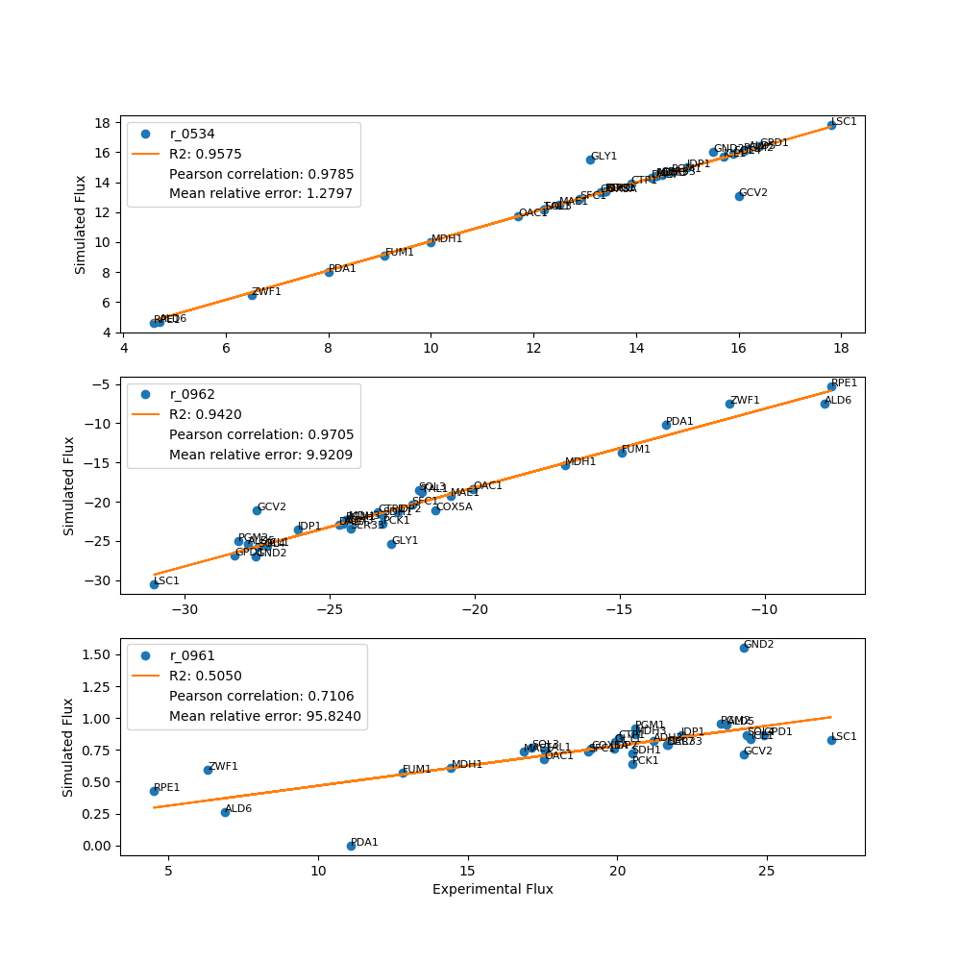
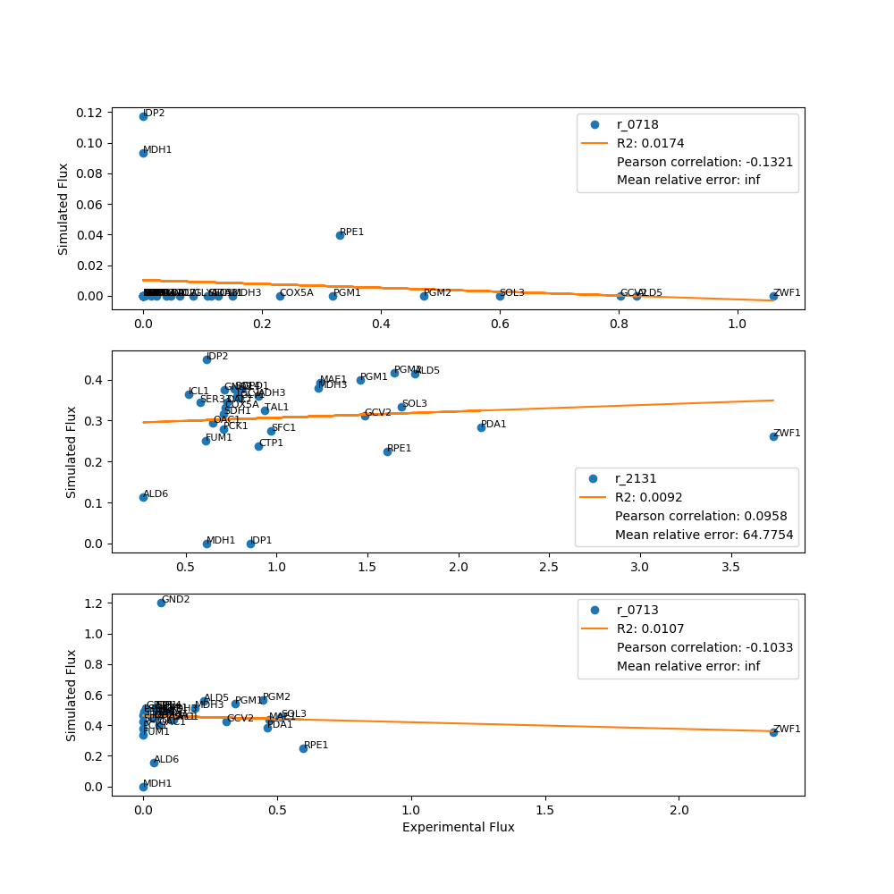
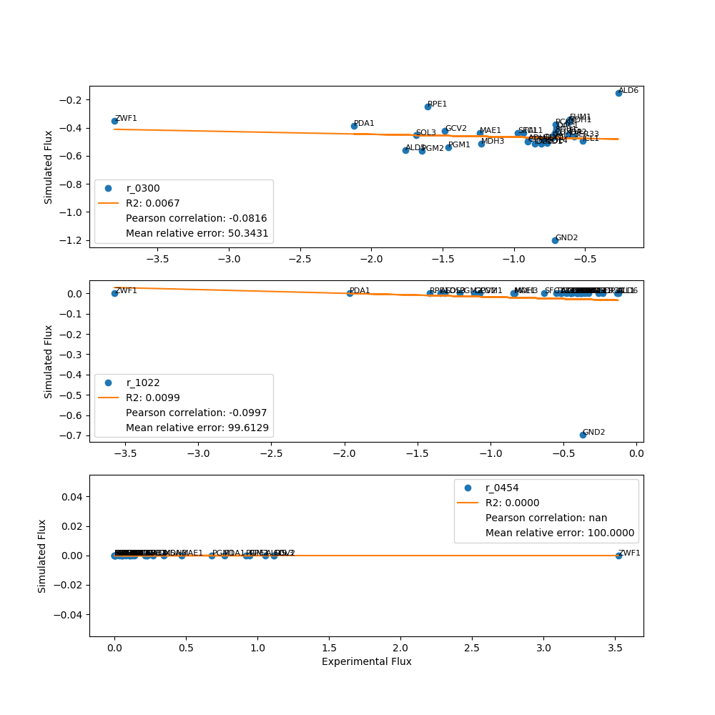
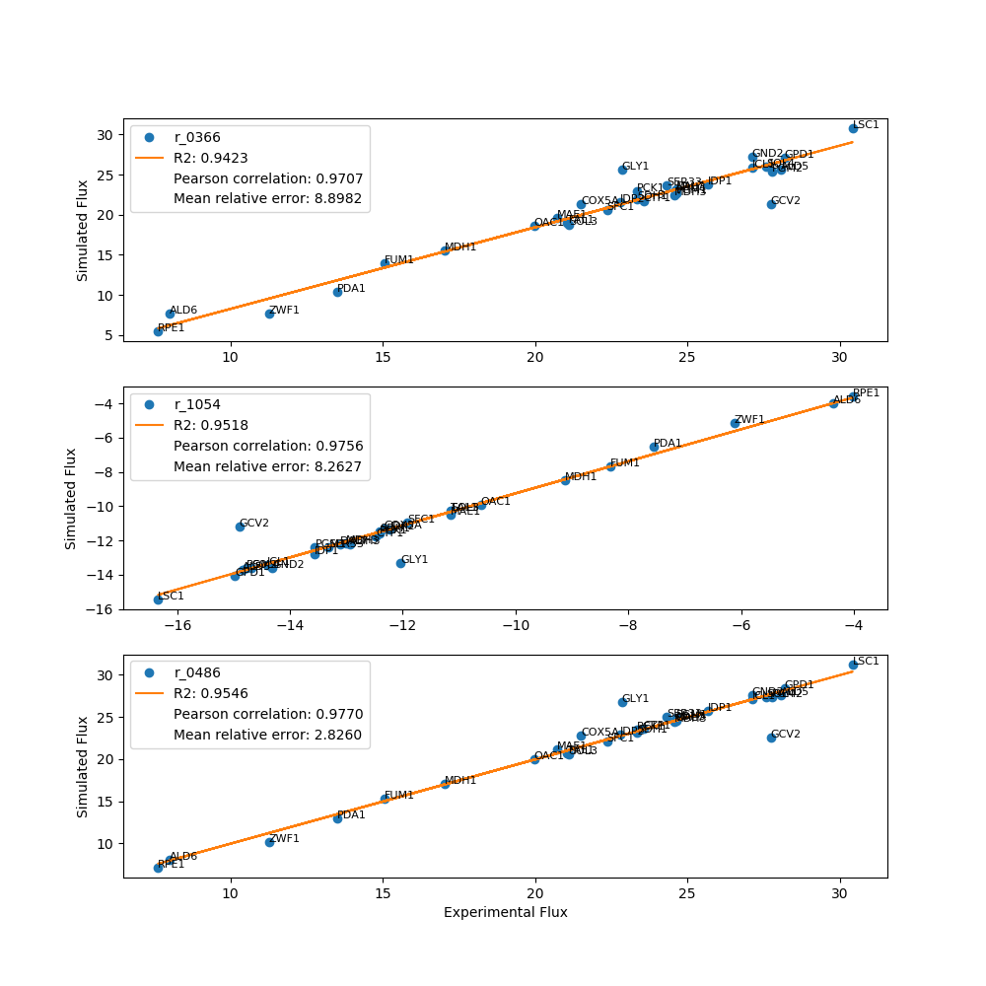
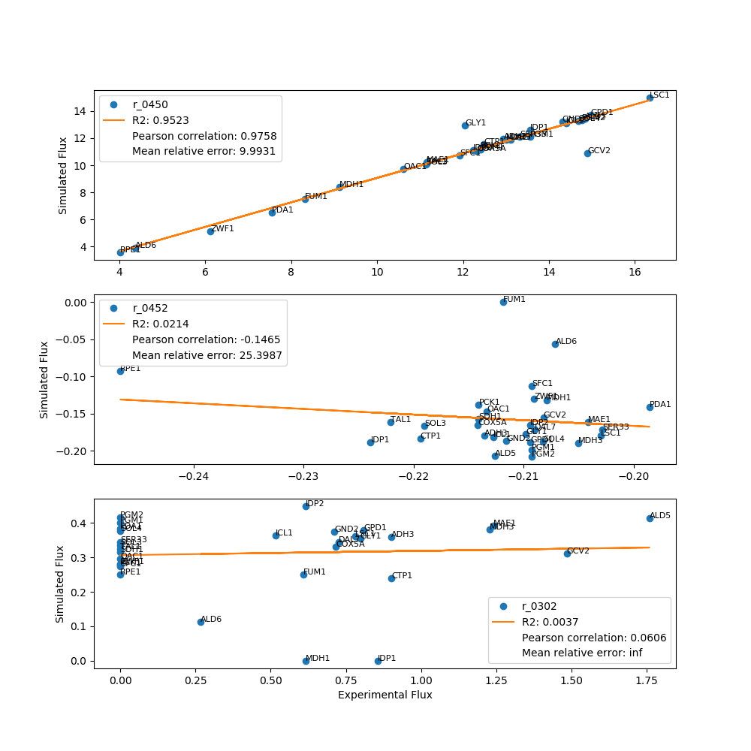
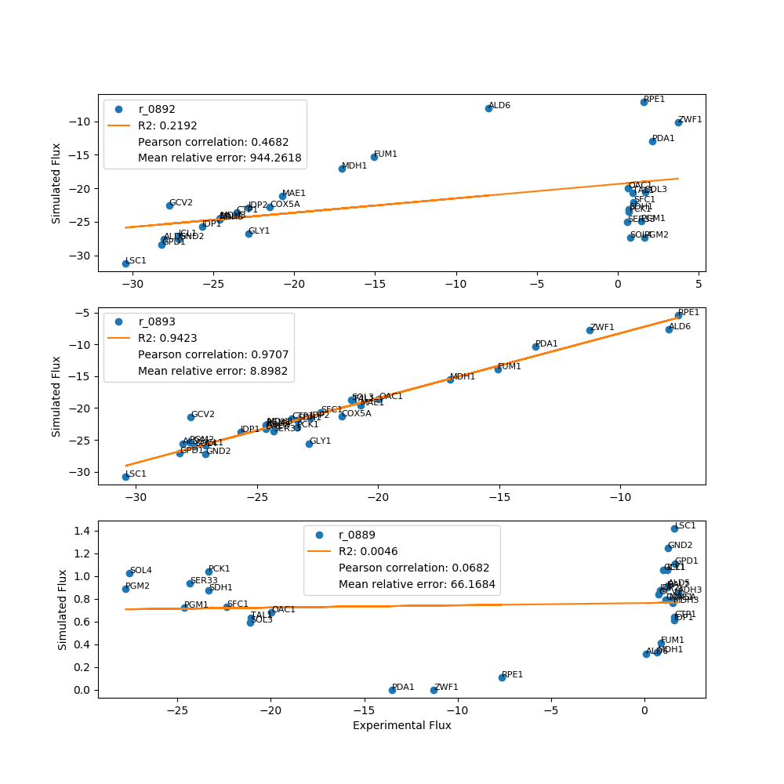
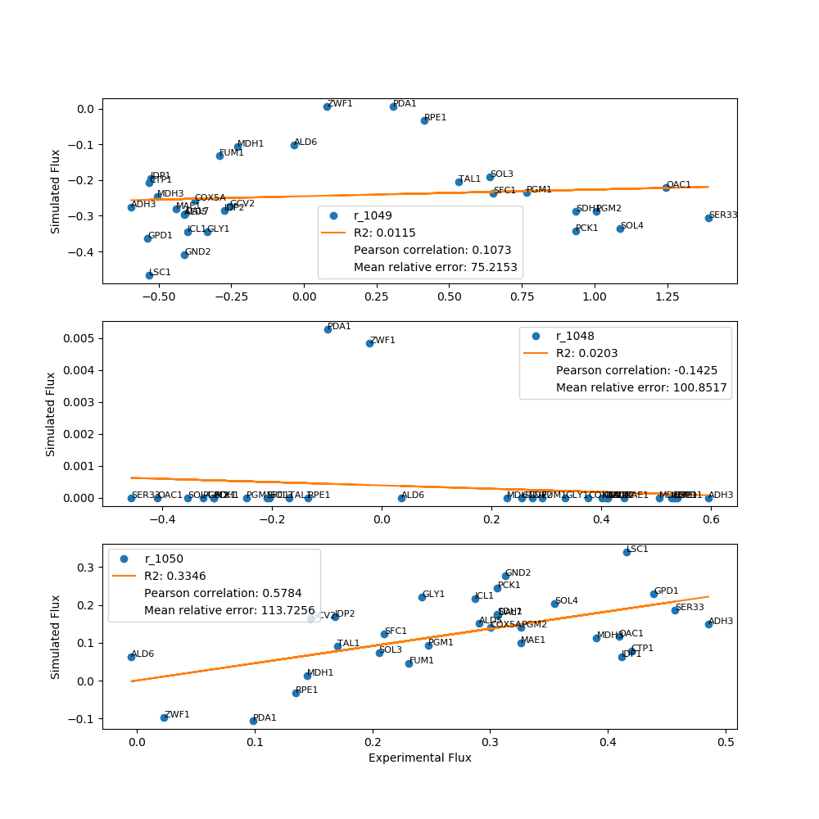
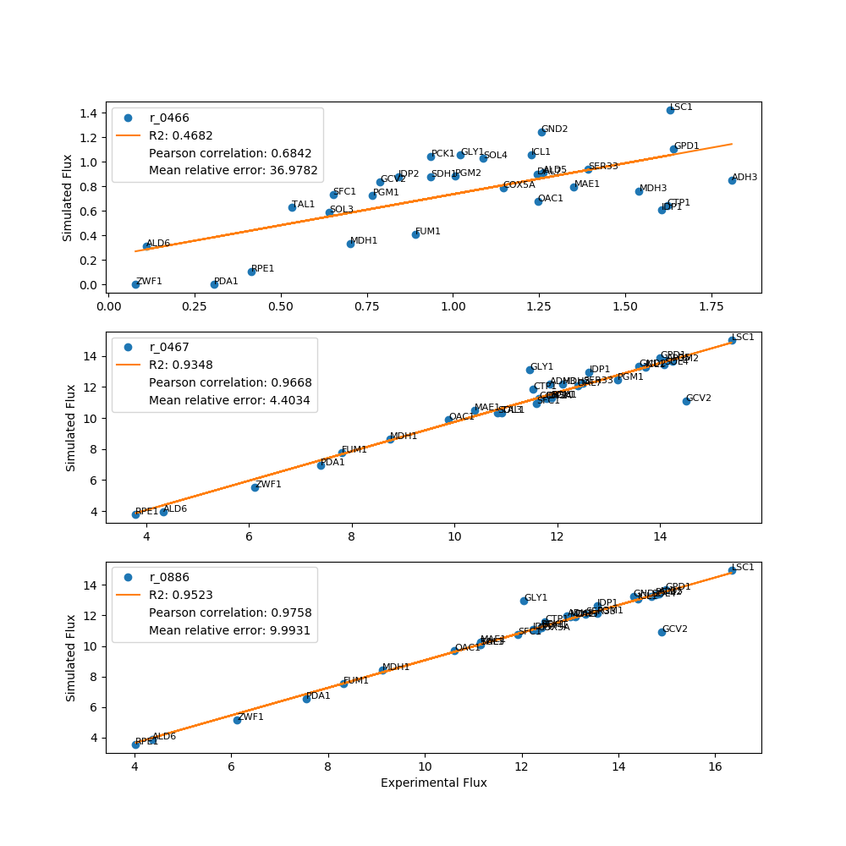
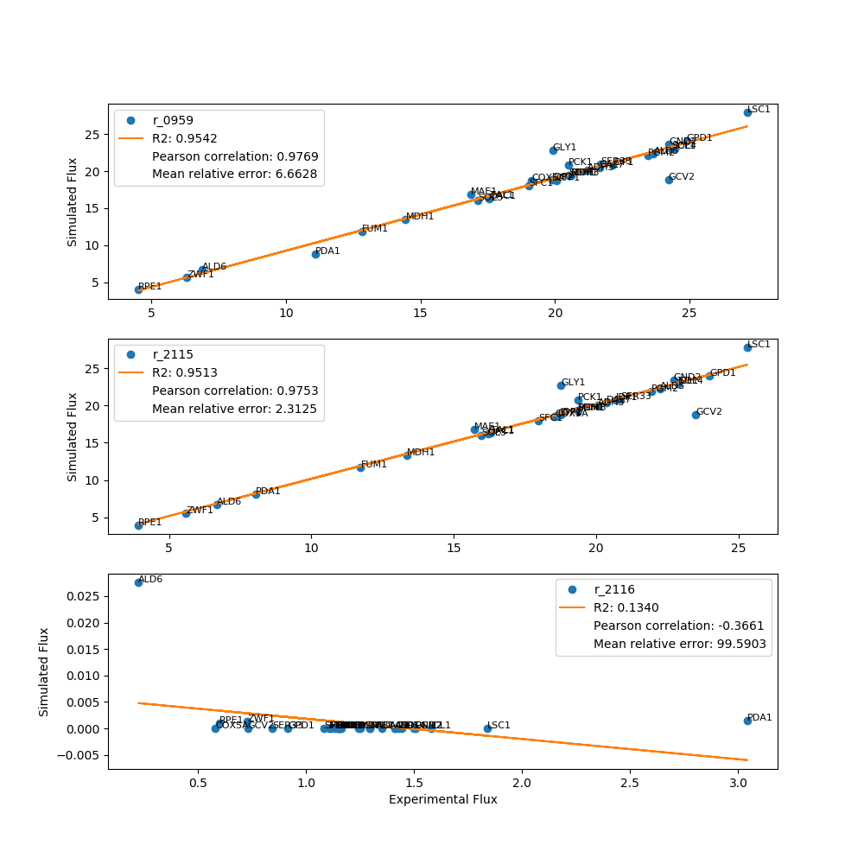
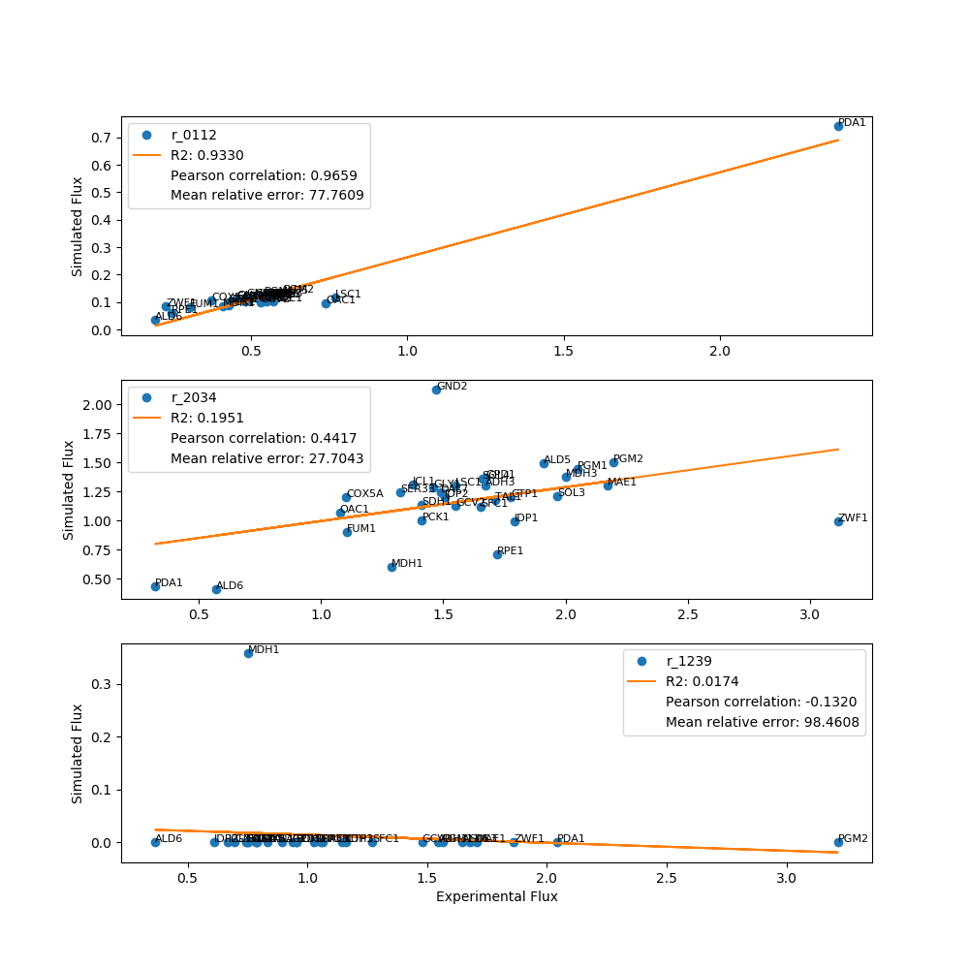
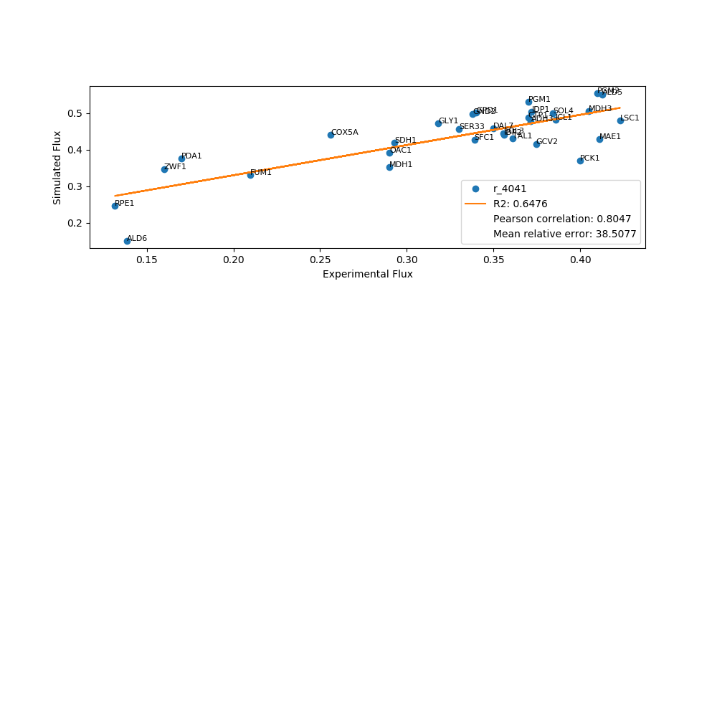
 | pFBA Results Case 7

Yeast7_ID | Reaction | ADH3_real_flux | ADH3_sim_flux | ADH3_abs_error | ADH3_rel_error | ALD5_real_flux | ALD5_sim_flux | ALD5_abs_error | ALD5_rel_error | ALD6_real_flux | ALD6_sim_flux | ALD6_abs_error | ALD6_rel_error | COX5A_real_flux | COX5A_sim_flux | COX5A_abs_error | COX5A_rel_error | CTP1_real_flux | CTP1_sim_flux | CTP1_abs_error | CTP1_rel_error | DAL7_real_flux | DAL7_sim_flux | DAL7_abs_error | DAL7_rel_error | FUM1_real_flux | FUM1_sim_flux | FUM1_abs_error | FUM1_rel_error | GND2_real_flux | GCV2_sim_flux | GND2_abs_error | GND2_rel_error | GCV2_real_flux | GLY1_sim_flux | GCV2_abs_error | GCV2_rel_error | GLY1_real_flux | GND2_sim_flux | GLY1_abs_error | GLY1_rel_error | GPD1_real_flux | GPD1_sim_flux | GPD1_abs_error | GPD1_rel_error | ICL1_real_flux | ICL1_sim_flux | ICL1_abs_error | ICL1_rel_error | IDP1_real_flux | IDP1_sim_flux | IDP1_abs_error | IDP1_rel_error | IDP2_real_flux | IDP2_sim_flux | IDP2_abs_error | IDP2_rel_error | LSC1_real_flux | LSC1_sim_flux | LSC1_abs_error | LSC1_rel_error | MAE1_real_flux | MAE1_sim_flux | MAE1_abs_error | MAE1_rel_error | MDH1_real_flux | MDH1_sim_flux | MDH1_abs_error | MDH1_rel_error | MDH3_real_flux | MDH3_sim_flux | MDH3_abs_error | MDH3_rel_error | OAC1_real_flux | OAC1_sim_flux | OAC1_abs_error | OAC1_rel_error | PCK1_real_flux | PCK1_sim_flux | PCK1_abs_error | PCK1_rel_error | PDA1_real_flux | PDA1_sim_flux | PDA1_abs_error | PDA1_rel_error | PGM1_real_flux | PGM1_sim_flux | PGM1_abs_error | PGM1_rel_error | PGM2_real_flux | PGM2_sim_flux | PGM2_abs_error | PGM2_rel_error | RPE1_real_flux | RPE1_sim_flux | RPE1_abs_error | RPE1_rel_error | SDH1_real_flux | SDH1_sim_flux | SDH1_abs_error | SDH1_rel_error | SER33_real_flux | SER33_sim_flux | SER33_abs_error | SER33_rel_error | SFC1_real_flux | SFC1_sim_flux | SFC1_abs_error | SFC1_rel_error | SOL3_real_flux | SOL3_sim_flux | SOL3_abs_error | SOL3_rel_error | SOL4_real_flux | SOL4_sim_flux | SOL4_abs_error | SOL4_rel_error | TAL1_real_flux | TAL1_sim_flux | TAL1_abs_error | TAL1_rel_error | ZWF1_real_flux | ZWF1_sim_flux | ZWF1_abs_error | ZWF1_rel_error
r_0534 | D-Glucose(ex) <==> D-Glucose-6-phosphate | 14.4000 | 14.4000 | 0.0000 | 0.0000 | 16.2000 | 16.2000 | 0.0000 | 0.0000 | 4.7000 | 4.7000 | 0.0000 | 0.0000 | 13.3000 | 13.3000 | 0.0000 | 0.0000 | 13.9000 | 13.9000 | 0.0000 | 0.0000 | 14.3000 | 14.3000 | 0.0000 | 0.0000 | 9.1000 | 9.1000 | 0.0000 | 0.0000 | 15.5000 | 16.0000 | 0.5000 | 3.2258 | 16.0000 | 13.1000 | 2.9000 | 18.1250 | 13.1000 | 15.5000 | 2.4000 | 18.3206 | 16.4000 | 16.4000 | 0.0000 | 0.0000 | 15.7000 | 15.7000 | 0.0000 | 0.0000 | 15.0000 | 15.0000 | 0.0000 | 0.0000 | 13.4000 | 13.4000 | 0.0000 | 0.0000 | 17.8000 | 17.8000 | 0.0000 | 0.0000 | 12.5000 | 12.5000 | 0.0000 | 0.0000 | 10.0000 | 10.0000 | 0.0000 | 0.0000 | 14.4000 | 14.4000 | 0.0000 | 0.0000 | 11.7000 | 11.7000 | 0.0000 | 0.0000 | 13.4000 | 13.4000 | 0.0000 | 0.0000 | 8.0000 | 8.0000 | 0.0000 | 0.0000 | 14.7000 | 14.7000 | 0.0000 | 0.0000 | 16.1000 | 16.1000 | 0.0000 | 0.0000 | 4.6000 | 4.6000 | 0.0000 | 0.0000 | 13.4000 | 13.4000 | 0.0000 | 0.0000 | 14.5000 | 14.5000 | 0.0000 | 0.0000 | 12.9000 | 12.9000 | 0.0000 | 0.0000 | 12.2000 | 12.2000 | 0.0000 | 0.0000 | 15.9000 | 15.9000 | 0.0000 | 0.0000 | 12.2000 | 12.2000 | 0.0000 | 0.0000 | 6.5000 | 6.5000 | 0.0000 | 0.0000
r_0962 | Pyruvate <==> Phosphoenolpyruvate | -24.5211 | -22.7714 | 1.7496 | 7.1353 | -27.8252 | -25.3554 | 2.4698 | 8.8761 | -7.9215 | -7.5459 | 0.3756 | 4.7414 | -21.3579 | -21.0546 | 0.3033 | 1.4201 | -23.3329 | -21.3896 | 1.9432 | 8.3283 | -24.6728 | -22.9759 | 1.6969 | 6.8777 | -14.9383 | -13.7141 | 1.2241 | 8.1947 | -27.5534 | -26.9750 | 0.5784 | 2.0993 | -27.5186 | -21.1352 | 6.3835 | 23.1969 | -22.8675 | -25.4042 | 2.5367 | 11.0929 | -28.2690 | -26.8215 | 1.4475 | 5.1205 | -27.1445 | -25.6347 | 1.5098 | 5.5621 | -26.0931 | -23.5449 | 2.5481 | 9.7656 | -22.6633 | -21.2728 | 1.3905 | 6.1355 | -31.0607 | -30.4998 | 0.5608 | 1.8055 | -20.8298 | -19.1962 | 1.6336 | 7.8425 | -16.8789 | -15.3345 | 1.5444 | 9.1498 | -24.3505 | -22.2011 | 2.1494 | 8.8268 | -20.0604 | -18.4246 | 1.6358 | 8.1544 | -23.1630 | -22.7770 | 0.3860 | 1.6664 | -13.4065 | -10.1612 | 3.2453 | 24.2069 | -24.4366 | -22.3395 | 2.0971 | 8.5820 | -28.1620 | -25.0501 | 3.1119 | 11.0501 | -7.7036 | -5.3068 | 2.3968 | 31.1128 | -23.1630 | -21.7401 | 1.4229 | 6.1429 | -24.2864 | -23.4483 | 0.8381 | 3.4507 | -22.1661 | -20.3996 | 1.7664 | 7.9691 | -21.9342 | -18.4650 | 3.4692 | 15.8165 | -27.4691 | -25.7182 | 1.7508 | 6.3738 | -21.8032 | -18.7329 | 3.0703 | 14.0820 | -11.1937 | -7.5258 | 3.6679 | 32.7678
r_0961 | Pyruvate-mit + CoA <==> Acetyl-CoA-mit + CO2-mit | 21.2158 | 0.8240 | 20.3918 | 96.1160 | 23.6592 | 0.9485 | 22.7108 | 95.9911 | 6.8999 | 0.2597 | 6.6402 | 96.2359 | 19.1303 | 0.7592 | 18.3710 | 96.0313 | 20.0413 | 0.8420 | 19.1993 | 95.7987 | 21.6635 | 0.7887 | 20.8748 | 96.3594 | 12.8422 | 0.5724 | 12.2698 | 95.5428 | 24.2182 | 1.5538 | 22.6644 | 93.5842 | 24.2147 | 0.7154 | 23.4993 | 97.0458 | 19.9145 | 0.8140 | 19.1005 | 95.9126 | 24.8850 | 0.8660 | 24.0190 | 96.5201 | 24.4604 | 0.8324 | 23.6280 | 96.5968 | 22.1304 | 0.8688 | 21.2617 | 96.0744 | 19.8921 | 0.7606 | 19.1315 | 96.1765 | 27.1351 | 0.8264 | 26.3087 | 96.9544 | 16.8764 | 0.7404 | 16.1359 | 95.6127 | 14.4500 | 0.6071 | 13.8429 | 95.7989 | 20.6004 | 0.8706 | 19.7298 | 95.7738 | 17.5464 | 0.6758 | 16.8706 | 96.1483 | 20.4918 | 0.6371 | 19.8546 | 96.8908 | 11.0818 | 0.0000 | 11.0818 | 100.0000 | 20.5964 | 0.9152 | 19.6812 | 95.5563 | 23.4361 | 0.9548 | 22.4813 | 95.9261 | 4.5268 | 0.4252 | 4.1017 | 90.6080 | 20.4918 | 0.7219 | 19.7699 | 96.4773 | 21.6932 | 0.7874 | 20.9059 | 96.3705 | 19.0397 | 0.7375 | 18.3021 | 96.1263 | 17.1263 | 0.7657 | 16.3606 | 95.5289 | 24.3158 | 0.8629 | 23.4529 | 96.4513 | 17.5892 | 0.7439 | 16.8453 | 95.7709 | 6.3310 | 0.5974 | 5.7336 | 90.5637
r_0718 | (S)-Malate-mit <==> Pyruvate-mit + CO2-mit | 0.1144 | 0.0000 | 0.1144 | 100.0000 | 0.8310 | 0.0000 | 0.8310 | 100.0000 | 0.0139 | 0.0000 | 0.0139 | 100.0000 | 0.2295 | 0.0000 | 0.2295 | 100.0000 | 0.0031 | 0.0000 | 0.0031 | 100.0000 | 0.0460 | 0.0000 | 0.0460 | 100.0000 | 0.0000 | 0.0000 | 0.0000 |  | 0.0395 | 0.0000 | 0.0395 | 100.0000 | 0.8028 | 0.0000 | 0.8028 | 100.0000 | 0.0843 | 0.0000 | 0.0843 | 100.0000 | 0.0000 | 0.0000 | 0.0000 |  | 0.0621 | 0.0000 | 0.0621 | 100.0000 | 0.0000 | 0.0000 | 0.0000 |  | 0.0000 | 0.1170 | 0.1170 | inf | 0.0000 | 0.0000 | 0.0000 |  | 0.0000 | 0.0000 | 0.0000 |  | 0.0000 | 0.0934 | 0.0934 | inf | 0.1501 | 0.0000 | 0.1501 | 100.0000 | 0.0000 | 0.0000 | 0.0000 |  | 0.0000 | 0.0000 | 0.0000 |  | 0.0219 | 0.0000 | 0.0219 | 100.0000 | 0.3193 | 0.0000 | 0.3193 | 100.0000 | 0.4726 | 0.0000 | 0.4726 | 100.0000 | 0.3304 | 0.0397 | 0.2907 | 87.9894 | 0.0000 | 0.0000 | 0.0000 |  | 0.0000 | 0.0000 | 0.0000 |  | 0.1081 | 0.0000 | 0.1081 | 100.0000 | 0.5994 | 0.0000 | 0.5994 | 100.0000 | 0.0000 | 0.0000 | 0.0000 |  | 0.1264 | 0.0000 | 0.1264 | 100.0000 | 1.0602 | 0.0000 | 1.0602 | 100.0000
r_2131 | Isocitrate <==> 2-Oxoglutarate + CO2-mit | 0.9001 | 0.3600 | 0.5402 | 60.0102 | 1.7595 | 0.4143 | 1.3452 | 76.4528 | 0.2676 | 0.1135 | 0.1541 | 57.5960 | 0.7162 | 0.3317 | 0.3846 | 53.6945 | 0.9016 | 0.2388 | 0.6628 | 73.5162 | 0.7268 | 0.3445 | 0.3823 | 52.6012 | 0.6092 | 0.2500 | 0.3591 | 58.9540 | 0.7116 | 0.3745 | 0.3371 | 47.3717 | 1.4842 | 0.3125 | 1.1717 | 78.9449 | 0.7980 | 0.3556 | 0.4424 | 55.4412 | 0.8094 | 0.3783 | 0.4311 | 53.2658 | 0.5171 | 0.3636 | 0.1534 | 29.6723 | 0.8549 | 0.0000 | 0.8549 | 100.0000 | 0.6151 | 0.4493 | 0.1659 | 26.9636 | 0.7808 | 0.3610 | 0.4198 | 53.7668 | 1.2396 | 0.3926 | 0.8471 | 68.3336 | 0.6157 | 0.0000 | 0.6157 | 100.0000 | 1.2281 | 0.3803 | 0.8478 | 69.0328 | 0.6502 | 0.2952 | 0.3549 | 54.5929 | 0.7098 | 0.2783 | 0.4315 | 60.7882 | 2.1223 | 0.2840 | 1.8384 | 86.6203 | 1.4606 | 0.3998 | 1.0608 | 72.6268 | 1.6460 | 0.4171 | 1.2290 | 74.6619 | 1.6073 | 0.2254 | 1.3819 | 85.9758 | 0.7098 | 0.3153 | 0.3945 | 55.5741 | 0.5794 | 0.3439 | 0.2354 | 40.6358 | 0.9711 | 0.2749 | 0.6962 | 71.6920 | 1.6872 | 0.3345 | 1.3527 | 80.1739 | 0.7672 | 0.3769 | 0.3902 | 50.8652 | 0.9340 | 0.3249 | 0.6090 | 65.2086 | 3.7306 | 0.2610 | 3.4696 | 93.0047
r_0713 | (S)-Malate-mit <==> Oxaloacetate-mit | 0.0991 | 0.4868 | 0.3877 | 391.1479 | 0.2248 | 0.5603 | 0.3355 | 149.2591 | 0.0396 | 0.1534 | 0.1138 | 287.0523 | 0.0389 | 0.4485 | 0.4095 | 1,051.8204 | 0.0735 | 0.4974 | 0.4239 | 576.9553 | 0.0560 | 0.4659 | 0.4099 | 732.0943 | 0.0000 | 0.3381 | 0.3381 | inf | 0.0668 | 1.2029 | 1.1361 | 1,700.5875 | 0.3098 | 0.4226 | 0.1128 | 36.4084 | 0.0542 | 0.4808 | 0.4266 | 787.0848 | 0.0090 | 0.5115 | 0.5025 | 5,573.6533 | 0.0631 | 0.4917 | 0.4286 | 679.2151 | 0.0471 | 0.5132 | 0.4660 | 988.7163 | 0.0331 | 0.4493 | 0.4162 | 1,258.9194 | 0.0029 | 0.4882 | 0.4853 | 16,655.1077 | 0.4699 | 0.4374 | 0.0325 | 6.9167 | 0.0000 | 0.0000 | 0.0000 |  | 0.1923 | 0.5143 | 0.3220 | 167.4910 | 0.0582 | 0.3992 | 0.3410 | 586.1943 | 0.0000 | 0.3764 | 0.3764 | inf | 0.4627 | 0.3840 | 0.0787 | 17.0034 | 0.3414 | 0.5406 | 0.1993 | 58.3743 | 0.4476 | 0.5640 | 0.1164 | 26.0163 | 0.5983 | 0.2511 | 0.3472 | 58.0237 | 0.0000 | 0.4264 | 0.4264 | inf | 0.0000 | 0.4651 | 0.4651 | inf | 0.1131 | 0.4357 | 0.3225 | 285.1327 | 0.5124 | 0.4523 | 0.0601 | 11.7298 | 0.0468 | 0.5097 | 0.4629 | 988.5313 | 0.1031 | 0.4394 | 0.3363 | 326.3313 | 2.3514 | 0.3529 | 1.9985 | 84.9919
r_0300 | Citrate + CoA <==> Acetyl-CoA-mit + Oxaloacetate-mit | -0.9001 | -0.4868 | 0.4134 | 45.9236 | -1.7595 | -0.5603 | 1.1993 | 68.1582 | -0.2676 | -0.1534 | 0.1141 | 42.6589 | -0.7162 | -0.4485 | 0.2678 | 37.3832 | -0.9016 | -0.4974 | 0.4042 | 44.8348 | -0.7268 | -0.4659 | 0.2610 | 35.9047 | -0.6092 | -0.3381 | 0.2710 | 44.4947 | -0.7116 | -1.2029 | 0.4913 | 69.0452 | -1.4842 | -0.4226 | 1.0616 | 71.5282 | -0.7980 | -0.4808 | 0.3172 | 39.7452 | -0.8094 | -0.5115 | 0.2979 | 36.8034 | -0.5171 | -0.4917 | 0.0253 | 4.8990 | -0.8549 | -0.5132 | 0.3417 | 39.9705 | -0.6151 | -0.4493 | 0.1659 | 26.9636 | -0.7808 | -0.4882 | 0.2927 | 37.4809 | -1.2396 | -0.4374 | 0.8023 | 64.7178 | -0.6157 | -0.3586 | 0.2571 | 41.7556 | -1.2281 | -0.5143 | 0.7138 | 58.1244 | -0.7012 | -0.3992 | 0.3020 | 43.0668 | -0.7098 | -0.3764 | 0.3334 | 46.9757 | -2.1223 | -0.3840 | 1.7383 | 81.9072 | -1.4606 | -0.5406 | 0.9199 | 62.9845 | -1.6460 | -0.5640 | 1.0821 | 65.7364 | -1.6073 | -0.2511 | 1.3561 | 84.3745 | -0.7098 | -0.4264 | 0.2834 | 39.9249 | -0.5794 | -0.4651 | 0.1143 | 19.7244 | -0.9711 | -0.4357 | 0.5354 | 55.1340 | -1.6872 | -0.4523 | 1.2348 | 73.1900 | -0.7672 | -0.5097 | 0.2574 | 33.5572 | -0.9340 | -0.4394 | 0.4946 | 52.9532 | -3.8006 | -0.3529 | 3.4477 | 90.7147
r_1022 | Succinate-mit + CoA <==> Succinyl-CoA | -0.5201 | 0.0000 | 0.5201 | 100.0000 | -1.3405 | 0.0000 | 1.3405 | 100.0000 | -0.1318 | 0.0000 | 0.1318 | 100.0000 | -0.4529 | 0.0000 | 0.4529 | 100.0000 | -0.5164 | 0.0000 | 0.5164 | 100.0000 | -0.3819 | 0.0000 | 0.3819 | 100.0000 | -0.3963 | 0.0000 | 0.3963 | 100.0000 | -0.3705 | -0.6965 | 0.3260 | 88.0003 | -1.1126 | 0.0000 | 1.1126 | 100.0000 | -0.4798 | 0.0000 | 0.4798 | 100.0000 | -0.4398 | 0.0000 | 0.4398 | 100.0000 | -0.1252 | 0.0000 | 0.1252 | 100.0000 | -0.4542 | 0.0000 | 0.4542 | 100.0000 | -0.2334 | 0.0000 | 0.2334 | 100.0000 | -0.3720 | 0.0000 | 0.3720 | 100.0000 | -0.8411 | 0.0000 | 0.8411 | 100.0000 | -0.3282 | 0.0000 | 0.3282 | 100.0000 | -0.8338 | 0.0000 | 0.8338 | 100.0000 | -0.3542 | 0.0000 | 0.3542 | 100.0000 | -0.4097 | 0.0000 | 0.4097 | 100.0000 | -1.9637 | 0.0000 | 1.9637 | 100.0000 | -1.0712 | 0.0000 | 1.0712 | 100.0000 | -1.2105 | 0.0000 | 1.2105 | 100.0000 | -1.4138 | 0.0000 | 1.4138 | 100.0000 | -0.4097 | 0.0000 | 0.4097 | 100.0000 | -0.2620 | 0.0000 | 0.2620 | 100.0000 | -0.6327 | 0.0000 | 0.6327 | 100.0000 | -1.3110 | 0.0000 | 1.3110 | 100.0000 | -0.3856 | 0.0000 | 0.3856 | 100.0000 | -0.5483 | 0.0000 | 0.5483 | 100.0000 | -3.5715 | 0.0000 | 3.5715 | 100.0000
r_0454 | Succinate-mit <==> Fumarate | 0.2135 | 0.0000 | 0.2135 | 100.0000 | 1.0557 | 0.0000 | 1.0557 | 100.0000 | 0.0525 | 0.0000 | 0.0525 | 100.0000 | 0.2685 | 0.0000 | 0.2685 | 100.0000 | 0.0766 | 0.0000 | 0.0766 | 100.0000 | 0.1020 | 0.0000 | 0.1020 | 100.0000 | 0.1014 | 0.0000 | 0.1014 | 100.0000 | 0.1073 | 0.0000 | 0.1073 | 100.0000 | 1.1126 | 0.0000 | 1.1126 | 100.0000 | 0.1385 | 0.0000 | 0.1385 | 100.0000 | 0.0090 | 0.0000 | 0.0090 | 100.0000 | 0.1252 | 0.0000 | 0.1252 | 100.0000 | 0.0471 | 0.0000 | 0.0471 | 100.0000 | 0.0331 | 0.0000 | 0.0331 | 100.0000 | 0.0029 | 0.0000 | 0.0029 | 100.0000 | 0.4699 | 0.0000 | 0.4699 | 100.0000 | 0.0000 | 0.0000 | 0.0000 |  | 0.3433 | 0.0000 | 0.3433 | 100.0000 | 0.0582 | 0.0000 | 0.0582 | 100.0000 | 0.0000 | 0.0000 | 0.0000 |  | 0.7695 | 0.0000 | 0.7695 | 100.0000 | 0.6807 | 0.0000 | 0.6807 | 100.0000 | 0.9201 | 0.0000 | 0.9201 | 100.0000 | 0.9417 | 0.0000 | 0.9417 | 100.0000 | 0.0000 | 0.0000 | 0.0000 |  | 0.0000 | 0.0000 | 0.0000 |  | 0.2222 | 0.0000 | 0.2222 | 100.0000 | 1.1119 | 0.0000 | 1.1119 | 100.0000 | 0.0468 | 0.0000 | 0.0468 | 100.0000 | 0.2295 | 0.0000 | 0.2295 | 100.0000 | 3.5215 | 0.0000 | 3.5215 | 100.0000
r_0366 | 2-Phospho-D-glycerate <==> Phosphoenolpyruvate | 24.6008 | 23.0240 | 1.5768 | 6.4095 | 28.0673 | 25.6461 | 2.4212 | 8.6263 | 8.0008 | 7.6255 | 0.3753 | 4.6903 | 21.5095 | 21.2873 | 0.2223 | 1.0333 | 23.5585 | 21.6477 | 1.9108 | 8.1110 | 24.6268 | 23.2176 | 1.4092 | 5.7223 | 15.0609 | 13.8896 | 1.1714 | 7.7775 | 27.1131 | 27.2377 | 0.1246 | 0.4597 | 27.7338 | 21.3544 | 6.3794 | 23.0022 | 22.8455 | 25.6537 | 2.8082 | 12.2923 | 28.1868 | 27.0869 | 1.1000 | 3.9024 | 27.1251 | 25.8898 | 1.2353 | 4.5542 | 25.6656 | 23.8112 | 1.8544 | 7.2254 | 22.8045 | 21.5059 | 1.2987 | 5.6948 | 30.4216 | 30.7531 | 0.3315 | 1.0898 | 20.7301 | 19.5613 | 1.1688 | 5.6380 | 17.0450 | 15.5205 | 1.5244 | 8.9435 | 24.5801 | 22.4680 | 2.1121 | 8.5927 | 19.9695 | 18.6317 | 1.3378 | 6.6993 | 23.3361 | 22.9722 | 0.3638 | 1.5590 | 13.4996 | 10.3604 | 3.1392 | 23.2537 | 24.6228 | 22.6200 | 2.0028 | 8.1341 | 27.7775 | 25.3427 | 2.4348 | 8.7654 | 7.6258 | 5.4371 | 2.1886 | 28.7005 | 23.3361 | 21.9613 | 1.3747 | 5.8910 | 24.3242 | 23.6896 | 0.6346 | 2.6089 | 22.3623 | 20.6257 | 1.7366 | 7.7658 | 21.1043 | 18.6997 | 2.4046 | 11.3938 | 27.5797 | 25.9827 | 1.5970 | 5.7904 | 21.0573 | 18.9608 | 2.0964 | 9.9559 | 11.2637 | 7.7089 | 3.5549 | 31.5602
r_1054 | D-Glyceraldehyde-3-phosphate <==> Glycerone-phosphate | -12.9420 | -12.2320 | 0.7100 | 5.4859 | -14.8361 | -13.7257 | 1.1104 | 7.4843 | -4.3591 | -4.0020 | 0.3572 | 8.1933 | -12.3256 | -11.3007 | 1.0249 | 8.3150 | -12.4809 | -11.7606 | 0.7203 | 5.7715 | -13.1112 | -12.1959 | 0.9154 | 6.9816 | -8.3236 | -7.6537 | 0.6699 | 8.0483 | -14.3117 | -13.6243 | 0.6874 | 4.8030 | -14.9013 | -11.1842 | 3.7171 | 24.9450 | -12.0430 | -13.2866 | 1.2435 | 10.3259 | -14.9785 | -14.0503 | 0.9282 | 6.1968 | -14.4074 | -13.4449 | 0.9624 | 6.6800 | -13.5591 | -12.8101 | 0.7490 | 5.5242 | -12.2278 | -11.3681 | 0.8597 | 7.0308 | -16.3413 | -15.4365 | 0.9047 | 5.5365 | -11.1539 | -10.5191 | 0.6348 | 5.6913 | -9.1217 | -8.5007 | 0.6210 | 6.8080 | -13.0002 | -12.1553 | 0.8449 | 6.4992 | -10.6160 | -9.9281 | 0.6879 | 6.4799 | -12.4106 | -11.5961 | 0.8145 | 6.5632 | -7.5430 | -6.5132 | 1.0298 | 13.6524 | -13.5558 | -12.3649 | 1.1908 | 8.7846 | -14.7673 | -13.6210 | 1.1464 | 7.7628 | -4.0194 | -3.5916 | 0.4278 | 10.6442 | -12.4106 | -11.4566 | 0.9540 | 7.6871 | -13.3238 | -12.3868 | 0.9370 | 7.0326 | -11.9229 | -10.9699 | 0.9530 | 7.9932 | -11.1416 | -10.2519 | 0.8897 | 7.9850 | -14.6795 | -13.5835 | 1.0960 | 7.4662 | -11.1492 | -10.2880 | 0.8612 | 7.7242 | -6.1149 | -5.1336 | 0.9813 | 16.0477
r_0486 | D-Glyceraldehyde-3-phosphate <==> 3-Phospho-D-glyceroyl-phosphate | 24.6008 | 24.6324 | 0.0316 | 0.1284 | 28.0673 | 27.6240 | 0.4432 | 1.5791 | 8.0008 | 8.0717 | 0.0709 | 0.8861 | 21.5095 | 22.7582 | 1.2487 | 5.8054 | 23.5585 | 23.6173 | 0.0588 | 0.2494 | 24.6268 | 24.5820 | 0.0449 | 0.1822 | 15.0609 | 15.3646 | 0.3037 | 2.0166 | 27.1131 | 27.5438 | 0.4307 | 1.5887 | 27.7338 | 22.5482 | 5.1856 | 18.6977 | 22.8455 | 26.8113 | 3.9658 | 17.3594 | 28.1868 | 28.3488 | 0.1620 | 0.5747 | 27.1251 | 27.1248 | 0.0003 | 0.0010 | 25.6656 | 25.7019 | 0.0363 | 0.1413 | 22.8045 | 22.9224 | 0.1178 | 0.5167 | 30.4216 | 31.2310 | 0.8094 | 2.6607 | 20.7301 | 21.1532 | 0.4231 | 2.0408 | 17.0450 | 17.0276 | 0.0174 | 0.1021 | 24.5801 | 24.4426 | 0.1375 | 0.5594 | 19.9695 | 19.9881 | 0.0186 | 0.0930 | 23.3361 | 23.4499 | 0.1139 | 0.4879 | 13.4996 | 12.9358 | 0.5638 | 4.1766 | 24.6228 | 24.8439 | 0.2211 | 0.8978 | 27.7775 | 27.4040 | 0.3735 | 1.3446 | 7.6258 | 7.1598 | 0.4659 | 6.1101 | 23.3361 | 23.1048 | 0.2312 | 0.9909 | 24.3242 | 24.9761 | 0.6518 | 2.6798 | 22.3623 | 22.0801 | 0.2822 | 1.2618 | 21.1043 | 20.5937 | 0.5106 | 2.4193 | 27.5797 | 27.3895 | 0.1901 | 0.6894 | 21.0573 | 20.6828 | 0.3744 | 1.7782 | 11.2637 | 10.1839 | 1.0798 | 9.5868
r_0450 | D-Fructose-1,6-bisphosphate <==> Glycerone-phosphate + D-Glyceraldehyde-3-phosphate | 12.9420 | 11.9598 | 0.9822 | 7.5892 | 14.8361 | 13.4335 | 1.4026 | 9.4538 | 4.3591 | 3.9014 | 0.4577 | 10.4995 | 12.3256 | 11.0481 | 1.2775 | 10.3646 | 12.4809 | 11.5583 | 0.9226 | 7.3924 | 13.1112 | 11.9062 | 1.2051 | 9.1912 | 8.3236 | 7.5242 | 0.7994 | 9.6035 | 14.3117 | 13.2209 | 1.0908 | 7.6218 | 14.9013 | 10.9141 | 3.9872 | 26.7574 | 12.0430 | 12.9458 | 0.9028 | 7.4964 | 14.9785 | 13.6928 | 1.2856 | 8.5832 | 14.4074 | 13.1050 | 1.3024 | 9.0396 | 13.5591 | 12.6189 | 0.9403 | 6.9345 | 12.2278 | 11.0860 | 1.1418 | 9.3379 | 16.3413 | 14.9743 | 1.3669 | 8.3649 | 11.1539 | 10.2416 | 0.9123 | 8.1794 | 9.1217 | 8.3981 | 0.7237 | 7.9335 | 13.0002 | 11.9136 | 1.0866 | 8.3586 | 10.6160 | 9.7111 | 0.9050 | 8.5244 | 12.4106 | 11.2579 | 1.1527 | 9.2877 | 7.5430 | 6.5167 | 1.0263 | 13.6065 | 13.5558 | 12.1355 | 1.4203 | 10.4771 | 14.7673 | 13.3385 | 1.4288 | 9.6755 | 4.0194 | 3.5613 | 0.4581 | 11.3983 | 12.4106 | 11.1739 | 1.2367 | 9.9651 | 13.3238 | 12.0849 | 1.2388 | 9.2980 | 11.9229 | 10.7366 | 1.1863 | 9.9498 | 11.1416 | 10.0655 | 1.0761 | 9.6580 | 14.6795 | 13.2522 | 1.4273 | 9.7230 | 11.1492 | 10.0873 | 1.0619 | 9.5245 | 6.1149 | 5.1368 | 0.9781 | 15.9956
r_0452 | (S)-Malate-mit <==> Fumarate | -0.2135 | -0.1794 | 0.0341 | 15.9645 | -0.2126 | -0.2065 | 0.0060 | 2.8323 | -0.2071 | -0.0566 | 0.1505 | 72.6908 | -0.2142 | -0.1653 | 0.0488 | 22.7947 | -0.2194 | -0.1834 | 0.0360 | 16.4134 | -0.2090 | -0.1717 | 0.0372 | 17.8061 | -0.2118 | 0.0000 | 0.2118 | 100.0000 | -0.2116 | -0.1867 | 0.0249 | 11.7506 | -0.2082 | -0.1558 | 0.0524 | 25.1692 | -0.2098 | -0.1773 | 0.0325 | 15.5037 | -0.2094 | -0.1886 | 0.0208 | 9.9292 | -0.2127 | -0.1813 | 0.0314 | 14.7827 | -0.2239 | -0.1892 | 0.0347 | 15.5020 | -0.2094 | -0.1656 | 0.0438 | 20.8982 | -0.2030 | -0.1800 | 0.0230 | 11.3360 | -0.2042 | -0.1612 | 0.0429 | 21.0245 | -0.2079 | -0.1322 | 0.0757 | 36.4049 | -0.2050 | -0.1896 | 0.0154 | 7.5208 | -0.2133 | -0.1472 | 0.0661 | 31.0077 | -0.2141 | -0.1387 | 0.0753 | 35.1833 | -0.1986 | -0.1416 | 0.0570 | 28.7035 | -0.2092 | -0.1993 | 0.0099 | 4.7384 | -0.2093 | -0.2079 | 0.0013 | 0.6396 | -0.2466 | -0.0926 | 0.1541 | 62.4606 | -0.2141 | -0.1572 | 0.0569 | 26.5644 | -0.2028 | -0.1715 | 0.0314 | 15.4650 | -0.2092 | -0.1133 | 0.0959 | 45.8395 | -0.2190 | -0.1668 | 0.0523 | 23.8620 | -0.2082 | -0.1879 | 0.0203 | 9.7562 | -0.2221 | -0.1620 | 0.0601 | 27.0546 | -0.2090 | -0.1301 | 0.0789 | 37.7624
r_0302 | Citrate <==> Isocitrate | 0.9001 | 0.3600 | 0.5402 | 60.0102 | 1.7595 | 0.4143 | 1.3452 | 76.4528 | 0.2676 | 0.1135 | 0.1541 | 57.5960 | 0.7162 | 0.3317 | 0.3846 | 53.6945 | 0.9016 | 0.2388 | 0.6628 | 73.5162 | 0.7268 | 0.3445 | 0.3823 | 52.6012 | 0.6092 | 0.2500 | 0.3591 | 58.9540 | 0.7116 | 0.3745 | 0.3371 | 47.3717 | 1.4842 | 0.3125 | 1.1717 | 78.9449 | 0.7980 | 0.3556 | 0.4424 | 55.4412 | 0.8094 | 0.3783 | 0.4311 | 53.2658 | 0.5171 | 0.3636 | 0.1534 | 29.6723 | 0.8549 | 0.0000 | 0.8549 | 100.0000 | 0.6151 | 0.4493 | 0.1659 | 26.9636 | 0.7808 | 0.3610 | 0.4198 | 53.7668 | 1.2396 | 0.3926 | 0.8471 | 68.3336 | 0.6157 | 0.0000 | 0.6157 | 100.0000 | 1.2281 | 0.3803 | 0.8478 | 69.0328 | 0.0000 | 0.2952 | 0.2952 | inf | 0.0000 | 0.2783 | 0.2783 | inf | 0.0000 | 0.3840 | 0.3840 | inf | 0.0000 | 0.3998 | 0.3998 | inf | 0.0000 | 0.4171 | 0.4171 | inf | 0.0000 | 0.2511 | 0.2511 | inf | 0.0000 | 0.3153 | 0.3153 | inf | 0.0000 | 0.3439 | 0.3439 | inf | 0.0000 | 0.2749 | 0.2749 | inf | 0.0000 | 0.3345 | 0.3345 | inf | 0.0000 | 0.3769 | 0.3769 | inf | 0.0000 | 0.3249 | 0.3249 | inf | 0.0000 | 0.2817 | 0.2817 | inf
r_0892 | 3-Phospho-D-glycerate <==> 3-Phospho-D-glyceroyl-phosphate | -24.6008 | -24.6324 | 0.0316 | 0.1284 | -28.0673 | -27.6240 | 0.4432 | 1.5791 | -8.0008 | -8.0717 | 0.0709 | 0.8861 | -21.5095 | -22.7582 | 1.2487 | 5.8054 | -23.5585 | -23.6173 | 0.0588 | 0.2494 | -24.6268 | -24.5820 | 0.0449 | 0.1822 | -15.0609 | -15.3646 | 0.3037 | 2.0166 | -27.1131 | -27.5438 | 0.4307 | 1.5887 | -27.7338 | -22.5482 | 5.1856 | 18.6977 | -22.8455 | -26.8113 | 3.9658 | 17.3594 | -28.1868 | -28.3488 | 0.1620 | 0.5747 | -27.1251 | -27.1248 | 0.0003 | 0.0010 | -25.6656 | -25.7019 | 0.0363 | 0.1413 | -22.8045 | -22.9224 | 0.1178 | 0.5167 | -30.4216 | -31.2310 | 0.8094 | 2.6607 | -20.7301 | -21.1532 | 0.4231 | 2.0408 | -17.0450 | -17.0276 | 0.0174 | 0.1021 | -24.5801 | -24.4426 | 0.1375 | 0.5594 | 0.6502 | -19.9881 | 20.6383 | 3,174.2854 | 0.7098 | -23.4499 | 24.1597 | 3,403.7749 | 2.1223 | -12.9358 | 15.0581 | 709.5123 | 1.4606 | -24.8439 | 26.3045 | 1,800.9482 | 1.6460 | -27.4040 | 29.0500 | 1,764.8393 | 1.6073 | -7.1598 | 8.7671 | 545.4602 | 0.7098 | -23.1048 | 23.8146 | 3,355.1568 | 0.5794 | -24.9761 | 25.5554 | 4,410.8326 | 0.9711 | -22.0801 | 23.0512 | 2,373.8282 | 1.6872 | -20.5937 | 22.2809 | 1,320.6073 | 0.7672 | -27.3895 | 28.1567 | 3,670.2795 | 0.9340 | -20.6828 | 21.6168 | 2,314.5162 | 3.7306 | -10.1839 | 13.9145 | 372.9848
r_0893 | 2-Phospho-D-glycerate <==> 3-Phospho-D-glycerate | -24.6008 | -23.0240 | 1.5768 | 6.4095 | -28.0673 | -25.6461 | 2.4212 | 8.6263 | -8.0008 | -7.6255 | 0.3753 | 4.6903 | -21.5095 | -21.2873 | 0.2223 | 1.0333 | -23.5585 | -21.6477 | 1.9108 | 8.1110 | -24.6268 | -23.2176 | 1.4092 | 5.7223 | -15.0609 | -13.8896 | 1.1714 | 7.7775 | -27.1131 | -27.2377 | 0.1246 | 0.4597 | -27.7338 | -21.3544 | 6.3794 | 23.0022 | -22.8455 | -25.6537 | 2.8082 | 12.2923 | -28.1868 | -27.0869 | 1.1000 | 3.9024 | -27.1251 | -25.8898 | 1.2353 | 4.5542 | -25.6656 | -23.8112 | 1.8544 | 7.2254 | -22.8045 | -21.5059 | 1.2987 | 5.6948 | -30.4216 | -30.7531 | 0.3315 | 1.0898 | -20.7301 | -19.5613 | 1.1688 | 5.6380 | -17.0450 | -15.5205 | 1.5244 | 8.9435 | -24.5801 | -22.4680 | 2.1121 | 8.5927 | -19.9695 | -18.6317 | 1.3378 | 6.6993 | -23.3361 | -22.9722 | 0.3638 | 1.5590 | -13.4996 | -10.3604 | 3.1392 | 23.2537 | -24.6228 | -22.6200 | 2.0028 | 8.1341 | -27.7775 | -25.3427 | 2.4348 | 8.7654 | -7.6258 | -5.4371 | 2.1886 | 28.7005 | -23.3361 | -21.9613 | 1.3747 | 5.8910 | -24.3242 | -23.6896 | 0.6346 | 2.6089 | -22.3623 | -20.6257 | 1.7366 | 7.7658 | -21.1043 | -18.6997 | 2.4046 | 11.3938 | -27.5797 | -25.9827 | 1.5970 | 5.7904 | -21.0573 | -18.9608 | 2.0964 | 9.9559 | -11.2637 | -7.7089 | 3.5549 | 31.5602
r_0889 | 6-Phospho-D-gluconate <==> D-Ribulose-5-phosphate + CO2 | 1.8084 | 0.8499 | 0.9586 | 53.0055 | 1.2622 | 0.9149 | 0.3473 | 27.5171 | 0.1110 | 0.3121 | 0.2011 | 181.1763 | 1.1456 | 0.7885 | 0.3571 | 31.1695 | 1.6216 | 0.6408 | 0.9808 | 60.4823 | 1.2447 | 0.9009 | 0.3438 | 27.6224 | 0.8899 | 0.4114 | 0.4785 | 53.7683 | 1.2562 | 1.2448 | 0.0113 | 0.9022 | 0.7889 | 0.8390 | 0.0501 | 6.3546 | 1.0218 | 1.0551 | 0.0333 | 3.2551 | 1.6399 | 1.1073 | 0.5326 | 32.4796 | 1.2275 | 1.0534 | 0.1741 | 14.1825 | 1.6058 | 0.6087 | 0.9971 | 62.0926 | 0.8426 | 0.8770 | 0.0344 | 4.0832 | 1.6287 | 1.4199 | 0.2088 | 12.8192 | 1.3510 | 0.7933 | 0.5577 | 41.2815 | 0.7012 | 0.3325 | 0.3688 | 52.5893 | 1.5401 | 0.7603 | 0.7798 | 50.6320 | -19.9695 | 0.6784 | 20.6479 | 103.3971 | -23.3361 | 1.0401 | 24.3761 | 104.4570 | -13.4996 | 0.0000 | 13.4996 | 100.0000 | -24.6228 | 0.7252 | 25.3480 | 102.9453 | -27.7775 | 0.8859 | 28.6634 | 103.1891 | -7.6258 | 0.1081 | 7.7338 | 101.4172 | -23.3361 | 0.8772 | 24.2133 | 103.7591 | -24.3242 | 0.9372 | 25.2614 | 103.8531 | -22.3623 | 0.7296 | 23.0919 | 103.2626 | -21.1043 | 0.5901 | 21.6943 | 102.7959 | -27.5797 | 1.0287 | 28.6083 | 103.7298 | -21.0573 | 0.6321 | 21.6894 | 103.0020 | -11.2637 | 0.0000 | 11.2637 | 100.0000
r_1049 | Sedoheptulose-7-phosphate + D-Glyceraldehyde-3-phosphate <==> D-Ribose-5-phosphate + D-Xylulose-5-phosphate | -0.5946 | -0.2766 | 0.3180 | 53.4835 | -0.4119 | -0.2973 | 0.1147 | 27.8338 | -0.0347 | -0.1019 | 0.0672 | 193.8471 | -0.3760 | -0.2567 | 0.1194 | 31.7445 | -0.5322 | -0.2068 | 0.3254 | 61.1422 | -0.4079 | -0.2939 | 0.1140 | 27.9489 | -0.2919 | -0.1325 | 0.1594 | 54.6097 | -0.4120 | -0.4080 | 0.0040 | 0.9670 | -0.2550 | -0.2739 | 0.0189 | 7.4026 | -0.3343 | -0.3451 | 0.0108 | 3.2436 | -0.5390 | -0.3621 | 0.1769 | 32.8207 | -0.4010 | -0.3444 | 0.0566 | 14.1238 | -0.5271 | -0.1959 | 0.3312 | 62.8389 | -0.2735 | -0.2862 | 0.0126 | 4.6234 | -0.5342 | -0.4666 | 0.0676 | 12.6475 | -0.4415 | -0.2815 | 0.1601 | 36.2549 | -0.2278 | -0.1059 | 0.1219 | 53.5090 | -0.5052 | -0.2464 | 0.2588 | 51.2311 | 1.2462 | -0.2206 | 1.4669 | 117.7049 | 0.9361 | -0.3415 | 1.2777 | 136.4821 | 0.3069 | 0.0053 | 0.3016 | 98.2816 | 0.7668 | -0.2343 | 1.0011 | 130.5560 | 1.0063 | -0.2875 | 1.2938 | 128.5754 | 0.4142 | -0.0326 | 0.4468 | 107.8647 | 0.9361 | -0.2866 | 1.2227 | 130.6100 | 1.3917 | -0.3060 | 1.6977 | 121.9898 | 0.6517 | -0.2372 | 0.8889 | 136.3994 | 0.6403 | -0.1905 | 0.8308 | 129.7485 | 1.0880 | -0.3359 | 1.4239 | 130.8732 | 0.5323 | -0.2047 | 0.7370 | 138.4493 | 0.0790 | 0.0048 | 0.0742 | 93.8670
r_1048 | Sedoheptulose-7-phosphate + D-Glyceraldehyde-3-phosphate <==> D-Erythrose-4-phosphate + D-Fructose-6-phosphate | 0.5946 | 0.0000 | 0.5946 | 100.0000 | 0.4119 | 0.0000 | 0.4119 | 100.0000 | 0.0347 | 0.0000 | 0.0347 | 100.0000 | 0.3760 | 0.0000 | 0.3760 | 100.0000 | 0.5322 | 0.0000 | 0.5322 | 100.0000 | 0.4079 | 0.0000 | 0.4079 | 100.0000 | 0.2919 | 0.0000 | 0.2919 | 100.0000 | 0.4120 | 0.0000 | 0.4120 | 100.0000 | 0.2550 | 0.0000 | 0.2550 | 100.0000 | 0.3343 | 0.0000 | 0.3343 | 100.0000 | 0.5390 | 0.0000 | 0.5390 | 100.0000 | 0.4010 | 0.0000 | 0.4010 | 100.0000 | 0.5271 | 0.0000 | 0.5271 | 100.0000 | 0.2735 | 0.0000 | 0.2735 | 100.0000 | 0.5342 | 0.0000 | 0.5342 | 100.0000 | 0.4415 | 0.0000 | 0.4415 | 100.0000 | 0.2278 | 0.0000 | 0.2278 | 100.0000 | 0.5052 | 0.0000 | 0.5052 | 100.0000 | -0.4093 | 0.0000 | 0.4093 | 100.0000 | -0.3062 | 0.0000 | 0.3062 | 100.0000 | -0.0988 | 0.0053 | 0.1041 | 105.3368 | -0.2473 | 0.0000 | 0.2473 | 100.0000 | -0.3264 | 0.0000 | 0.3264 | 100.0000 | -0.1345 | 0.0000 | 0.1345 | 100.0000 | -0.3062 | 0.0000 | 0.3062 | 100.0000 | -0.4571 | 0.0000 | 0.4571 | 100.0000 | -0.2102 | 0.0000 | 0.2102 | 100.0000 | -0.2054 | 0.0000 | 0.2054 | 100.0000 | -0.3547 | 0.0000 | 0.3547 | 100.0000 | -0.1700 | 0.0000 | 0.1700 | 100.0000 | -0.0230 | 0.0048 | 0.0278 | 121.0657
r_1050 | D-Fructose-6-phosphate + D-Glyceraldehyde-3-phosphate <==> D-Erythrose-4-phosphate + D-Xylulose-5-phosphate | 0.4853 | 0.1503 | 0.3350 | 69.0246 | 0.2909 | 0.1519 | 0.1390 | 47.7738 | -0.0050 | 0.0621 | 0.0671 | 1,353.6482 | 0.3002 | 0.1403 | 0.1599 | 53.2592 | 0.4198 | 0.0778 | 0.3421 | 81.4808 | 0.3069 | 0.1730 | 0.1339 | 43.6207 | 0.2311 | 0.0448 | 0.1863 | 80.6211 | 0.3128 | 0.2766 | 0.0362 | 11.5617 | 0.1474 | 0.1642 | 0.0168 | 11.4160 | 0.2419 | 0.2204 | 0.0215 | 8.9083 | 0.4388 | 0.2294 | 0.2094 | 47.7270 | 0.2870 | 0.2168 | 0.0702 | 24.4604 | 0.4114 | 0.0627 | 0.3486 | 84.7500 | 0.1683 | 0.1696 | 0.0013 | 0.7652 | 0.4157 | 0.3400 | 0.0757 | 18.2152 | 0.3263 | 0.0989 | 0.2274 | 69.6926 | 0.1442 | 0.0129 | 0.1314 | 91.0800 | 0.3904 | 0.1130 | 0.2775 | 71.0681 | 0.4093 | 0.1171 | 0.2922 | 71.3944 | 0.3062 | 0.2439 | 0.0624 | 20.3614 | 0.0988 | -0.1049 | 0.2037 | 206.1609 | 0.2473 | 0.0941 | 0.1532 | 61.9613 | 0.3264 | 0.1412 | 0.1852 | 56.7326 | 0.1345 | -0.0326 | 0.1671 | 124.2148 | 0.3062 | 0.1759 | 0.1303 | 42.5511 | 0.4571 | 0.1854 | 0.2717 | 59.4466 | 0.2102 | 0.1242 | 0.0860 | 40.9242 | 0.2054 | 0.0731 | 0.1323 | 64.3949 | 0.3547 | 0.2037 | 0.1510 | 42.5807 | 0.1700 | 0.0907 | 0.0793 | 46.6570 | 0.0230 | -0.0964 | 0.1194 | 519.0397
r_0466 | D-Glucose-6-phosphate <==> D-Glucono-1,5-lactone-6-phosphate | 1.8084 | 0.8499 | 0.9586 | 53.0055 | 1.2622 | 0.9149 | 0.3473 | 27.5171 | 0.1110 | 0.3121 | 0.2011 | 181.1763 | 1.1456 | 0.7885 | 0.3571 | 31.1695 | 1.6216 | 0.6408 | 0.9808 | 60.4823 | 1.2447 | 0.9009 | 0.3438 | 27.6224 | 0.8899 | 0.4114 | 0.4785 | 53.7683 | 1.2562 | 1.2448 | 0.0113 | 0.9022 | 0.7889 | 0.8390 | 0.0501 | 6.3546 | 1.0218 | 1.0551 | 0.0333 | 3.2551 | 1.6399 | 1.1073 | 0.5326 | 32.4796 | 1.2275 | 1.0534 | 0.1741 | 14.1825 | 1.6058 | 0.6087 | 0.9971 | 62.0926 | 0.8426 | 0.8770 | 0.0344 | 4.0832 | 1.6287 | 1.4199 | 0.2088 | 12.8192 | 1.3510 | 0.7933 | 0.5577 | 41.2815 | 0.7012 | 0.3325 | 0.3688 | 52.5893 | 1.5401 | 0.7603 | 0.7798 | 50.6320 | 1.2462 | 0.6784 | 0.5679 | 45.5657 | 0.9361 | 1.0401 | 0.1039 | 11.1025 | 0.3069 | 0.0000 | 0.3069 | 100.0000 | 0.7668 | 0.7252 | 0.0416 | 5.4277 | 1.0063 | 0.8859 | 0.1204 | 11.9648 | 0.4142 | 0.1081 | 0.3061 | 73.9083 | 0.9361 | 0.8772 | 0.0589 | 6.2936 | 1.3917 | 0.9372 | 0.4544 | 32.6539 | 0.6517 | 0.7296 | 0.0779 | 11.9521 | 0.6403 | 0.5901 | 0.0502 | 7.8441 | 1.0880 | 1.0287 | 0.0593 | 5.4502 | 0.5323 | 0.6321 | 0.0998 | 18.7482 | 0.0790 | 0.0000 | 0.0790 | 100.0000
r_0467 | D-Glucose-6-phosphate <==> D-Fructose-6-phosphate | 11.8621 | 12.1957 | 0.3336 | 2.8125 | 14.1333 | 13.7261 | 0.4072 | 2.8809 | 4.3304 | 3.9610 | 0.3693 | 8.5291 | 11.6483 | 11.2636 | 0.3847 | 3.3026 | 11.5279 | 11.8752 | 0.3473 | 3.0126 | 12.3964 | 12.1027 | 0.2937 | 2.3688 | 7.8006 | 7.7477 | 0.0529 | 0.6776 | 13.5869 | 13.3460 | 0.2409 | 1.7729 | 14.4989 | 11.0851 | 3.4138 | 23.5450 | 11.4679 | 13.1070 | 1.6391 | 14.2928 | 14.0018 | 13.8693 | 0.1324 | 0.9457 | 13.7193 | 13.2783 | 0.4410 | 3.2144 | 12.6207 | 12.9633 | 0.3426 | 2.7146 | 11.7870 | 11.2729 | 0.5141 | 4.3619 | 15.3905 | 15.0217 | 0.3688 | 2.3960 | 10.3861 | 10.4897 | 0.1036 | 0.9978 | 8.7498 | 8.6697 | 0.0800 | 0.9146 | 12.1046 | 12.2087 | 0.1040 | 0.8595 | 9.8822 | 9.9108 | 0.0286 | 0.2892 | 11.8852 | 11.3127 | 0.5725 | 4.8170 | 7.3920 | 6.9315 | 0.4605 | 6.2293 | 13.1683 | 12.4704 | 0.6979 | 5.3001 | 14.2347 | 13.6448 | 0.5899 | 4.1441 | 3.7975 | 3.7931 | 0.0044 | 0.1170 | 11.8852 | 11.3363 | 0.5489 | 4.6184 | 12.5018 | 12.2686 | 0.2332 | 1.8653 | 11.6006 | 10.9581 | 0.6425 | 5.5384 | 10.8377 | 10.3513 | 0.4864 | 4.4880 | 14.0808 | 13.4530 | 0.6278 | 4.4582 | 10.9218 | 10.3452 | 0.5766 | 5.2791 | 6.1149 | 5.5180 | 0.5969 | 9.7612
r_0886 | D-Fructose-6-phosphate <==> D-Fructose-1,6-bisphosphate | 12.9420 | 11.9598 | 0.9822 | 7.5892 | 14.8361 | 13.4335 | 1.4026 | 9.4538 | 4.3591 | 3.9014 | 0.4577 | 10.4995 | 12.3256 | 11.0481 | 1.2775 | 10.3646 | 12.4809 | 11.5583 | 0.9226 | 7.3924 | 13.1112 | 11.9062 | 1.2051 | 9.1912 | 8.3236 | 7.5242 | 0.7994 | 9.6035 | 14.3117 | 13.2209 | 1.0908 | 7.6218 | 14.9013 | 10.9141 | 3.9872 | 26.7574 | 12.0430 | 12.9458 | 0.9028 | 7.4964 | 14.9785 | 13.6928 | 1.2856 | 8.5832 | 14.4074 | 13.1050 | 1.3024 | 9.0396 | 13.5591 | 12.6189 | 0.9403 | 6.9345 | 12.2278 | 11.0860 | 1.1418 | 9.3379 | 16.3413 | 14.9743 | 1.3669 | 8.3649 | 11.1539 | 10.2416 | 0.9123 | 8.1794 | 9.1217 | 8.3981 | 0.7237 | 7.9335 | 13.0002 | 11.9136 | 1.0866 | 8.3586 | 10.6160 | 9.7111 | 0.9050 | 8.5244 | 12.4106 | 11.2579 | 1.1527 | 9.2877 | 7.5430 | 6.5167 | 1.0263 | 13.6065 | 13.5558 | 12.1355 | 1.4203 | 10.4771 | 14.7673 | 13.3385 | 1.4288 | 9.6755 | 4.0194 | 3.5613 | 0.4581 | 11.3983 | 12.4106 | 11.1739 | 1.2367 | 9.9651 | 13.3238 | 12.0849 | 1.2388 | 9.2980 | 11.9229 | 10.7366 | 1.1863 | 9.9498 | 11.1416 | 10.0655 | 1.0761 | 9.6580 | 14.6795 | 13.2522 | 1.4273 | 9.7230 | 11.1492 | 10.0873 | 1.0619 | 9.5245 | 6.1149 | 5.1368 | 0.9781 | 15.9956
r_0959 | Pyruvate <==> Acetaldehyde | 21.2163 | 20.1756 | 1.0407 | 4.9053 | 23.6597 | 22.3675 | 1.2922 | 5.4617 | 6.8992 | 6.7278 | 0.1714 | 2.4844 | 19.1315 | 18.6628 | 0.4687 | 2.4496 | 20.0406 | 18.7371 | 1.3034 | 6.5039 | 21.6640 | 20.4914 | 1.1726 | 5.4128 | 12.8413 | 11.7863 | 1.0551 | 8.2160 | 24.2193 | 23.5778 | 0.6414 | 2.6485 | 24.2144 | 18.8816 | 5.3328 | 22.0231 | 19.9142 | 22.8400 | 2.9258 | 14.6919 | 24.8860 | 24.0935 | 0.7925 | 3.1845 | 24.4602 | 23.0123 | 1.4479 | 5.9195 | 22.1309 | 20.8082 | 1.3227 | 5.9769 | 19.8919 | 18.8768 | 1.0152 | 5.1034 | 27.1347 | 27.8964 | 0.7617 | 2.8071 | 16.8770 | 16.8628 | 0.0142 | 0.0840 | 14.4492 | 13.4221 | 1.0271 | 7.1086 | 20.6001 | 19.4585 | 1.1416 | 5.5418 | 17.5474 | 16.2955 | 1.2519 | 7.1342 | 20.4919 | 20.7698 | 0.2780 | 1.3565 | 11.0826 | 8.7635 | 2.3191 | 20.9259 | 20.5965 | 19.4562 | 1.1402 | 5.5361 | 23.4369 | 22.0423 | 1.3946 | 5.9505 | 4.5267 | 3.9675 | 0.5592 | 12.3542 | 20.4919 | 19.4661 | 1.0258 | 5.0059 | 21.6930 | 20.9679 | 0.7250 | 3.3422 | 19.0391 | 18.0762 | 0.9629 | 5.0575 | 17.1262 | 16.0527 | 1.0734 | 6.2678 | 24.3164 | 22.9999 | 1.3165 | 5.4140 | 17.5893 | 16.3895 | 1.1997 | 6.8207 | 6.3312 | 5.6438 | 0.6874 | 10.8571
r_2115 | Acetaldehyde <==> Ethanol | 20.0620 | 20.0879 | 0.0260 | 0.1294 | 22.2490 | 22.2666 | 0.0176 | 0.0793 | 6.6750 | 6.7001 | 0.0252 | 0.3772 | 18.5520 | 18.5821 | 0.0301 | 0.1621 | 18.6280 | 18.6476 | 0.0196 | 0.1053 | 20.3690 | 20.4075 | 0.0385 | 0.1892 | 11.7267 | 11.7254 | 0.0013 | 0.0113 | 22.7196 | 23.4588 | 0.7392 | 3.2534 | 23.4845 | 18.8055 | 4.6790 | 19.9236 | 18.7572 | 22.7534 | 3.9962 | 21.3050 | 23.9702 | 24.0014 | 0.0312 | 0.1300 | 22.8825 | 22.9238 | 0.0413 | 0.1803 | 20.7036 | 20.7157 | 0.0121 | 0.0587 | 18.7582 | 18.7959 | 0.0376 | 0.2006 | 25.2964 | 27.8085 | 2.5122 | 9.9310 | 15.7208 | 16.7841 | 1.0632 | 6.7631 | 13.3430 | 13.3575 | 0.0145 | 0.1090 | 19.3488 | 19.3659 | 0.0171 | 0.0884 | 16.1947 | 16.2237 | 0.0290 | 0.1789 | 19.3466 | 20.7021 | 1.3555 | 7.0065 | 8.0414 | 8.0443 | 0.0029 | 0.0361 | 19.3526 | 19.3589 | 0.0063 | 0.0323 | 21.9308 | 21.9408 | 0.0100 | 0.0456 | 3.9261 | 3.9223 | 0.0039 | 0.0992 | 19.3466 | 19.3893 | 0.0427 | 0.2208 | 20.8505 | 20.8842 | 0.0337 | 0.1617 | 17.9555 | 17.9977 | 0.0422 | 0.2352 | 15.9643 | 15.9713 | 0.0070 | 0.0437 | 22.8750 | 22.9081 | 0.0332 | 0.1450 | 16.2961 | 16.3104 | 0.0143 | 0.0876 | 5.6026 | 5.5803 | 0.0223 | 0.3980
r_2116 | Acetaldehyde <==> Acetate | 1.1543 | 0.0000 | 1.1543 | 100.0000 | 1.4107 | 0.0000 | 1.4107 | 100.0000 | 0.2242 | 0.0276 | 0.1966 | 87.6784 | 0.5795 | 0.0000 | 0.5795 | 100.0000 | 1.4126 | 0.0000 | 1.4126 | 100.0000 | 1.2950 | 0.0000 | 1.2950 | 100.0000 | 1.1146 | 0.0000 | 1.1146 | 100.0000 | 1.4996 | 0.0000 | 1.4996 | 100.0000 | 0.7299 | 0.0000 | 0.7299 | 100.0000 | 1.1570 | 0.0000 | 1.1570 | 100.0000 | 0.9158 | 0.0000 | 0.9158 | 100.0000 | 1.5777 | 0.0000 | 1.5777 | 100.0000 | 1.4273 | 0.0000 | 1.4273 | 100.0000 | 1.1337 | 0.0000 | 1.1337 | 100.0000 | 1.8384 | 0.0000 | 1.8384 | 100.0000 | 1.1562 | 0.0000 | 1.1562 | 100.0000 | 1.1063 | 0.0000 | 1.1063 | 100.0000 | 1.2513 | 0.0000 | 1.2513 | 100.0000 | 1.3527 | 0.0000 | 1.3527 | 100.0000 | 1.1453 | 0.0000 | 1.1453 | 100.0000 | 3.0412 | 0.0014 | 3.0398 | 99.9524 | 1.2438 | 0.0000 | 1.2438 | 100.0000 | 1.5062 | 0.0000 | 1.5062 | 100.0000 | 0.6006 | 0.0009 | 0.5996 | 99.8464 | 1.1453 | 0.0000 | 1.1453 | 100.0000 | 0.8425 | 0.0000 | 0.8425 | 100.0000 | 1.0836 | 0.0000 | 1.0836 | 100.0000 | 1.1619 | 0.0000 | 1.1619 | 100.0000 | 1.4414 | 0.0000 | 1.4414 | 100.0000 | 1.2931 | 0.0000 | 1.2931 | 100.0000 | 0.7286 | 0.0013 | 0.7273 | 99.8226
r_0112 | Acetate <==> Acetyl-CoA | 0.5413 | 0.1150 | 0.4263 | 78.7504 | 0.5971 | 0.1324 | 0.4647 | 77.8254 | 0.1945 | 0.0363 | 0.1582 | 81.3582 | 0.3745 | 0.1060 | 0.2686 | 71.7037 | 0.5729 | 0.1175 | 0.4554 | 79.4853 | 0.4952 | 0.1101 | 0.3851 | 77.7686 | 0.3038 | 0.0799 | 0.2239 | 73.6957 | 0.4874 | 0.1197 | 0.3677 | 75.4475 | 0.5307 | 0.0999 | 0.4308 | 81.1835 | 0.4544 | 0.1136 | 0.3408 | 74.9943 | 0.5150 | 0.1209 | 0.3942 | 76.5301 | 0.5599 | 0.1162 | 0.4437 | 79.2469 | 0.5702 | 0.1213 | 0.4490 | 78.7338 | 0.5326 | 0.1062 | 0.4264 | 80.0651 | 0.7701 | 0.1154 | 0.6547 | 85.0194 | 0.5700 | 0.1034 | 0.4667 | 81.8682 | 0.4100 | 0.0847 | 0.3253 | 79.3342 | 0.5647 | 0.1215 | 0.4431 | 78.4778 | 0.7403 | 0.0943 | 0.6459 | 87.2564 | 0.4283 | 0.0889 | 0.3394 | 79.2368 | 2.3762 | 0.7408 | 1.6354 | 68.8247 | 0.5431 | 0.1278 | 0.4153 | 76.4757 | 0.6050 | 0.1333 | 0.4717 | 77.9714 | 0.2465 | 0.0593 | 0.1872 | 75.9272 | 0.4283 | 0.1008 | 0.3276 | 76.4758 | 0.4543 | 0.1099 | 0.3444 | 75.8059 | 0.4829 | 0.1030 | 0.3800 | 78.6819 | 0.5331 | 0.1069 | 0.4262 | 79.9495 | 0.5447 | 0.1205 | 0.4243 | 77.8877 | 0.5493 | 0.1038 | 0.4455 | 81.0976 | 0.2285 | 0.0834 | 0.1451 | 63.5080
r_2034 | Pyruvate <==> Pyruvate-mit | 1.6726 | 1.2999 | 0.3728 | 22.2867 | 1.9082 | 1.4962 | 0.4120 | 21.5926 | 0.5721 | 0.4097 | 0.1624 | 28.3832 | 1.1014 | 1.1976 | 0.0962 | 8.7378 | 1.7758 | 1.1992 | 0.5766 | 32.4706 | 1.4897 | 1.2441 | 0.2456 | 16.4860 | 1.1063 | 0.9029 | 0.2034 | 18.3859 | 1.4708 | 2.1273 | 0.6564 | 44.6277 | 1.5505 | 1.1284 | 0.4221 | 27.2210 | 1.4582 | 1.2840 | 0.1742 | 11.9471 | 1.6738 | 1.3660 | 0.3078 | 18.3894 | 1.3734 | 1.3131 | 0.0603 | 4.3880 | 1.7912 | 0.9909 | 0.8003 | 44.6786 | 1.5047 | 1.1998 | 0.3049 | 20.2633 | 1.5487 | 1.3036 | 0.2451 | 15.8259 | 2.1726 | 1.3048 | 0.8678 | 39.9421 | 1.2870 | 0.5990 | 0.6879 | 53.4539 | 2.0014 | 1.3734 | 0.6280 | 31.3782 | 1.0768 | 1.0661 | 0.0107 | 0.9910 | 1.4126 | 1.0051 | 0.4076 | 28.8516 | 0.3222 | 0.4348 | 0.1126 | 34.9645 | 2.0500 | 1.4438 | 0.6063 | 29.5731 | 2.1935 | 1.5061 | 0.6874 | 31.3379 | 1.7195 | 0.7096 | 1.0099 | 58.7334 | 1.4126 | 1.1387 | 0.2739 | 19.3907 | 1.3227 | 1.2420 | 0.0807 | 6.1015 | 1.6534 | 1.1161 | 0.5373 | 32.4958 | 1.9659 | 1.2079 | 0.7580 | 38.5554 | 1.6595 | 1.3612 | 0.2983 | 17.9747 | 1.7112 | 1.1734 | 0.5378 | 31.4277 | 3.1137 | 0.9970 | 2.1167 | 67.9796
r_1239 | Oxaloacetate <==> Oxaloacetate-mit | 1.5444 | 0.0000 | 1.5444 | 100.0000 | 1.6455 | 0.0000 | 1.6455 | 100.0000 | 0.3653 | 0.0000 | 0.3653 | 100.0000 | 0.7870 | 0.0000 | 0.7870 | 100.0000 | 1.1627 | 0.0000 | 1.1627 | 100.0000 | 0.7426 | 0.0000 | 0.7426 | 100.0000 | 0.7519 | 0.0000 | 0.7519 | 100.0000 | 0.6965 | 0.0000 | 0.6965 | 100.0000 | 1.4791 | 0.0000 | 1.4791 | 100.0000 | 0.7907 | 0.0000 | 0.7907 | 100.0000 | 0.9371 | 0.0000 | 0.9371 | 100.0000 | 0.6695 | 0.0000 | 0.6695 | 100.0000 | 0.8932 | 0.0000 | 0.8932 | 100.0000 | 0.6125 | 0.0000 | 0.6125 | 100.0000 | 0.7883 | 0.0000 | 0.7883 | 100.0000 | 1.7083 | 0.0000 | 1.7083 | 100.0000 | 0.7515 | 0.3586 | 0.3929 | 52.2848 | 1.1446 | 0.0000 | 1.1446 | 100.0000 | 1.0565 | 0.0000 | 1.0565 | 100.0000 | 0.9538 | 0.0000 | 0.9538 | 100.0000 | 2.0429 | 0.0000 | 2.0429 | 100.0000 | 1.5665 | 0.0000 | 1.5665 | 100.0000 | 3.2150 | 0.0000 | 3.2150 | 100.0000 | 1.0624 | 0.0000 | 1.0624 | 100.0000 | 0.9538 | 0.0000 | 0.9538 | 100.0000 | 1.0278 | 0.0000 | 1.0278 | 100.0000 | 1.2705 | 0.0000 | 1.2705 | 100.0000 | 1.6772 | 0.0000 | 1.6772 | 100.0000 | 0.7476 | 0.0000 | 0.7476 | 100.0000 | 0.8319 | 0.0000 | 0.8319 | 100.0000 | 1.8628 | 0.0000 | 1.8628 | 100.0000
r_4041 | Biomass | 0.3716 | 0.4778 | 0.1062 | 28.5723 | 0.4126 | 0.5499 | 0.1373 | 33.2843 | 0.1387 | 0.1506 | 0.0119 | 8.5698 | 0.2560 | 0.4402 | 0.1842 | 71.9556 | 0.3700 | 0.4882 | 0.1182 | 31.9459 | 0.3500 | 0.4573 | 0.1073 | 30.6509 | 0.2097 | 0.3319 | 0.1222 | 58.2645 | 0.3380 | 0.4971 | 0.1591 | 47.0614 | 0.3745 | 0.4148 | 0.0403 | 10.7527 | 0.3180 | 0.4720 | 0.1540 | 48.4125 | 0.3400 | 0.5021 | 0.1621 | 47.6747 | 0.3860 | 0.4827 | 0.0967 | 25.0395 | 0.3720 | 0.5037 | 0.1317 | 35.4056 | 0.3560 | 0.4410 | 0.0850 | 23.8739 | 0.4230 | 0.4792 | 0.0562 | 13.2776 | 0.4110 | 0.4293 | 0.0183 | 4.4524 | 0.2900 | 0.3520 | 0.0620 | 21.3721 | 0.4050 | 0.5048 | 0.0998 | 24.6401 | 0.2900 | 0.3919 | 0.1019 | 35.1209 | 0.4000 | 0.3694 | 0.0306 | 7.6458 | 0.1700 | 0.3769 | 0.2069 | 121.7061 | 0.3700 | 0.5307 | 0.1607 | 43.4238 | 0.4100 | 0.5536 | 0.1436 | 35.0210 | 0.1316 | 0.2465 | 0.1149 | 87.3180 | 0.2930 | 0.4185 | 0.1255 | 42.8462 | 0.3300 | 0.4565 | 0.1265 | 38.3385 | 0.3390 | 0.4276 | 0.0886 | 26.1455 | 0.3557 | 0.4440 | 0.0883 | 24.8195 | 0.3843 | 0.5003 | 0.1160 | 30.1880 | 0.3610 | 0.4313 | 0.0703 | 19.4717 | 0.1600 | 0.3464 | 0.1864 | 116.4872

 | Experimental vs Simulated Fluxes (Reactions)

ADH3
 | pFBA Results Case 7 [ADH3]

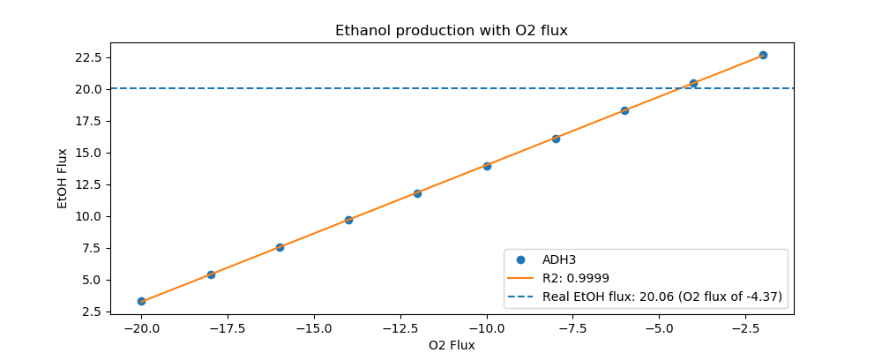
Yeast7_ID | Reaction | ADH3_real_flux | ADH3_sim_flux | ADH3_abs_error | ADH3_rel_error
r_0534 | D-Glucose(ex) <==> D-Glucose-6-phosphate | 14.4000 | 14.4000 | 0.0000 | 0.0000
r_0962 | Pyruvate <==> Phosphoenolpyruvate | -24.5211 | -22.7714 | 1.7496 | 7.1353
r_0961 | Pyruvate-mit + CoA <==> Acetyl-CoA-mit + CO2-mit | 21.2158 | 0.8240 | 20.3918 | 96.1160
r_0718 | (S)-Malate-mit <==> Pyruvate-mit + CO2-mit | 0.1144 | 0.0000 | 0.1144 | 100.0000
r_2131 | Isocitrate <==> 2-Oxoglutarate + CO2-mit | 0.9001 | 0.3600 | 0.5402 | 60.0102
r_0713 | (S)-Malate-mit <==> Oxaloacetate-mit | 0.0991 | 0.4868 | 0.3877 | 391.1479
r_0300 | Citrate + CoA <==> Acetyl-CoA-mit + Oxaloacetate-mit | -0.9001 | -0.4868 | 0.4134 | 45.9236
r_1022 | Succinate-mit + CoA <==> Succinyl-CoA | -0.5201 | 0.0000 | 0.5201 | 100.0000
r_0454 | Succinate-mit <==> Fumarate | 0.2135 | 0.0000 | 0.2135 | 100.0000
r_0366 | 2-Phospho-D-glycerate <==> Phosphoenolpyruvate | 24.6008 | 23.0240 | 1.5768 | 6.4095
r_1054 | D-Glyceraldehyde-3-phosphate <==> Glycerone-phosphate | -12.9420 | -12.2320 | 0.7100 | 5.4859
r_0486 | D-Glyceraldehyde-3-phosphate <==> 3-Phospho-D-glyceroyl-phosphate | 24.6008 | 24.6324 | 0.0316 | 0.1284
r_0450 | D-Fructose-1,6-bisphosphate <==> Glycerone-phosphate + D-Glyceraldehyde-3-phosphate | 12.9420 | 11.9598 | 0.9822 | 7.5892
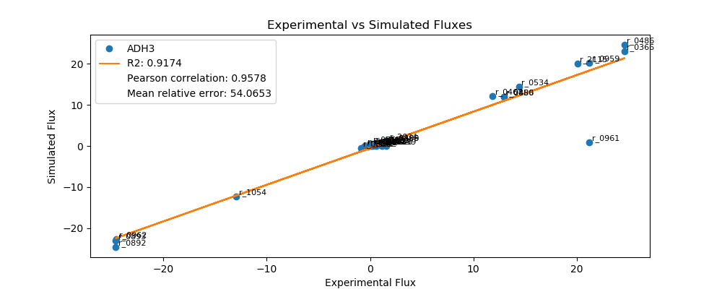
r_0452 | (S)-Malate-mit <==> Fumarate | -0.2135 | -0.1794 | 0.0341 | 15.9645
r_0302 | Citrate <==> Isocitrate | 0.9001 | 0.3600 | 0.5402 | 60.0102
r_0892 | 3-Phospho-D-glycerate <==> 3-Phospho-D-glyceroyl-phosphate | -24.6008 | -24.6324 | 0.0316 | 0.1284
r_0893 | 2-Phospho-D-glycerate <==> 3-Phospho-D-glycerate | -24.6008 | -23.0240 | 1.5768 | 6.4095
r_0889 | 6-Phospho-D-gluconate <==> D-Ribulose-5-phosphate + CO2 | 1.8084 | 0.8499 | 0.9586 | 53.0055
r_1049 | Sedoheptulose-7-phosphate + D-Glyceraldehyde-3-phosphate <==> D-Ribose-5-phosphate + D-Xylulose-5-phosphate | -0.5946 | -0.2766 | 0.3180 | 53.4835
r_1048 | Sedoheptulose-7-phosphate + D-Glyceraldehyde-3-phosphate <==> D-Erythrose-4-phosphate + D-Fructose-6-phosphate | 0.5946 | 0.0000 | 0.5946 | 100.0000
r_1050 | D-Fructose-6-phosphate + D-Glyceraldehyde-3-phosphate <==> D-Erythrose-4-phosphate + D-Xylulose-5-phosphate | 0.4853 | 0.1503 | 0.3350 | 69.0246
r_0466 | D-Glucose-6-phosphate <==> D-Glucono-1,5-lactone-6-phosphate | 1.8084 | 0.8499 | 0.9586 | 53.0055
r_0467 | D-Glucose-6-phosphate <==> D-Fructose-6-phosphate | 11.8621 | 12.1957 | 0.3336 | 2.8125
r_0886 | D-Fructose-6-phosphate <==> D-Fructose-1,6-bisphosphate | 12.9420 | 11.9598 | 0.9822 | 7.5892
r_0959 | Pyruvate <==> Acetaldehyde | 21.2163 | 20.1756 | 1.0407 | 4.9053
r_2115 | Acetaldehyde <==> Ethanol | 20.0620 | 20.0879 | 0.0260 | 0.1294
r_2116 | Acetaldehyde <==> Acetate | 1.1543 | 0.0000 | 1.1543 | 100.0000
r_0112 | Acetate <==> Acetyl-CoA | 0.5413 | 0.1150 | 0.4263 | 78.7504
r_2034 | Pyruvate <==> Pyruvate-mit | 1.6726 | 1.2999 | 0.3728 | 22.2867
r_1239 | Oxaloacetate <==> Oxaloacetate-mit | 1.5444 | 0.0000 | 1.5444 | 100.0000
r_4041 | Biomass | 0.3716 | 0.4778 | 0.1062 | 28.5723

ALD5
 | pFBA Results Case 7 [ALD5]

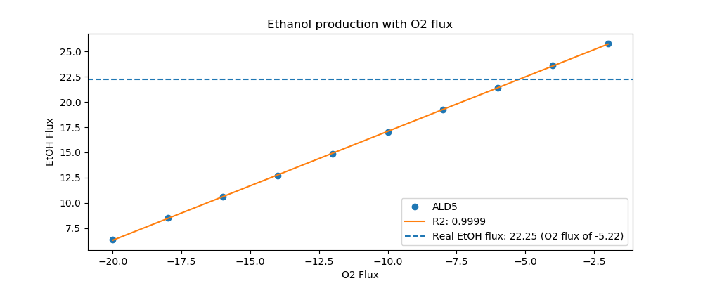
Yeast7_ID | Reaction | ALD5_real_flux | ALD5_sim_flux | ALD5_abs_error | ALD5_rel_error
r_0534 | D-Glucose(ex) <==> D-Glucose-6-phosphate | 16.2000 | 16.2000 | 0.0000 | 0.0000
r_0962 | Pyruvate <==> Phosphoenolpyruvate | -27.8252 | -25.3554 | 2.4698 | 8.8761
r_0961 | Pyruvate-mit + CoA <==> Acetyl-CoA-mit + CO2-mit | 23.6592 | 0.9485 | 22.7108 | 95.9911
r_0718 | (S)-Malate-mit <==> Pyruvate-mit + CO2-mit | 0.8310 | 0.0000 | 0.8310 | 100.0000
r_2131 | Isocitrate <==> 2-Oxoglutarate + CO2-mit | 1.7595 | 0.4143 | 1.3452 | 76.4528
r_0713 | (S)-Malate-mit <==> Oxaloacetate-mit | 0.2248 | 0.5603 | 0.3355 | 149.2591
r_0300 | Citrate + CoA <==> Acetyl-CoA-mit + Oxaloacetate-mit | -1.7595 | -0.5603 | 1.1993 | 68.1582
r_1022 | Succinate-mit + CoA <==> Succinyl-CoA | -1.3405 | 0.0000 | 1.3405 | 100.0000
r_0454 | Succinate-mit <==> Fumarate | 1.0557 | 0.0000 | 1.0557 | 100.0000
r_0366 | 2-Phospho-D-glycerate <==> Phosphoenolpyruvate | 28.0673 | 25.6461 | 2.4212 | 8.6263
r_1054 | D-Glyceraldehyde-3-phosphate <==> Glycerone-phosphate | -14.8361 | -13.7257 | 1.1104 | 7.4843
r_0486 | D-Glyceraldehyde-3-phosphate <==> 3-Phospho-D-glyceroyl-phosphate | 28.0673 | 27.6240 | 0.4432 | 1.5791
r_0450 | D-Fructose-1,6-bisphosphate <==> Glycerone-phosphate + D-Glyceraldehyde-3-phosphate | 14.8361 | 13.4335 | 1.4026 | 9.4538

r_0452 | (S)-Malate-mit <==> Fumarate | -0.2126 | -0.2065 | 0.0060 | 2.8323
r_0302 | Citrate <==> Isocitrate | 1.7595 | 0.4143 | 1.3452 | 76.4528
r_0892 | 3-Phospho-D-glycerate <==> 3-Phospho-D-glyceroyl-phosphate | -28.0673 | -27.6240 | 0.4432 | 1.5791
r_0893 | 2-Phospho-D-glycerate <==> 3-Phospho-D-glycerate | -28.0673 | -25.6461 | 2.4212 | 8.6263
r_0889 | 6-Phospho-D-gluconate <==> D-Ribulose-5-phosphate + CO2 | 1.2622 | 0.9149 | 0.3473 | 27.5171
r_1049 | Sedoheptulose-7-phosphate + D-Glyceraldehyde-3-phosphate <==> D-Ribose-5-phosphate + D-Xylulose-5-phosphate | -0.4119 | -0.2973 | 0.1147 | 27.8338
r_1048 | Sedoheptulose-7-phosphate + D-Glyceraldehyde-3-phosphate <==> D-Erythrose-4-phosphate + D-Fructose-6-phosphate | 0.4119 | 0.0000 | 0.4119 | 100.0000
r_1050 | D-Fructose-6-phosphate + D-Glyceraldehyde-3-phosphate <==> D-Erythrose-4-phosphate + D-Xylulose-5-phosphate | 0.2909 | 0.1519 | 0.1390 | 47.7738
r_0466 | D-Glucose-6-phosphate <==> D-Glucono-1,5-lactone-6-phosphate | 1.2622 | 0.9149 | 0.3473 | 27.5171
r_0467 | D-Glucose-6-phosphate <==> D-Fructose-6-phosphate | 14.1333 | 13.7261 | 0.4072 | 2.8809
r_0886 | D-Fructose-6-phosphate <==> D-Fructose-1,6-bisphosphate | 14.8361 | 13.4335 | 1.4026 | 9.4538
r_0959 | Pyruvate <==> Acetaldehyde | 23.6597 | 22.3675 | 1.2922 | 5.4617
r_2115 | Acetaldehyde <==> Ethanol | 22.2490 | 22.2666 | 0.0176 | 0.0793
r_2116 | Acetaldehyde <==> Acetate | 1.4107 | 0.0000 | 1.4107 | 100.0000
r_0112 | Acetate <==> Acetyl-CoA | 0.5971 | 0.1324 | 0.4647 | 77.8254
r_2034 | Pyruvate <==> Pyruvate-mit | 1.9082 | 1.4962 | 0.4120 | 21.5926
r_1239 | Oxaloacetate <==> Oxaloacetate-mit | 1.6455 | 0.0000 | 1.6455 | 100.0000
r_4041 | Biomass | 0.4126 | 0.5499 | 0.1373 | 33.2843

ALD6
 | pFBA Results Case 7 [ALD6]

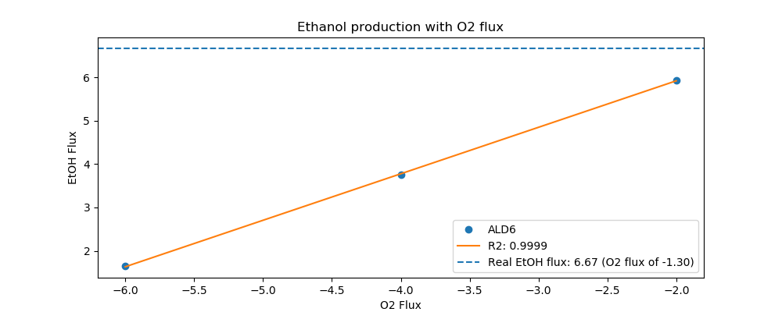
Yeast7_ID | Reaction | ALD6_real_flux | ALD6_sim_flux | ALD6_abs_error | ALD6_rel_error
r_0534 | D-Glucose(ex) <==> D-Glucose-6-phosphate | 4.7000 | 4.7000 | 0.0000 | 0.0000
r_0962 | Pyruvate <==> Phosphoenolpyruvate | -7.9215 | -7.5459 | 0.3756 | 4.7414
r_0961 | Pyruvate-mit + CoA <==> Acetyl-CoA-mit + CO2-mit | 6.8999 | 0.2597 | 6.6402 | 96.2359
r_0718 | (S)-Malate-mit <==> Pyruvate-mit + CO2-mit | 0.0139 | 0.0000 | 0.0139 | 100.0000
r_2131 | Isocitrate <==> 2-Oxoglutarate + CO2-mit | 0.2676 | 0.1135 | 0.1541 | 57.5960
r_0713 | (S)-Malate-mit <==> Oxaloacetate-mit | 0.0396 | 0.1534 | 0.1138 | 287.0523
r_0300 | Citrate + CoA <==> Acetyl-CoA-mit + Oxaloacetate-mit | -0.2676 | -0.1534 | 0.1141 | 42.6589
r_1022 | Succinate-mit + CoA <==> Succinyl-CoA | -0.1318 | 0.0000 | 0.1318 | 100.0000
r_0454 | Succinate-mit <==> Fumarate | 0.0525 | 0.0000 | 0.0525 | 100.0000
r_0366 | 2-Phospho-D-glycerate <==> Phosphoenolpyruvate | 8.0008 | 7.6255 | 0.3753 | 4.6903
r_1054 | D-Glyceraldehyde-3-phosphate <==> Glycerone-phosphate | -4.3591 | -4.0020 | 0.3572 | 8.1933
r_0486 | D-Glyceraldehyde-3-phosphate <==> 3-Phospho-D-glyceroyl-phosphate | 8.0008 | 8.0717 | 0.0709 | 0.8861
r_0450 | D-Fructose-1,6-bisphosphate <==> Glycerone-phosphate + D-Glyceraldehyde-3-phosphate | 4.3591 | 3.9014 | 0.4577 | 10.4995
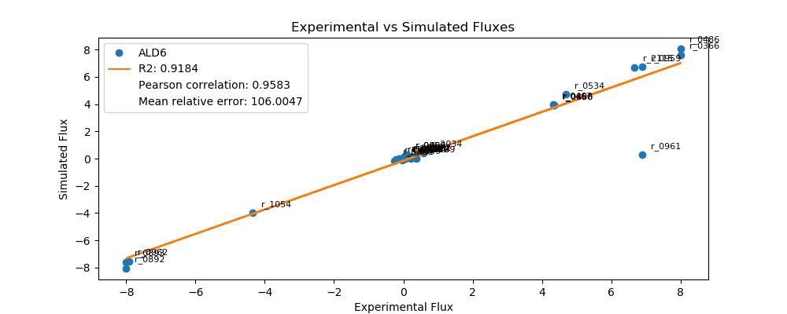
r_0452 | (S)-Malate-mit <==> Fumarate | -0.2071 | -0.0566 | 0.1505 | 72.6908
r_0302 | Citrate <==> Isocitrate | 0.2676 | 0.1135 | 0.1541 | 57.5960
r_0892 | 3-Phospho-D-glycerate <==> 3-Phospho-D-glyceroyl-phosphate | -8.0008 | -8.0717 | 0.0709 | 0.8861
r_0893 | 2-Phospho-D-glycerate <==> 3-Phospho-D-glycerate | -8.0008 | -7.6255 | 0.3753 | 4.6903
r_0889 | 6-Phospho-D-gluconate <==> D-Ribulose-5-phosphate + CO2 | 0.1110 | 0.3121 | 0.2011 | 181.1763
r_1049 | Sedoheptulose-7-phosphate + D-Glyceraldehyde-3-phosphate <==> D-Ribose-5-phosphate + D-Xylulose-5-phosphate | -0.0347 | -0.1019 | 0.0672 | 193.8471
r_1048 | Sedoheptulose-7-phosphate + D-Glyceraldehyde-3-phosphate <==> D-Erythrose-4-phosphate + D-Fructose-6-phosphate | 0.0347 | 0.0000 | 0.0347 | 100.0000
r_1050 | D-Fructose-6-phosphate + D-Glyceraldehyde-3-phosphate <==> D-Erythrose-4-phosphate + D-Xylulose-5-phosphate | -0.0050 | 0.0621 | 0.0671 | 1,353.6482
r_0466 | D-Glucose-6-phosphate <==> D-Glucono-1,5-lactone-6-phosphate | 0.1110 | 0.3121 | 0.2011 | 181.1763
r_0467 | D-Glucose-6-phosphate <==> D-Fructose-6-phosphate | 4.3304 | 3.9610 | 0.3693 | 8.5291
r_0886 | D-Fructose-6-phosphate <==> D-Fructose-1,6-bisphosphate | 4.3591 | 3.9014 | 0.4577 | 10.4995
r_0959 | Pyruvate <==> Acetaldehyde | 6.8992 | 6.7278 | 0.1714 | 2.4844
r_2115 | Acetaldehyde <==> Ethanol | 6.6750 | 6.7001 | 0.0252 | 0.3772
r_2116 | Acetaldehyde <==> Acetate | 0.2242 | 0.0276 | 0.1966 | 87.6784
r_0112 | Acetate <==> Acetyl-CoA | 0.1945 | 0.0363 | 0.1582 | 81.3582
r_2034 | Pyruvate <==> Pyruvate-mit | 0.5721 | 0.4097 | 0.1624 | 28.3832
r_1239 | Oxaloacetate <==> Oxaloacetate-mit | 0.3653 | 0.0000 | 0.3653 | 100.0000
r_4041 | Biomass | 0.1387 | 0.1506 | 0.0119 | 8.5698

COX5A
 | pFBA Results Case 7 [COX5A]

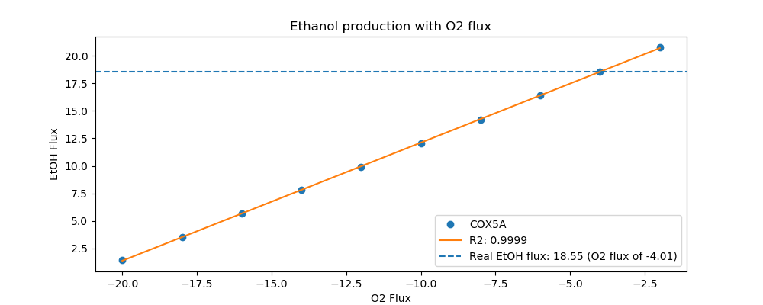
Yeast7_ID | Reaction | COX5A_real_flux | COX5A_sim_flux | COX5A_abs_error | COX5A_rel_error
r_0534 | D-Glucose(ex) <==> D-Glucose-6-phosphate | 13.3000 | 13.3000 | 0.0000 | 0.0000
r_0962 | Pyruvate <==> Phosphoenolpyruvate | -21.3579 | -21.0546 | 0.3033 | 1.4201
r_0961 | Pyruvate-mit + CoA <==> Acetyl-CoA-mit + CO2-mit | 19.1303 | 0.7592 | 18.3710 | 96.0313
r_0718 | (S)-Malate-mit <==> Pyruvate-mit + CO2-mit | 0.2295 | 0.0000 | 0.2295 | 100.0000
r_2131 | Isocitrate <==> 2-Oxoglutarate + CO2-mit | 0.7162 | 0.3317 | 0.3846 | 53.6945
r_0713 | (S)-Malate-mit <==> Oxaloacetate-mit | 0.0389 | 0.4485 | 0.4095 | 1,051.8204
r_0300 | Citrate + CoA <==> Acetyl-CoA-mit + Oxaloacetate-mit | -0.7162 | -0.4485 | 0.2678 | 37.3832
r_1022 | Succinate-mit + CoA <==> Succinyl-CoA | -0.4529 | 0.0000 | 0.4529 | 100.0000
r_0454 | Succinate-mit <==> Fumarate | 0.2685 | 0.0000 | 0.2685 | 100.0000
r_0366 | 2-Phospho-D-glycerate <==> Phosphoenolpyruvate | 21.5095 | 21.2873 | 0.2223 | 1.0333
r_1054 | D-Glyceraldehyde-3-phosphate <==> Glycerone-phosphate | -12.3256 | -11.3007 | 1.0249 | 8.3150
r_0486 | D-Glyceraldehyde-3-phosphate <==> 3-Phospho-D-glyceroyl-phosphate | 21.5095 | 22.7582 | 1.2487 | 5.8054
r_0450 | D-Fructose-1,6-bisphosphate <==> Glycerone-phosphate + D-Glyceraldehyde-3-phosphate | 12.3256 | 11.0481 | 1.2775 | 10.3646
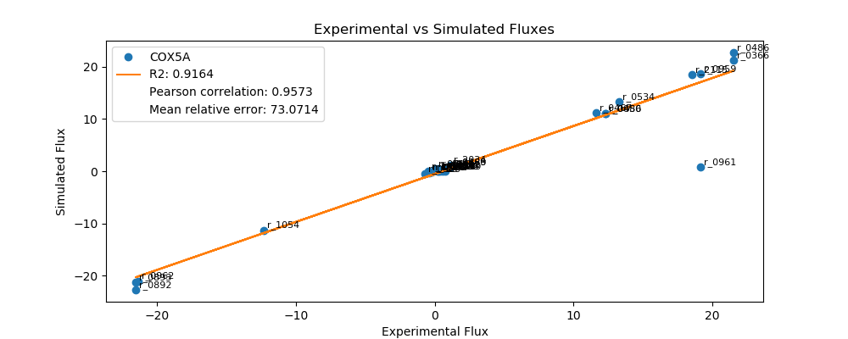
r_0452 | (S)-Malate-mit <==> Fumarate | -0.2142 | -0.1653 | 0.0488 | 22.7947
r_0302 | Citrate <==> Isocitrate | 0.7162 | 0.3317 | 0.3846 | 53.6945
r_0892 | 3-Phospho-D-glycerate <==> 3-Phospho-D-glyceroyl-phosphate | -21.5095 | -22.7582 | 1.2487 | 5.8054
r_0893 | 2-Phospho-D-glycerate <==> 3-Phospho-D-glycerate | -21.5095 | -21.2873 | 0.2223 | 1.0333
r_0889 | 6-Phospho-D-gluconate <==> D-Ribulose-5-phosphate + CO2 | 1.1456 | 0.7885 | 0.3571 | 31.1695
r_1049 | Sedoheptulose-7-phosphate + D-Glyceraldehyde-3-phosphate <==> D-Ribose-5-phosphate + D-Xylulose-5-phosphate | -0.3760 | -0.2567 | 0.1194 | 31.7445
r_1048 | Sedoheptulose-7-phosphate + D-Glyceraldehyde-3-phosphate <==> D-Erythrose-4-phosphate + D-Fructose-6-phosphate | 0.3760 | 0.0000 | 0.3760 | 100.0000
r_1050 | D-Fructose-6-phosphate + D-Glyceraldehyde-3-phosphate <==> D-Erythrose-4-phosphate + D-Xylulose-5-phosphate | 0.3002 | 0.1403 | 0.1599 | 53.2592
r_0466 | D-Glucose-6-phosphate <==> D-Glucono-1,5-lactone-6-phosphate | 1.1456 | 0.7885 | 0.3571 | 31.1695
r_0467 | D-Glucose-6-phosphate <==> D-Fructose-6-phosphate | 11.6483 | 11.2636 | 0.3847 | 3.3026
r_0886 | D-Fructose-6-phosphate <==> D-Fructose-1,6-bisphosphate | 12.3256 | 11.0481 | 1.2775 | 10.3646
r_0959 | Pyruvate <==> Acetaldehyde | 19.1315 | 18.6628 | 0.4687 | 2.4496
r_2115 | Acetaldehyde <==> Ethanol | 18.5520 | 18.5821 | 0.0301 | 0.1621
r_2116 | Acetaldehyde <==> Acetate | 0.5795 | 0.0000 | 0.5795 | 100.0000
r_0112 | Acetate <==> Acetyl-CoA | 0.3745 | 0.1060 | 0.2686 | 71.7037
r_2034 | Pyruvate <==> Pyruvate-mit | 1.1014 | 1.1976 | 0.0962 | 8.7378
r_1239 | Oxaloacetate <==> Oxaloacetate-mit | 0.7870 | 0.0000 | 0.7870 | 100.0000
r_4041 | Biomass | 0.2560 | 0.4402 | 0.1842 | 71.9556

CTP1
 | pFBA Results Case 7 [CTP1]

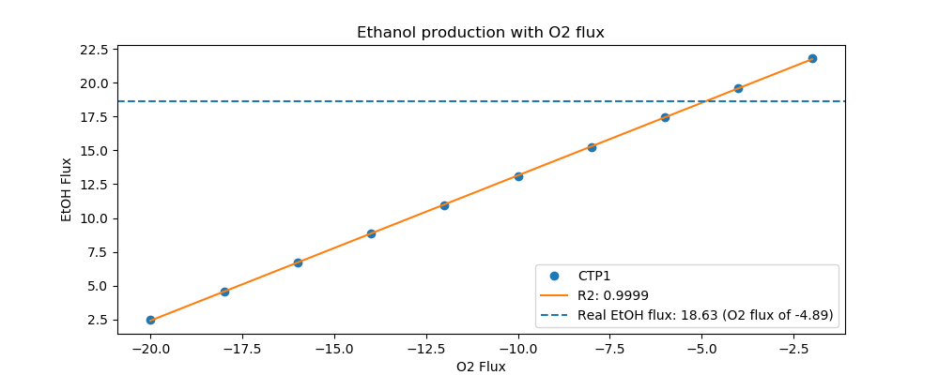
Yeast7_ID | Reaction | CTP1_real_flux | CTP1_sim_flux | CTP1_abs_error | CTP1_rel_error
r_0534 | D-Glucose(ex) <==> D-Glucose-6-phosphate | 13.9000 | 13.9000 | 0.0000 | 0.0000
r_0962 | Pyruvate <==> Phosphoenolpyruvate | -23.3329 | -21.3896 | 1.9432 | 8.3283
r_0961 | Pyruvate-mit + CoA <==> Acetyl-CoA-mit + CO2-mit | 20.0413 | 0.8420 | 19.1993 | 95.7987
r_0718 | (S)-Malate-mit <==> Pyruvate-mit + CO2-mit | 0.0031 | 0.0000 | 0.0031 | 100.0000
r_2131 | Isocitrate <==> 2-Oxoglutarate + CO2-mit | 0.9016 | 0.2388 | 0.6628 | 73.5162
r_0713 | (S)-Malate-mit <==> Oxaloacetate-mit | 0.0735 | 0.4974 | 0.4239 | 576.9553
r_0300 | Citrate + CoA <==> Acetyl-CoA-mit + Oxaloacetate-mit | -0.9016 | -0.4974 | 0.4042 | 44.8348
r_1022 | Succinate-mit + CoA <==> Succinyl-CoA | -0.5164 | 0.0000 | 0.5164 | 100.0000
r_0454 | Succinate-mit <==> Fumarate | 0.0766 | 0.0000 | 0.0766 | 100.0000
r_0366 | 2-Phospho-D-glycerate <==> Phosphoenolpyruvate | 23.5585 | 21.6477 | 1.9108 | 8.1110
r_1054 | D-Glyceraldehyde-3-phosphate <==> Glycerone-phosphate | -12.4809 | -11.7606 | 0.7203 | 5.7715
r_0486 | D-Glyceraldehyde-3-phosphate <==> 3-Phospho-D-glyceroyl-phosphate | 23.5585 | 23.6173 | 0.0588 | 0.2494
r_0450 | D-Fructose-1,6-bisphosphate <==> Glycerone-phosphate + D-Glyceraldehyde-3-phosphate | 12.4809 | 11.5583 | 0.9226 | 7.3924
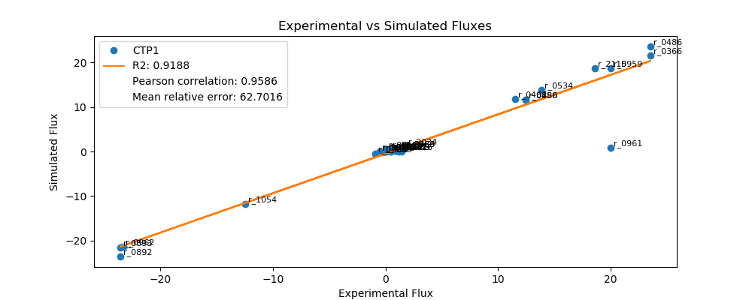
r_0452 | (S)-Malate-mit <==> Fumarate | -0.2194 | -0.1834 | 0.0360 | 16.4134
r_0302 | Citrate <==> Isocitrate | 0.9016 | 0.2388 | 0.6628 | 73.5162
r_0892 | 3-Phospho-D-glycerate <==> 3-Phospho-D-glyceroyl-phosphate | -23.5585 | -23.6173 | 0.0588 | 0.2494
r_0893 | 2-Phospho-D-glycerate <==> 3-Phospho-D-glycerate | -23.5585 | -21.6477 | 1.9108 | 8.1110
r_0889 | 6-Phospho-D-gluconate <==> D-Ribulose-5-phosphate + CO2 | 1.6216 | 0.6408 | 0.9808 | 60.4823
r_1049 | Sedoheptulose-7-phosphate + D-Glyceraldehyde-3-phosphate <==> D-Ribose-5-phosphate + D-Xylulose-5-phosphate | -0.5322 | -0.2068 | 0.3254 | 61.1422
r_1048 | Sedoheptulose-7-phosphate + D-Glyceraldehyde-3-phosphate <==> D-Erythrose-4-phosphate + D-Fructose-6-phosphate | 0.5322 | 0.0000 | 0.5322 | 100.0000
r_1050 | D-Fructose-6-phosphate + D-Glyceraldehyde-3-phosphate <==> D-Erythrose-4-phosphate + D-Xylulose-5-phosphate | 0.4198 | 0.0778 | 0.3421 | 81.4808
r_0466 | D-Glucose-6-phosphate <==> D-Glucono-1,5-lactone-6-phosphate | 1.6216 | 0.6408 | 0.9808 | 60.4823
r_0467 | D-Glucose-6-phosphate <==> D-Fructose-6-phosphate | 11.5279 | 11.8752 | 0.3473 | 3.0126
r_0886 | D-Fructose-6-phosphate <==> D-Fructose-1,6-bisphosphate | 12.4809 | 11.5583 | 0.9226 | 7.3924
r_0959 | Pyruvate <==> Acetaldehyde | 20.0406 | 18.7371 | 1.3034 | 6.5039
r_2115 | Acetaldehyde <==> Ethanol | 18.6280 | 18.6476 | 0.0196 | 0.1053
r_2116 | Acetaldehyde <==> Acetate | 1.4126 | 0.0000 | 1.4126 | 100.0000
r_0112 | Acetate <==> Acetyl-CoA | 0.5729 | 0.1175 | 0.4554 | 79.4853
r_2034 | Pyruvate <==> Pyruvate-mit | 1.7758 | 1.1992 | 0.5766 | 32.4706
r_1239 | Oxaloacetate <==> Oxaloacetate-mit | 1.1627 | 0.0000 | 1.1627 | 100.0000
r_4041 | Biomass | 0.3700 | 0.4882 | 0.1182 | 31.9459

DAL7
 | pFBA Results Case 7 [DAL7]

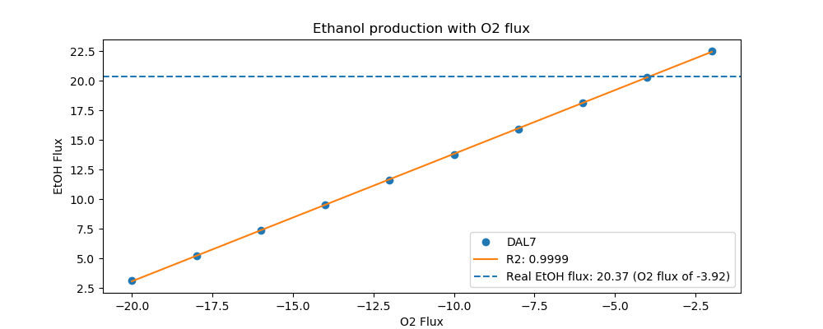
Yeast7_ID | Reaction | DAL7_real_flux | DAL7_sim_flux | DAL7_abs_error | DAL7_rel_error
r_0534 | D-Glucose(ex) <==> D-Glucose-6-phosphate | 14.3000 | 14.3000 | 0.0000 | 0.0000
r_0962 | Pyruvate <==> Phosphoenolpyruvate | -24.6728 | -22.9759 | 1.6969 | 6.8777
r_0961 | Pyruvate-mit + CoA <==> Acetyl-CoA-mit + CO2-mit | 21.6635 | 0.7887 | 20.8748 | 96.3594
r_0718 | (S)-Malate-mit <==> Pyruvate-mit + CO2-mit | 0.0460 | 0.0000 | 0.0460 | 100.0000
r_2131 | Isocitrate <==> 2-Oxoglutarate + CO2-mit | 0.7268 | 0.3445 | 0.3823 | 52.6012
r_0713 | (S)-Malate-mit <==> Oxaloacetate-mit | 0.0560 | 0.4659 | 0.4099 | 732.0943
r_0300 | Citrate + CoA <==> Acetyl-CoA-mit + Oxaloacetate-mit | -0.7268 | -0.4659 | 0.2610 | 35.9047
r_1022 | Succinate-mit + CoA <==> Succinyl-CoA | -0.3819 | 0.0000 | 0.3819 | 100.0000
r_0454 | Succinate-mit <==> Fumarate | 0.1020 | 0.0000 | 0.1020 | 100.0000
r_0366 | 2-Phospho-D-glycerate <==> Phosphoenolpyruvate | 24.6268 | 23.2176 | 1.4092 | 5.7223
r_1054 | D-Glyceraldehyde-3-phosphate <==> Glycerone-phosphate | -13.1112 | -12.1959 | 0.9154 | 6.9816
r_0486 | D-Glyceraldehyde-3-phosphate <==> 3-Phospho-D-glyceroyl-phosphate | 24.6268 | 24.5820 | 0.0449 | 0.1822
r_0450 | D-Fructose-1,6-bisphosphate <==> Glycerone-phosphate + D-Glyceraldehyde-3-phosphate | 13.1112 | 11.9062 | 1.2051 | 9.1912
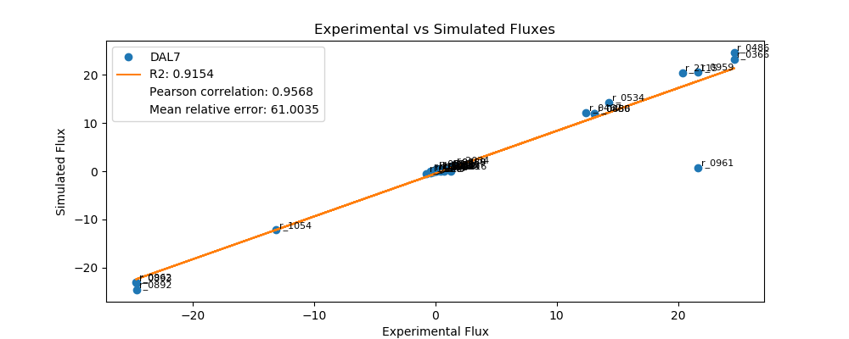
r_0452 | (S)-Malate-mit <==> Fumarate | -0.2090 | -0.1717 | 0.0372 | 17.8061
r_0302 | Citrate <==> Isocitrate | 0.7268 | 0.3445 | 0.3823 | 52.6012
r_0892 | 3-Phospho-D-glycerate <==> 3-Phospho-D-glyceroyl-phosphate | -24.6268 | -24.5820 | 0.0449 | 0.1822
r_0893 | 2-Phospho-D-glycerate <==> 3-Phospho-D-glycerate | -24.6268 | -23.2176 | 1.4092 | 5.7223
r_0889 | 6-Phospho-D-gluconate <==> D-Ribulose-5-phosphate + CO2 | 1.2447 | 0.9009 | 0.3438 | 27.6224
r_1049 | Sedoheptulose-7-phosphate + D-Glyceraldehyde-3-phosphate <==> D-Ribose-5-phosphate + D-Xylulose-5-phosphate | -0.4079 | -0.2939 | 0.1140 | 27.9489
r_1048 | Sedoheptulose-7-phosphate + D-Glyceraldehyde-3-phosphate <==> D-Erythrose-4-phosphate + D-Fructose-6-phosphate | 0.4079 | 0.0000 | 0.4079 | 100.0000
r_1050 | D-Fructose-6-phosphate + D-Glyceraldehyde-3-phosphate <==> D-Erythrose-4-phosphate + D-Xylulose-5-phosphate | 0.3069 | 0.1730 | 0.1339 | 43.6207
r_0466 | D-Glucose-6-phosphate <==> D-Glucono-1,5-lactone-6-phosphate | 1.2447 | 0.9009 | 0.3438 | 27.6224
r_0467 | D-Glucose-6-phosphate <==> D-Fructose-6-phosphate | 12.3964 | 12.1027 | 0.2937 | 2.3688
r_0886 | D-Fructose-6-phosphate <==> D-Fructose-1,6-bisphosphate | 13.1112 | 11.9062 | 1.2051 | 9.1912
r_0959 | Pyruvate <==> Acetaldehyde | 21.6640 | 20.4914 | 1.1726 | 5.4128
r_2115 | Acetaldehyde <==> Ethanol | 20.3690 | 20.4075 | 0.0385 | 0.1892
r_2116 | Acetaldehyde <==> Acetate | 1.2950 | 0.0000 | 1.2950 | 100.0000
r_0112 | Acetate <==> Acetyl-CoA | 0.4952 | 0.1101 | 0.3851 | 77.7686
r_2034 | Pyruvate <==> Pyruvate-mit | 1.4897 | 1.2441 | 0.2456 | 16.4860
r_1239 | Oxaloacetate <==> Oxaloacetate-mit | 0.7426 | 0.0000 | 0.7426 | 100.0000
r_4041 | Biomass | 0.3500 | 0.4573 | 0.1073 | 30.6509

FUM1
 | pFBA Results Case 7 [FUM1]

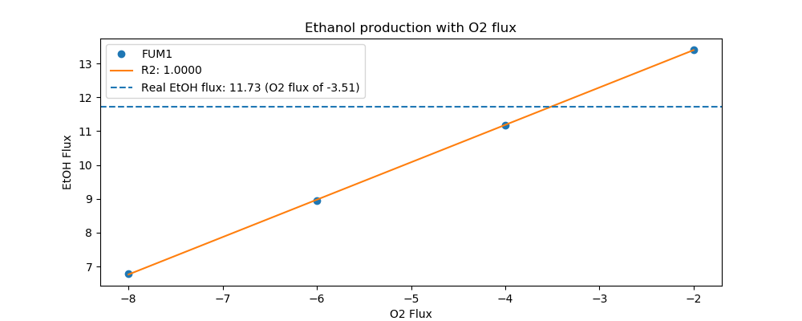
Yeast7_ID | Reaction | FUM1_real_flux | FUM1_sim_flux | FUM1_abs_error | FUM1_rel_error
r_0534 | D-Glucose(ex) <==> D-Glucose-6-phosphate | 9.1000 | 9.1000 | 0.0000 | 0.0000
r_0962 | Pyruvate <==> Phosphoenolpyruvate | -14.9383 | -13.7141 | 1.2241 | 8.1947
r_0961 | Pyruvate-mit + CoA <==> Acetyl-CoA-mit + CO2-mit | 12.8422 | 0.5724 | 12.2698 | 95.5428
r_0718 | (S)-Malate-mit <==> Pyruvate-mit + CO2-mit | 0.0000 | 0.0000 | 0.0000
r_2131 | Isocitrate <==> 2-Oxoglutarate + CO2-mit | 0.6092 | 0.2500 | 0.3591 | 58.9540
r_0713 | (S)-Malate-mit <==> Oxaloacetate-mit | 0.0000 | 0.3381 | 0.3381 | inf
r_0300 | Citrate + CoA <==> Acetyl-CoA-mit + Oxaloacetate-mit | -0.6092 | -0.3381 | 0.2710 | 44.4947
r_1022 | Succinate-mit + CoA <==> Succinyl-CoA | -0.3963 | 0.0000 | 0.3963 | 100.0000
r_0454 | Succinate-mit <==> Fumarate | 0.1014 | 0.0000 | 0.1014 | 100.0000
r_0366 | 2-Phospho-D-glycerate <==> Phosphoenolpyruvate | 15.0609 | 13.8896 | 1.1714 | 7.7775
r_1054 | D-Glyceraldehyde-3-phosphate <==> Glycerone-phosphate | -8.3236 | -7.6537 | 0.6699 | 8.0483
r_0486 | D-Glyceraldehyde-3-phosphate <==> 3-Phospho-D-glyceroyl-phosphate | 15.0609 | 15.3646 | 0.3037 | 2.0166
r_0450 | D-Fructose-1,6-bisphosphate <==> Glycerone-phosphate + D-Glyceraldehyde-3-phosphate | 8.3236 | 7.5242 | 0.7994 | 9.6035
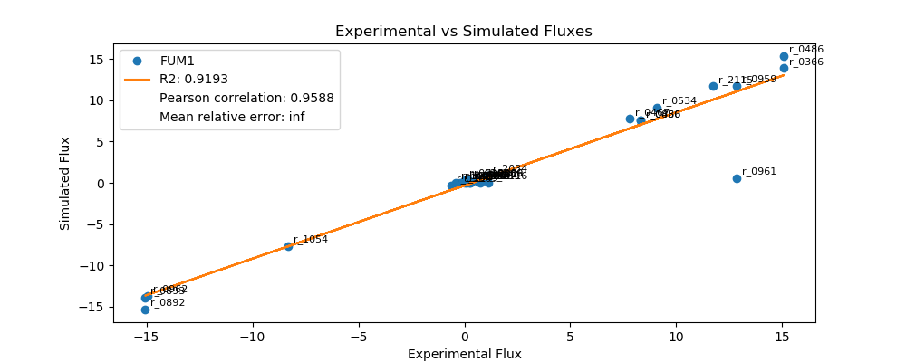
r_0452 | (S)-Malate-mit <==> Fumarate | -0.2118 | 0.0000 | 0.2118 | 100.0000
r_0302 | Citrate <==> Isocitrate | 0.6092 | 0.2500 | 0.3591 | 58.9540
r_0892 | 3-Phospho-D-glycerate <==> 3-Phospho-D-glyceroyl-phosphate | -15.0609 | -15.3646 | 0.3037 | 2.0166
r_0893 | 2-Phospho-D-glycerate <==> 3-Phospho-D-glycerate | -15.0609 | -13.8896 | 1.1714 | 7.7775
r_0889 | 6-Phospho-D-gluconate <==> D-Ribulose-5-phosphate + CO2 | 0.8899 | 0.4114 | 0.4785 | 53.7683
r_1049 | Sedoheptulose-7-phosphate + D-Glyceraldehyde-3-phosphate <==> D-Ribose-5-phosphate + D-Xylulose-5-phosphate | -0.2919 | -0.1325 | 0.1594 | 54.6097
r_1048 | Sedoheptulose-7-phosphate + D-Glyceraldehyde-3-phosphate <==> D-Erythrose-4-phosphate + D-Fructose-6-phosphate | 0.2919 | 0.0000 | 0.2919 | 100.0000
r_1050 | D-Fructose-6-phosphate + D-Glyceraldehyde-3-phosphate <==> D-Erythrose-4-phosphate + D-Xylulose-5-phosphate | 0.2311 | 0.0448 | 0.1863 | 80.6211
r_0466 | D-Glucose-6-phosphate <==> D-Glucono-1,5-lactone-6-phosphate | 0.8899 | 0.4114 | 0.4785 | 53.7683
r_0467 | D-Glucose-6-phosphate <==> D-Fructose-6-phosphate | 7.8006 | 7.7477 | 0.0529 | 0.6776
r_0886 | D-Fructose-6-phosphate <==> D-Fructose-1,6-bisphosphate | 8.3236 | 7.5242 | 0.7994 | 9.6035
r_0959 | Pyruvate <==> Acetaldehyde | 12.8413 | 11.7863 | 1.0551 | 8.2160
r_2115 | Acetaldehyde <==> Ethanol | 11.7267 | 11.7254 | 0.0013 | 0.0113
r_2116 | Acetaldehyde <==> Acetate | 1.1146 | 0.0000 | 1.1146 | 100.0000
r_0112 | Acetate <==> Acetyl-CoA | 0.3038 | 0.0799 | 0.2239 | 73.6957
r_2034 | Pyruvate <==> Pyruvate-mit | 1.1063 | 0.9029 | 0.2034 | 18.3859
r_1239 | Oxaloacetate <==> Oxaloacetate-mit | 0.7519 | 0.0000 | 0.7519 | 100.0000
r_4041 | Biomass | 0.2097 | 0.3319 | 0.1222 | 58.2645

GND2
 | pFBA Results Case 7 [GND2]

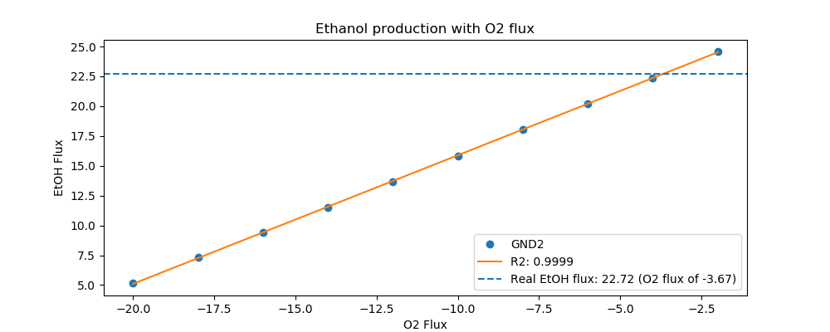
Yeast7_ID | Reaction | GND2_real_flux | GCV2_sim_flux | GND2_abs_error | GND2_rel_error
r_0534 | D-Glucose(ex) <==> D-Glucose-6-phosphate | 15.5000 | 16.0000 | 0.5000 | 3.2258
r_0962 | Pyruvate <==> Phosphoenolpyruvate | -27.5534 | -26.9750 | 0.5784 | 2.0993
r_0961 | Pyruvate-mit + CoA <==> Acetyl-CoA-mit + CO2-mit | 24.2182 | 1.5538 | 22.6644 | 93.5842
r_0718 | (S)-Malate-mit <==> Pyruvate-mit + CO2-mit | 0.0395 | 0.0000 | 0.0395 | 100.0000
r_2131 | Isocitrate <==> 2-Oxoglutarate + CO2-mit | 0.7116 | 0.3745 | 0.3371 | 47.3717
r_0713 | (S)-Malate-mit <==> Oxaloacetate-mit | 0.0668 | 1.2029 | 1.1361 | 1,700.5875
r_0300 | Citrate + CoA <==> Acetyl-CoA-mit + Oxaloacetate-mit | -0.7116 | -1.2029 | 0.4913 | 69.0452
r_1022 | Succinate-mit + CoA <==> Succinyl-CoA | -0.3705 | -0.6965 | 0.3260 | 88.0003
r_0454 | Succinate-mit <==> Fumarate | 0.1073 | 0.0000 | 0.1073 | 100.0000
r_0366 | 2-Phospho-D-glycerate <==> Phosphoenolpyruvate | 27.1131 | 27.2377 | 0.1246 | 0.4597
r_1054 | D-Glyceraldehyde-3-phosphate <==> Glycerone-phosphate | -14.3117 | -13.6243 | 0.6874 | 4.8030
r_0486 | D-Glyceraldehyde-3-phosphate <==> 3-Phospho-D-glyceroyl-phosphate | 27.1131 | 27.5438 | 0.4307 | 1.5887
r_0450 | D-Fructose-1,6-bisphosphate <==> Glycerone-phosphate + D-Glyceraldehyde-3-phosphate | 14.3117 | 13.2209 | 1.0908 | 7.6218

r_0452 | (S)-Malate-mit <==> Fumarate | -0.2116 | -0.1867 | 0.0249 | 11.7506
r_0302 | Citrate <==> Isocitrate | 0.7116 | 0.3745 | 0.3371 | 47.3717
r_0892 | 3-Phospho-D-glycerate <==> 3-Phospho-D-glyceroyl-phosphate | -27.1131 | -27.5438 | 0.4307 | 1.5887
r_0893 | 2-Phospho-D-glycerate <==> 3-Phospho-D-glycerate | -27.1131 | -27.2377 | 0.1246 | 0.4597
r_0889 | 6-Phospho-D-gluconate <==> D-Ribulose-5-phosphate + CO2 | 1.2562 | 1.2448 | 0.0113 | 0.9022
r_1049 | Sedoheptulose-7-phosphate + D-Glyceraldehyde-3-phosphate <==> D-Ribose-5-phosphate + D-Xylulose-5-phosphate | -0.4120 | -0.4080 | 0.0040 | 0.9670
r_1048 | Sedoheptulose-7-phosphate + D-Glyceraldehyde-3-phosphate <==> D-Erythrose-4-phosphate + D-Fructose-6-phosphate | 0.4120 | 0.0000 | 0.4120 | 100.0000
r_1050 | D-Fructose-6-phosphate + D-Glyceraldehyde-3-phosphate <==> D-Erythrose-4-phosphate + D-Xylulose-5-phosphate | 0.3128 | 0.2766 | 0.0362 | 11.5617
r_0466 | D-Glucose-6-phosphate <==> D-Glucono-1,5-lactone-6-phosphate | 1.2562 | 1.2448 | 0.0113 | 0.9022
r_0467 | D-Glucose-6-phosphate <==> D-Fructose-6-phosphate | 13.5869 | 13.3460 | 0.2409 | 1.7729
r_0886 | D-Fructose-6-phosphate <==> D-Fructose-1,6-bisphosphate | 14.3117 | 13.2209 | 1.0908 | 7.6218
r_0959 | Pyruvate <==> Acetaldehyde | 24.2193 | 23.5778 | 0.6414 | 2.6485
r_2115 | Acetaldehyde <==> Ethanol | 22.7196 | 23.4588 | 0.7392 | 3.2534
r_2116 | Acetaldehyde <==> Acetate | 1.4996 | 0.0000 | 1.4996 | 100.0000
r_0112 | Acetate <==> Acetyl-CoA | 0.4874 | 0.1197 | 0.3677 | 75.4475
r_2034 | Pyruvate <==> Pyruvate-mit | 1.4708 | 2.1273 | 0.6564 | 44.6277
r_1239 | Oxaloacetate <==> Oxaloacetate-mit | 0.6965 | 0.0000 | 0.6965 | 100.0000
r_4041 | Biomass | 0.3380 | 0.4971 | 0.1591 | 47.0614

GCV2
 | pFBA Results Case 7 [GCV2]

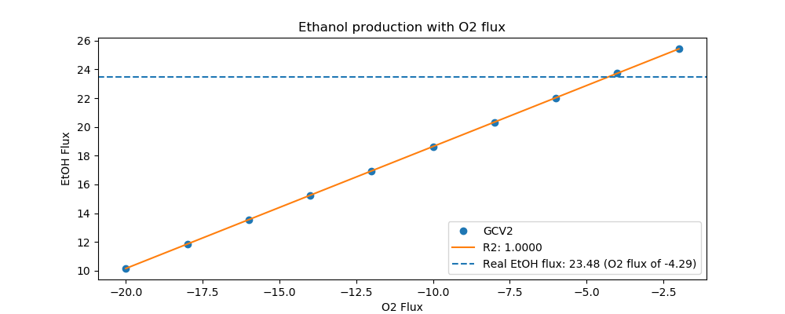
Yeast7_ID | Reaction | GCV2_real_flux | GLY1_sim_flux | GCV2_abs_error | GCV2_rel_error
r_0534 | D-Glucose(ex) <==> D-Glucose-6-phosphate | 16.0000 | 13.1000 | 2.9000 | 18.1250
r_0962 | Pyruvate <==> Phosphoenolpyruvate | -27.5186 | -21.1352 | 6.3835 | 23.1969
r_0961 | Pyruvate-mit + CoA <==> Acetyl-CoA-mit + CO2-mit | 24.2147 | 0.7154 | 23.4993 | 97.0458
r_0718 | (S)-Malate-mit <==> Pyruvate-mit + CO2-mit | 0.8028 | 0.0000 | 0.8028 | 100.0000
r_2131 | Isocitrate <==> 2-Oxoglutarate + CO2-mit | 1.4842 | 0.3125 | 1.1717 | 78.9449
r_0713 | (S)-Malate-mit <==> Oxaloacetate-mit | 0.3098 | 0.4226 | 0.1128 | 36.4084
r_0300 | Citrate + CoA <==> Acetyl-CoA-mit + Oxaloacetate-mit | -1.4842 | -0.4226 | 1.0616 | 71.5282
r_1022 | Succinate-mit + CoA <==> Succinyl-CoA | -1.1126 | 0.0000 | 1.1126 | 100.0000
r_0454 | Succinate-mit <==> Fumarate | 1.1126 | 0.0000 | 1.1126 | 100.0000
r_0366 | 2-Phospho-D-glycerate <==> Phosphoenolpyruvate | 27.7338 | 21.3544 | 6.3794 | 23.0022
r_1054 | D-Glyceraldehyde-3-phosphate <==> Glycerone-phosphate | -14.9013 | -11.1842 | 3.7171 | 24.9450
r_0486 | D-Glyceraldehyde-3-phosphate <==> 3-Phospho-D-glyceroyl-phosphate | 27.7338 | 22.5482 | 5.1856 | 18.6977
r_0450 | D-Fructose-1,6-bisphosphate <==> Glycerone-phosphate + D-Glyceraldehyde-3-phosphate | 14.9013 | 10.9141 | 3.9872 | 26.7574

r_0452 | (S)-Malate-mit <==> Fumarate | -0.2082 | -0.1558 | 0.0524 | 25.1692
r_0302 | Citrate <==> Isocitrate | 1.4842 | 0.3125 | 1.1717 | 78.9449
r_0892 | 3-Phospho-D-glycerate <==> 3-Phospho-D-glyceroyl-phosphate | -27.7338 | -22.5482 | 5.1856 | 18.6977
r_0893 | 2-Phospho-D-glycerate <==> 3-Phospho-D-glycerate | -27.7338 | -21.3544 | 6.3794 | 23.0022
r_0889 | 6-Phospho-D-gluconate <==> D-Ribulose-5-phosphate + CO2 | 0.7889 | 0.8390 | 0.0501 | 6.3546
r_1049 | Sedoheptulose-7-phosphate + D-Glyceraldehyde-3-phosphate <==> D-Ribose-5-phosphate + D-Xylulose-5-phosphate | -0.2550 | -0.2739 | 0.0189 | 7.4026
r_1048 | Sedoheptulose-7-phosphate + D-Glyceraldehyde-3-phosphate <==> D-Erythrose-4-phosphate + D-Fructose-6-phosphate | 0.2550 | 0.0000 | 0.2550 | 100.0000
r_1050 | D-Fructose-6-phosphate + D-Glyceraldehyde-3-phosphate <==> D-Erythrose-4-phosphate + D-Xylulose-5-phosphate | 0.1474 | 0.1642 | 0.0168 | 11.4160
r_0466 | D-Glucose-6-phosphate <==> D-Glucono-1,5-lactone-6-phosphate | 0.7889 | 0.8390 | 0.0501 | 6.3546
r_0467 | D-Glucose-6-phosphate <==> D-Fructose-6-phosphate | 14.4989 | 11.0851 | 3.4138 | 23.5450
r_0886 | D-Fructose-6-phosphate <==> D-Fructose-1,6-bisphosphate | 14.9013 | 10.9141 | 3.9872 | 26.7574
r_0959 | Pyruvate <==> Acetaldehyde | 24.2144 | 18.8816 | 5.3328 | 22.0231
r_2115 | Acetaldehyde <==> Ethanol | 23.4845 | 18.8055 | 4.6790 | 19.9236
r_2116 | Acetaldehyde <==> Acetate | 0.7299 | 0.0000 | 0.7299 | 100.0000
r_0112 | Acetate <==> Acetyl-CoA | 0.5307 | 0.0999 | 0.4308 | 81.1835
r_2034 | Pyruvate <==> Pyruvate-mit | 1.5505 | 1.1284 | 0.4221 | 27.2210
r_1239 | Oxaloacetate <==> Oxaloacetate-mit | 1.4791 | 0.0000 | 1.4791 | 100.0000
r_4041 | Biomass | 0.3745 | 0.4148 | 0.0403 | 10.7527

GLY1
 | pFBA Results Case 7 [GLY1]


Yeast7_ID | Reaction | GLY1_real_flux | GND2_sim_flux | GLY1_abs_error | GLY1_rel_error
r_0534 | D-Glucose(ex) <==> D-Glucose-6-phosphate | 13.1000 | 15.5000 | 2.4000 | 18.3206
r_0962 | Pyruvate <==> Phosphoenolpyruvate | -22.8675 | -25.4042 | 2.5367 | 11.0929
r_0961 | Pyruvate-mit + CoA <==> Acetyl-CoA-mit + CO2-mit | 19.9145 | 0.8140 | 19.1005 | 95.9126
r_0718 | (S)-Malate-mit <==> Pyruvate-mit + CO2-mit | 0.0843 | 0.0000 | 0.0843 | 100.0000
r_2131 | Isocitrate <==> 2-Oxoglutarate + CO2-mit | 0.7980 | 0.3556 | 0.4424 | 55.4412
r_0713 | (S)-Malate-mit <==> Oxaloacetate-mit | 0.0542 | 0.4808 | 0.4266 | 787.0848
r_0300 | Citrate + CoA <==> Acetyl-CoA-mit + Oxaloacetate-mit | -0.7980 | -0.4808 | 0.3172 | 39.7452
r_1022 | Succinate-mit + CoA <==> Succinyl-CoA | -0.4798 | 0.0000 | 0.4798 | 100.0000
r_0454 | Succinate-mit <==> Fumarate | 0.1385 | 0.0000 | 0.1385 | 100.0000
r_0366 | 2-Phospho-D-glycerate <==> Phosphoenolpyruvate | 22.8455 | 25.6537 | 2.8082 | 12.2923
r_1054 | D-Glyceraldehyde-3-phosphate <==> Glycerone-phosphate | -12.0430 | -13.2866 | 1.2435 | 10.3259
r_0486 | D-Glyceraldehyde-3-phosphate <==> 3-Phospho-D-glyceroyl-phosphate | 22.8455 | 26.8113 | 3.9658 | 17.3594
r_0450 | D-Fructose-1,6-bisphosphate <==> Glycerone-phosphate + D-Glyceraldehyde-3-phosphate | 12.0430 | 12.9458 | 0.9028 | 7.4964
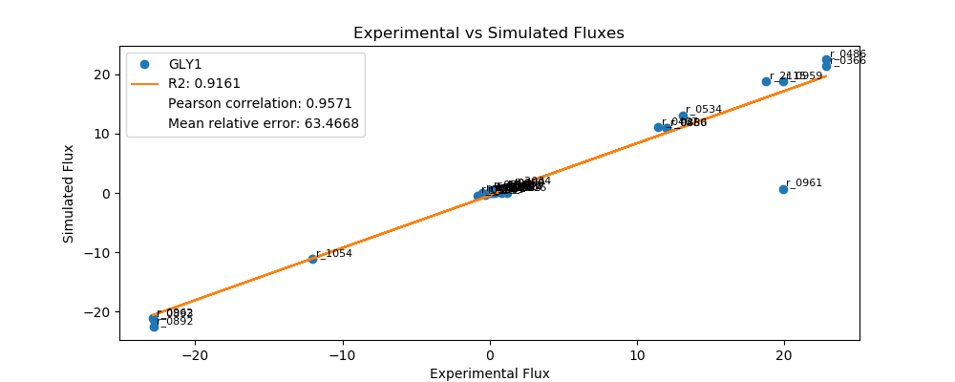
r_0452 | (S)-Malate-mit <==> Fumarate | -0.2098 | -0.1773 | 0.0325 | 15.5037
r_0302 | Citrate <==> Isocitrate | 0.7980 | 0.3556 | 0.4424 | 55.4412
r_0892 | 3-Phospho-D-glycerate <==> 3-Phospho-D-glyceroyl-phosphate | -22.8455 | -26.8113 | 3.9658 | 17.3594
r_0893 | 2-Phospho-D-glycerate <==> 3-Phospho-D-glycerate | -22.8455 | -25.6537 | 2.8082 | 12.2923
r_0889 | 6-Phospho-D-gluconate <==> D-Ribulose-5-phosphate + CO2 | 1.0218 | 1.0551 | 0.0333 | 3.2551
r_1049 | Sedoheptulose-7-phosphate + D-Glyceraldehyde-3-phosphate <==> D-Ribose-5-phosphate + D-Xylulose-5-phosphate | -0.3343 | -0.3451 | 0.0108 | 3.2436
r_1048 | Sedoheptulose-7-phosphate + D-Glyceraldehyde-3-phosphate <==> D-Erythrose-4-phosphate + D-Fructose-6-phosphate | 0.3343 | 0.0000 | 0.3343 | 100.0000
r_1050 | D-Fructose-6-phosphate + D-Glyceraldehyde-3-phosphate <==> D-Erythrose-4-phosphate + D-Xylulose-5-phosphate | 0.2419 | 0.2204 | 0.0215 | 8.9083
r_0466 | D-Glucose-6-phosphate <==> D-Glucono-1,5-lactone-6-phosphate | 1.0218 | 1.0551 | 0.0333 | 3.2551
r_0467 | D-Glucose-6-phosphate <==> D-Fructose-6-phosphate | 11.4679 | 13.1070 | 1.6391 | 14.2928
r_0886 | D-Fructose-6-phosphate <==> D-Fructose-1,6-bisphosphate | 12.0430 | 12.9458 | 0.9028 | 7.4964
r_0959 | Pyruvate <==> Acetaldehyde | 19.9142 | 22.8400 | 2.9258 | 14.6919
r_2115 | Acetaldehyde <==> Ethanol | 18.7572 | 22.7534 | 3.9962 | 21.3050
r_2116 | Acetaldehyde <==> Acetate | 1.1570 | 0.0000 | 1.1570 | 100.0000
r_0112 | Acetate <==> Acetyl-CoA | 0.4544 | 0.1136 | 0.3408 | 74.9943
r_2034 | Pyruvate <==> Pyruvate-mit | 1.4582 | 1.2840 | 0.1742 | 11.9471
r_1239 | Oxaloacetate <==> Oxaloacetate-mit | 0.7907 | 0.0000 | 0.7907 | 100.0000
r_4041 | Biomass | 0.3180 | 0.4720 | 0.1540 | 48.4125

GPD1
 | pFBA Results Case 7 [GPD1]

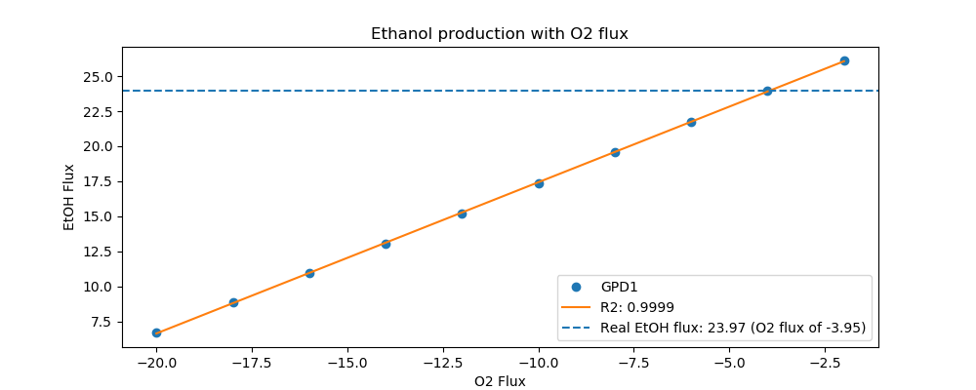
Yeast7_ID | Reaction | GPD1_real_flux | GPD1_sim_flux | GPD1_abs_error | GPD1_rel_error
r_0534 | D-Glucose(ex) <==> D-Glucose-6-phosphate | 16.4000 | 16.4000 | 0.0000 | 0.0000
r_0962 | Pyruvate <==> Phosphoenolpyruvate | -28.2690 | -26.8215 | 1.4475 | 5.1205
r_0961 | Pyruvate-mit + CoA <==> Acetyl-CoA-mit + CO2-mit | 24.8850 | 0.8660 | 24.0190 | 96.5201
r_0718 | (S)-Malate-mit <==> Pyruvate-mit + CO2-mit | 0.0000 | 0.0000 | 0.0000
r_2131 | Isocitrate <==> 2-Oxoglutarate + CO2-mit | 0.8094 | 0.3783 | 0.4311 | 53.2658
r_0713 | (S)-Malate-mit <==> Oxaloacetate-mit | 0.0090 | 0.5115 | 0.5025 | 5,573.6533
r_0300 | Citrate + CoA <==> Acetyl-CoA-mit + Oxaloacetate-mit | -0.8094 | -0.5115 | 0.2979 | 36.8034
r_1022 | Succinate-mit + CoA <==> Succinyl-CoA | -0.4398 | 0.0000 | 0.4398 | 100.0000
r_0454 | Succinate-mit <==> Fumarate | 0.0090 | 0.0000 | 0.0090 | 100.0000
r_0366 | 2-Phospho-D-glycerate <==> Phosphoenolpyruvate | 28.1868 | 27.0869 | 1.1000 | 3.9024
r_1054 | D-Glyceraldehyde-3-phosphate <==> Glycerone-phosphate | -14.9785 | -14.0503 | 0.9282 | 6.1968
r_0486 | D-Glyceraldehyde-3-phosphate <==> 3-Phospho-D-glyceroyl-phosphate | 28.1868 | 28.3488 | 0.1620 | 0.5747
r_0450 | D-Fructose-1,6-bisphosphate <==> Glycerone-phosphate + D-Glyceraldehyde-3-phosphate | 14.9785 | 13.6928 | 1.2856 | 8.5832
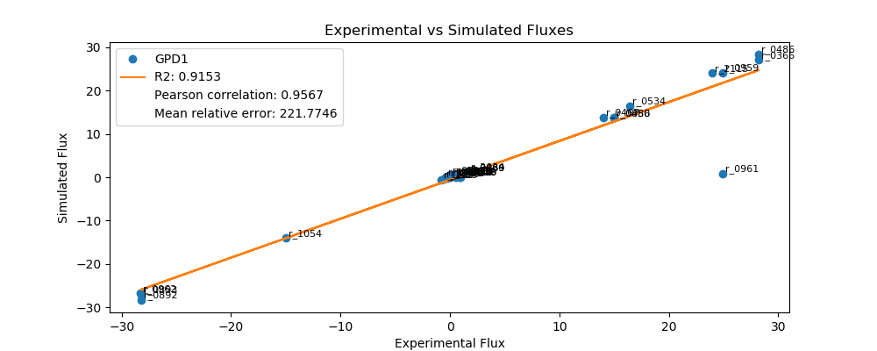
r_0452 | (S)-Malate-mit <==> Fumarate | -0.2094 | -0.1886 | 0.0208 | 9.9292
r_0302 | Citrate <==> Isocitrate | 0.8094 | 0.3783 | 0.4311 | 53.2658
r_0892 | 3-Phospho-D-glycerate <==> 3-Phospho-D-glyceroyl-phosphate | -28.1868 | -28.3488 | 0.1620 | 0.5747
r_0893 | 2-Phospho-D-glycerate <==> 3-Phospho-D-glycerate | -28.1868 | -27.0869 | 1.1000 | 3.9024
r_0889 | 6-Phospho-D-gluconate <==> D-Ribulose-5-phosphate + CO2 | 1.6399 | 1.1073 | 0.5326 | 32.4796
r_1049 | Sedoheptulose-7-phosphate + D-Glyceraldehyde-3-phosphate <==> D-Ribose-5-phosphate + D-Xylulose-5-phosphate | -0.5390 | -0.3621 | 0.1769 | 32.8207
r_1048 | Sedoheptulose-7-phosphate + D-Glyceraldehyde-3-phosphate <==> D-Erythrose-4-phosphate + D-Fructose-6-phosphate | 0.5390 | 0.0000 | 0.5390 | 100.0000
r_1050 | D-Fructose-6-phosphate + D-Glyceraldehyde-3-phosphate <==> D-Erythrose-4-phosphate + D-Xylulose-5-phosphate | 0.4388 | 0.2294 | 0.2094 | 47.7270
r_0466 | D-Glucose-6-phosphate <==> D-Glucono-1,5-lactone-6-phosphate | 1.6399 | 1.1073 | 0.5326 | 32.4796
r_0467 | D-Glucose-6-phosphate <==> D-Fructose-6-phosphate | 14.0018 | 13.8693 | 0.1324 | 0.9457
r_0886 | D-Fructose-6-phosphate <==> D-Fructose-1,6-bisphosphate | 14.9785 | 13.6928 | 1.2856 | 8.5832
r_0959 | Pyruvate <==> Acetaldehyde | 24.8860 | 24.0935 | 0.7925 | 3.1845
r_2115 | Acetaldehyde <==> Ethanol | 23.9702 | 24.0014 | 0.0312 | 0.1300
r_2116 | Acetaldehyde <==> Acetate | 0.9158 | 0.0000 | 0.9158 | 100.0000
r_0112 | Acetate <==> Acetyl-CoA | 0.5150 | 0.1209 | 0.3942 | 76.5301
r_2034 | Pyruvate <==> Pyruvate-mit | 1.6738 | 1.3660 | 0.3078 | 18.3894
r_1239 | Oxaloacetate <==> Oxaloacetate-mit | 0.9371 | 0.0000 | 0.9371 | 100.0000
r_4041 | Biomass | 0.3400 | 0.5021 | 0.1621 | 47.6747

ICL1
 | pFBA Results Case 7 [ICL1]

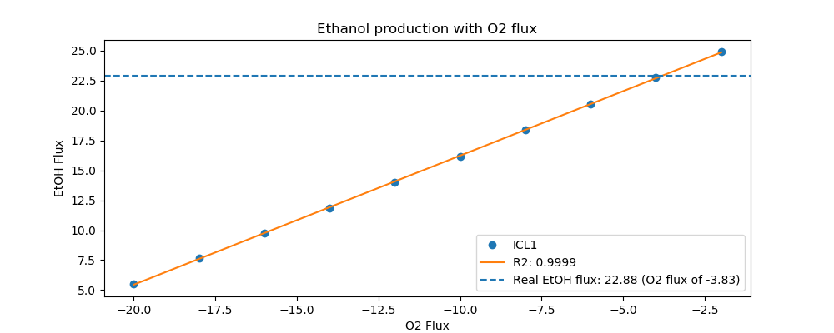
Yeast7_ID | Reaction | ICL1_real_flux | ICL1_sim_flux | ICL1_abs_error | ICL1_rel_error
r_0534 | D-Glucose(ex) <==> D-Glucose-6-phosphate | 15.7000 | 15.7000 | 0.0000 | 0.0000
r_0962 | Pyruvate <==> Phosphoenolpyruvate | -27.1445 | -25.6347 | 1.5098 | 5.5621
r_0961 | Pyruvate-mit + CoA <==> Acetyl-CoA-mit + CO2-mit | 24.4604 | 0.8324 | 23.6280 | 96.5968
r_0718 | (S)-Malate-mit <==> Pyruvate-mit + CO2-mit | 0.0621 | 0.0000 | 0.0621 | 100.0000
r_2131 | Isocitrate <==> 2-Oxoglutarate + CO2-mit | 0.5171 | 0.3636 | 0.1534 | 29.6723
r_0713 | (S)-Malate-mit <==> Oxaloacetate-mit | 0.0631 | 0.4917 | 0.4286 | 679.2151
r_0300 | Citrate + CoA <==> Acetyl-CoA-mit + Oxaloacetate-mit | -0.5171 | -0.4917 | 0.0253 | 4.8990
r_1022 | Succinate-mit + CoA <==> Succinyl-CoA | -0.1252 | 0.0000 | 0.1252 | 100.0000
r_0454 | Succinate-mit <==> Fumarate | 0.1252 | 0.0000 | 0.1252 | 100.0000
r_0366 | 2-Phospho-D-glycerate <==> Phosphoenolpyruvate | 27.1251 | 25.8898 | 1.2353 | 4.5542
r_1054 | D-Glyceraldehyde-3-phosphate <==> Glycerone-phosphate | -14.4074 | -13.4449 | 0.9624 | 6.6800
r_0486 | D-Glyceraldehyde-3-phosphate <==> 3-Phospho-D-glyceroyl-phosphate | 27.1251 | 27.1248 | 0.0003 | 0.0010
r_0450 | D-Fructose-1,6-bisphosphate <==> Glycerone-phosphate + D-Glyceraldehyde-3-phosphate | 14.4074 | 13.1050 | 1.3024 | 9.0396

r_0452 | (S)-Malate-mit <==> Fumarate | -0.2127 | -0.1813 | 0.0314 | 14.7827
r_0302 | Citrate <==> Isocitrate | 0.5171 | 0.3636 | 0.1534 | 29.6723
r_0892 | 3-Phospho-D-glycerate <==> 3-Phospho-D-glyceroyl-phosphate | -27.1251 | -27.1248 | 0.0003 | 0.0010
r_0893 | 2-Phospho-D-glycerate <==> 3-Phospho-D-glycerate | -27.1251 | -25.8898 | 1.2353 | 4.5542
r_0889 | 6-Phospho-D-gluconate <==> D-Ribulose-5-phosphate + CO2 | 1.2275 | 1.0534 | 0.1741 | 14.1825
r_1049 | Sedoheptulose-7-phosphate + D-Glyceraldehyde-3-phosphate <==> D-Ribose-5-phosphate + D-Xylulose-5-phosphate | -0.4010 | -0.3444 | 0.0566 | 14.1238
r_1048 | Sedoheptulose-7-phosphate + D-Glyceraldehyde-3-phosphate <==> D-Erythrose-4-phosphate + D-Fructose-6-phosphate | 0.4010 | 0.0000 | 0.4010 | 100.0000
r_1050 | D-Fructose-6-phosphate + D-Glyceraldehyde-3-phosphate <==> D-Erythrose-4-phosphate + D-Xylulose-5-phosphate | 0.2870 | 0.2168 | 0.0702 | 24.4604
r_0466 | D-Glucose-6-phosphate <==> D-Glucono-1,5-lactone-6-phosphate | 1.2275 | 1.0534 | 0.1741 | 14.1825
r_0467 | D-Glucose-6-phosphate <==> D-Fructose-6-phosphate | 13.7193 | 13.2783 | 0.4410 | 3.2144
r_0886 | D-Fructose-6-phosphate <==> D-Fructose-1,6-bisphosphate | 14.4074 | 13.1050 | 1.3024 | 9.0396
r_0959 | Pyruvate <==> Acetaldehyde | 24.4602 | 23.0123 | 1.4479 | 5.9195
r_2115 | Acetaldehyde <==> Ethanol | 22.8825 | 22.9238 | 0.0413 | 0.1803
r_2116 | Acetaldehyde <==> Acetate | 1.5777 | 0.0000 | 1.5777 | 100.0000
r_0112 | Acetate <==> Acetyl-CoA | 0.5599 | 0.1162 | 0.4437 | 79.2469
r_2034 | Pyruvate <==> Pyruvate-mit | 1.3734 | 1.3131 | 0.0603 | 4.3880
r_1239 | Oxaloacetate <==> Oxaloacetate-mit | 0.6695 | 0.0000 | 0.6695 | 100.0000
r_4041 | Biomass | 0.3860 | 0.4827 | 0.0967 | 25.0395

IDP1
 | pFBA Results Case 7 [IDP1]

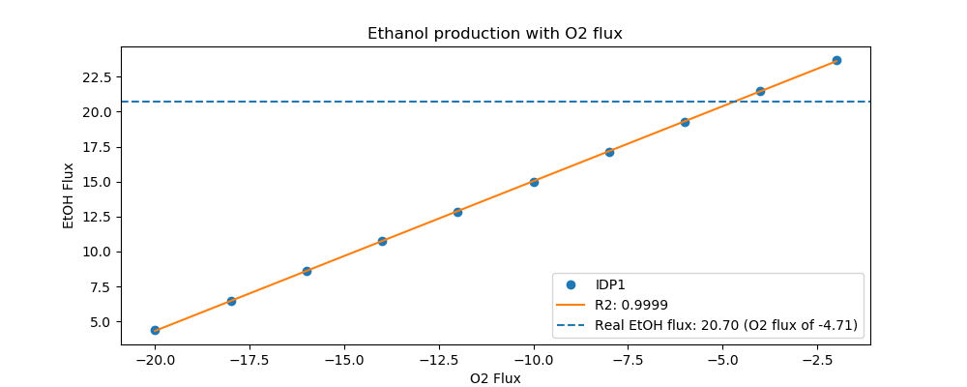
Yeast7_ID | Reaction | IDP1_real_flux | IDP1_sim_flux | IDP1_abs_error | IDP1_rel_error
r_0534 | D-Glucose(ex) <==> D-Glucose-6-phosphate | 15.0000 | 15.0000 | 0.0000 | 0.0000
r_0962 | Pyruvate <==> Phosphoenolpyruvate | -26.0931 | -23.5449 | 2.5481 | 9.7656
r_0961 | Pyruvate-mit + CoA <==> Acetyl-CoA-mit + CO2-mit | 22.1304 | 0.8688 | 21.2617 | 96.0744
r_0718 | (S)-Malate-mit <==> Pyruvate-mit + CO2-mit | 0.0000 | 0.0000 | 0.0000
r_2131 | Isocitrate <==> 2-Oxoglutarate + CO2-mit | 0.8549 | 0.0000 | 0.8549 | 100.0000
r_0713 | (S)-Malate-mit <==> Oxaloacetate-mit | 0.0471 | 0.5132 | 0.4660 | 988.7163
r_0300 | Citrate + CoA <==> Acetyl-CoA-mit + Oxaloacetate-mit | -0.8549 | -0.5132 | 0.3417 | 39.9705
r_1022 | Succinate-mit + CoA <==> Succinyl-CoA | -0.4542 | 0.0000 | 0.4542 | 100.0000
r_0454 | Succinate-mit <==> Fumarate | 0.0471 | 0.0000 | 0.0471 | 100.0000
r_0366 | 2-Phospho-D-glycerate <==> Phosphoenolpyruvate | 25.6656 | 23.8112 | 1.8544 | 7.2254
r_1054 | D-Glyceraldehyde-3-phosphate <==> Glycerone-phosphate | -13.5591 | -12.8101 | 0.7490 | 5.5242
r_0486 | D-Glyceraldehyde-3-phosphate <==> 3-Phospho-D-glyceroyl-phosphate | 25.6656 | 25.7019 | 0.0363 | 0.1413
r_0450 | D-Fructose-1,6-bisphosphate <==> Glycerone-phosphate + D-Glyceraldehyde-3-phosphate | 13.5591 | 12.6189 | 0.9403 | 6.9345

r_0452 | (S)-Malate-mit <==> Fumarate | -0.2239 | -0.1892 | 0.0347 | 15.5020
r_0302 | Citrate <==> Isocitrate | 0.8549 | 0.0000 | 0.8549 | 100.0000
r_0892 | 3-Phospho-D-glycerate <==> 3-Phospho-D-glyceroyl-phosphate | -25.6656 | -25.7019 | 0.0363 | 0.1413
r_0893 | 2-Phospho-D-glycerate <==> 3-Phospho-D-glycerate | -25.6656 | -23.8112 | 1.8544 | 7.2254
r_0889 | 6-Phospho-D-gluconate <==> D-Ribulose-5-phosphate + CO2 | 1.6058 | 0.6087 | 0.9971 | 62.0926
r_1049 | Sedoheptulose-7-phosphate + D-Glyceraldehyde-3-phosphate <==> D-Ribose-5-phosphate + D-Xylulose-5-phosphate | -0.5271 | -0.1959 | 0.3312 | 62.8389
r_1048 | Sedoheptulose-7-phosphate + D-Glyceraldehyde-3-phosphate <==> D-Erythrose-4-phosphate + D-Fructose-6-phosphate | 0.5271 | 0.0000 | 0.5271 | 100.0000
r_1050 | D-Fructose-6-phosphate + D-Glyceraldehyde-3-phosphate <==> D-Erythrose-4-phosphate + D-Xylulose-5-phosphate | 0.4114 | 0.0627 | 0.3486 | 84.7500
r_0466 | D-Glucose-6-phosphate <==> D-Glucono-1,5-lactone-6-phosphate | 1.6058 | 0.6087 | 0.9971 | 62.0926
r_0467 | D-Glucose-6-phosphate <==> D-Fructose-6-phosphate | 12.6207 | 12.9633 | 0.3426 | 2.7146
r_0886 | D-Fructose-6-phosphate <==> D-Fructose-1,6-bisphosphate | 13.5591 | 12.6189 | 0.9403 | 6.9345
r_0959 | Pyruvate <==> Acetaldehyde | 22.1309 | 20.8082 | 1.3227 | 5.9769
r_2115 | Acetaldehyde <==> Ethanol | 20.7036 | 20.7157 | 0.0121 | 0.0587
r_2116 | Acetaldehyde <==> Acetate | 1.4273 | 0.0000 | 1.4273 | 100.0000
r_0112 | Acetate <==> Acetyl-CoA | 0.5702 | 0.1213 | 0.4490 | 78.7338
r_2034 | Pyruvate <==> Pyruvate-mit | 1.7912 | 0.9909 | 0.8003 | 44.6786
r_1239 | Oxaloacetate <==> Oxaloacetate-mit | 0.8932 | 0.0000 | 0.8932 | 100.0000
r_4041 | Biomass | 0.3720 | 0.5037 | 0.1317 | 35.4056

IDP2
 | pFBA Results Case 7 [IDP2]


Yeast7_ID | Reaction | IDP2_real_flux | IDP2_sim_flux | IDP2_abs_error | IDP2_rel_error
r_0534 | D-Glucose(ex) <==> D-Glucose-6-phosphate | 13.4000 | 13.4000 | 0.0000 | 0.0000
r_0962 | Pyruvate <==> Phosphoenolpyruvate | -22.6633 | -21.2728 | 1.3905 | 6.1355
r_0961 | Pyruvate-mit + CoA <==> Acetyl-CoA-mit + CO2-mit | 19.8921 | 0.7606 | 19.1315 | 96.1765
r_0718 | (S)-Malate-mit <==> Pyruvate-mit + CO2-mit | 0.0000 | 0.1170 | 0.1170 | inf
r_2131 | Isocitrate <==> 2-Oxoglutarate + CO2-mit | 0.6151 | 0.4493 | 0.1659 | 26.9636
r_0713 | (S)-Malate-mit <==> Oxaloacetate-mit | 0.0331 | 0.4493 | 0.4162 | 1,258.9194
r_0300 | Citrate + CoA <==> Acetyl-CoA-mit + Oxaloacetate-mit | -0.6151 | -0.4493 | 0.1659 | 26.9636
r_1022 | Succinate-mit + CoA <==> Succinyl-CoA | -0.2334 | 0.0000 | 0.2334 | 100.0000
r_0454 | Succinate-mit <==> Fumarate | 0.0331 | 0.0000 | 0.0331 | 100.0000
r_0366 | 2-Phospho-D-glycerate <==> Phosphoenolpyruvate | 22.8045 | 21.5059 | 1.2987 | 5.6948
r_1054 | D-Glyceraldehyde-3-phosphate <==> Glycerone-phosphate | -12.2278 | -11.3681 | 0.8597 | 7.0308
r_0486 | D-Glyceraldehyde-3-phosphate <==> 3-Phospho-D-glyceroyl-phosphate | 22.8045 | 22.9224 | 0.1178 | 0.5167
r_0450 | D-Fructose-1,6-bisphosphate <==> Glycerone-phosphate + D-Glyceraldehyde-3-phosphate | 12.2278 | 11.0860 | 1.1418 | 9.3379
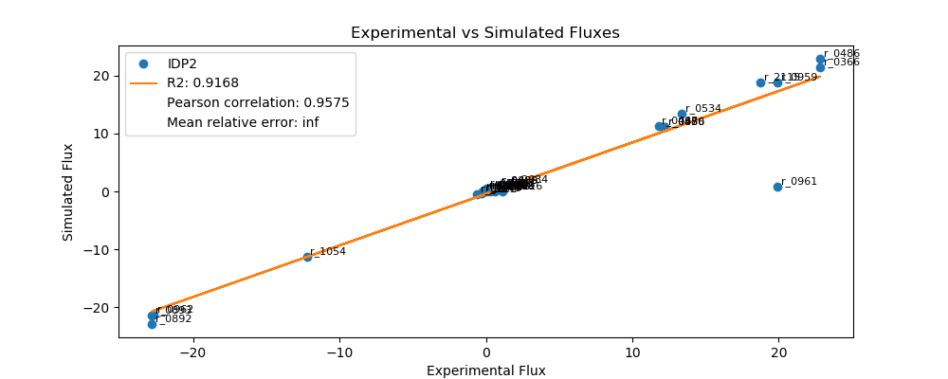
r_0452 | (S)-Malate-mit <==> Fumarate | -0.2094 | -0.1656 | 0.0438 | 20.8982
r_0302 | Citrate <==> Isocitrate | 0.6151 | 0.4493 | 0.1659 | 26.9636
r_0892 | 3-Phospho-D-glycerate <==> 3-Phospho-D-glyceroyl-phosphate | -22.8045 | -22.9224 | 0.1178 | 0.5167
r_0893 | 2-Phospho-D-glycerate <==> 3-Phospho-D-glycerate | -22.8045 | -21.5059 | 1.2987 | 5.6948
r_0889 | 6-Phospho-D-gluconate <==> D-Ribulose-5-phosphate + CO2 | 0.8426 | 0.8770 | 0.0344 | 4.0832
r_1049 | Sedoheptulose-7-phosphate + D-Glyceraldehyde-3-phosphate <==> D-Ribose-5-phosphate + D-Xylulose-5-phosphate | -0.2735 | -0.2862 | 0.0126 | 4.6234
r_1048 | Sedoheptulose-7-phosphate + D-Glyceraldehyde-3-phosphate <==> D-Erythrose-4-phosphate + D-Fructose-6-phosphate | 0.2735 | 0.0000 | 0.2735 | 100.0000
r_1050 | D-Fructose-6-phosphate + D-Glyceraldehyde-3-phosphate <==> D-Erythrose-4-phosphate + D-Xylulose-5-phosphate | 0.1683 | 0.1696 | 0.0013 | 0.7652
r_0466 | D-Glucose-6-phosphate <==> D-Glucono-1,5-lactone-6-phosphate | 0.8426 | 0.8770 | 0.0344 | 4.0832
r_0467 | D-Glucose-6-phosphate <==> D-Fructose-6-phosphate | 11.7870 | 11.2729 | 0.5141 | 4.3619
r_0886 | D-Fructose-6-phosphate <==> D-Fructose-1,6-bisphosphate | 12.2278 | 11.0860 | 1.1418 | 9.3379
r_0959 | Pyruvate <==> Acetaldehyde | 19.8919 | 18.8768 | 1.0152 | 5.1034
r_2115 | Acetaldehyde <==> Ethanol | 18.7582 | 18.7959 | 0.0376 | 0.2006
r_2116 | Acetaldehyde <==> Acetate | 1.1337 | 0.0000 | 1.1337 | 100.0000
r_0112 | Acetate <==> Acetyl-CoA | 0.5326 | 0.1062 | 0.4264 | 80.0651
r_2034 | Pyruvate <==> Pyruvate-mit | 1.5047 | 1.1998 | 0.3049 | 20.2633
r_1239 | Oxaloacetate <==> Oxaloacetate-mit | 0.6125 | 0.0000 | 0.6125 | 100.0000
r_4041 | Biomass | 0.3560 | 0.4410 | 0.0850 | 23.8739

LSC1
 | pFBA Results Case 7 [LSC1]

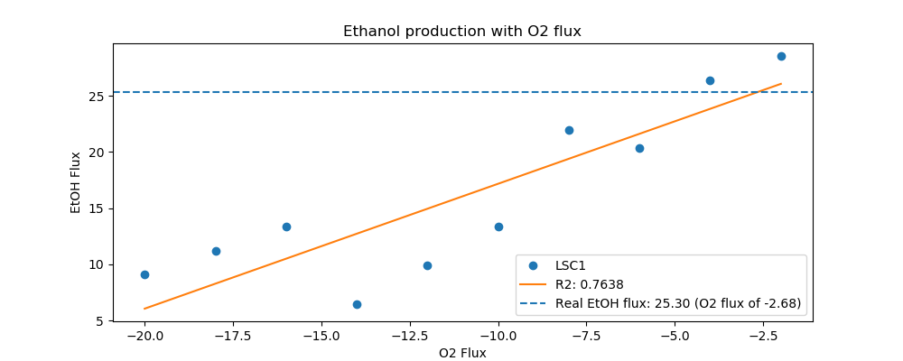
Yeast7_ID | Reaction | LSC1_real_flux | LSC1_sim_flux | LSC1_abs_error | LSC1_rel_error
r_0534 | D-Glucose(ex) <==> D-Glucose-6-phosphate | 17.8000 | 17.8000 | 0.0000 | 0.0000
r_0962 | Pyruvate <==> Phosphoenolpyruvate | -31.0607 | -30.4998 | 0.5608 | 1.8055
r_0961 | Pyruvate-mit + CoA <==> Acetyl-CoA-mit + CO2-mit | 27.1351 | 0.8264 | 26.3087 | 96.9544
r_0718 | (S)-Malate-mit <==> Pyruvate-mit + CO2-mit | 0.0000 | 0.0000 | 0.0000
r_2131 | Isocitrate <==> 2-Oxoglutarate + CO2-mit | 0.7808 | 0.3610 | 0.4198 | 53.7668
r_0713 | (S)-Malate-mit <==> Oxaloacetate-mit | 0.0029 | 0.4882 | 0.4853 | 16,655.1077
r_0300 | Citrate + CoA <==> Acetyl-CoA-mit + Oxaloacetate-mit | -0.7808 | -0.4882 | 0.2927 | 37.4809
r_1022 | Succinate-mit + CoA <==> Succinyl-CoA | -0.3720 | 0.0000 | 0.3720 | 100.0000
r_0454 | Succinate-mit <==> Fumarate | 0.0029 | 0.0000 | 0.0029 | 100.0000
r_0366 | 2-Phospho-D-glycerate <==> Phosphoenolpyruvate | 30.4216 | 30.7531 | 0.3315 | 1.0898
r_1054 | D-Glyceraldehyde-3-phosphate <==> Glycerone-phosphate | -16.3413 | -15.4365 | 0.9047 | 5.5365
r_0486 | D-Glyceraldehyde-3-phosphate <==> 3-Phospho-D-glyceroyl-phosphate | 30.4216 | 31.2310 | 0.8094 | 2.6607
r_0450 | D-Fructose-1,6-bisphosphate <==> Glycerone-phosphate + D-Glyceraldehyde-3-phosphate | 16.3413 | 14.9743 | 1.3669 | 8.3649
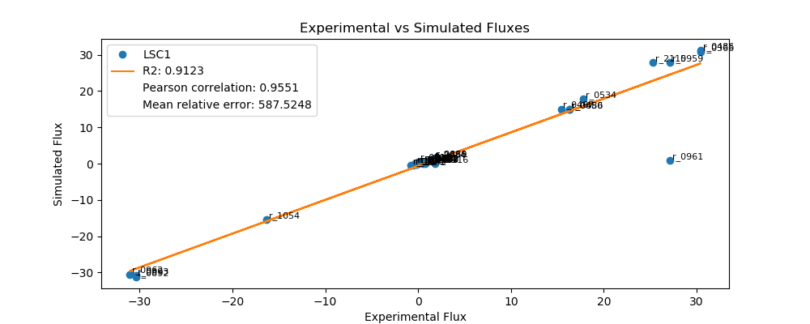
r_0452 | (S)-Malate-mit <==> Fumarate | -0.2030 | -0.1800 | 0.0230 | 11.3360
r_0302 | Citrate <==> Isocitrate | 0.7808 | 0.3610 | 0.4198 | 53.7668
r_0892 | 3-Phospho-D-glycerate <==> 3-Phospho-D-glyceroyl-phosphate | -30.4216 | -31.2310 | 0.8094 | 2.6607
r_0893 | 2-Phospho-D-glycerate <==> 3-Phospho-D-glycerate | -30.4216 | -30.7531 | 0.3315 | 1.0898
r_0889 | 6-Phospho-D-gluconate <==> D-Ribulose-5-phosphate + CO2 | 1.6287 | 1.4199 | 0.2088 | 12.8192
r_1049 | Sedoheptulose-7-phosphate + D-Glyceraldehyde-3-phosphate <==> D-Ribose-5-phosphate + D-Xylulose-5-phosphate | -0.5342 | -0.4666 | 0.0676 | 12.6475
r_1048 | Sedoheptulose-7-phosphate + D-Glyceraldehyde-3-phosphate <==> D-Erythrose-4-phosphate + D-Fructose-6-phosphate | 0.5342 | 0.0000 | 0.5342 | 100.0000
r_1050 | D-Fructose-6-phosphate + D-Glyceraldehyde-3-phosphate <==> D-Erythrose-4-phosphate + D-Xylulose-5-phosphate | 0.4157 | 0.3400 | 0.0757 | 18.2152
r_0466 | D-Glucose-6-phosphate <==> D-Glucono-1,5-lactone-6-phosphate | 1.6287 | 1.4199 | 0.2088 | 12.8192
r_0467 | D-Glucose-6-phosphate <==> D-Fructose-6-phosphate | 15.3905 | 15.0217 | 0.3688 | 2.3960
r_0886 | D-Fructose-6-phosphate <==> D-Fructose-1,6-bisphosphate | 16.3413 | 14.9743 | 1.3669 | 8.3649
r_0959 | Pyruvate <==> Acetaldehyde | 27.1347 | 27.8964 | 0.7617 | 2.8071
r_2115 | Acetaldehyde <==> Ethanol | 25.2964 | 27.8085 | 2.5122 | 9.9310
r_2116 | Acetaldehyde <==> Acetate | 1.8384 | 0.0000 | 1.8384 | 100.0000
r_0112 | Acetate <==> Acetyl-CoA | 0.7701 | 0.1154 | 0.6547 | 85.0194
r_2034 | Pyruvate <==> Pyruvate-mit | 1.5487 | 1.3036 | 0.2451 | 15.8259
r_1239 | Oxaloacetate <==> Oxaloacetate-mit | 0.7883 | 0.0000 | 0.7883 | 100.0000
r_4041 | Biomass | 0.4230 | 0.4792 | 0.0562 | 13.2776

MAE1
 | pFBA Results Case 7 [MAE1]

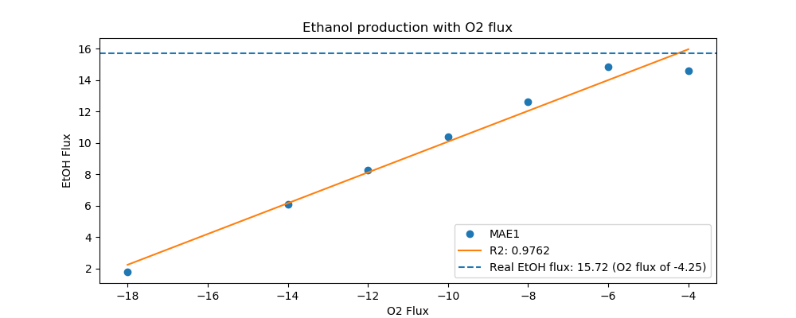
Yeast7_ID | Reaction | MAE1_real_flux | MAE1_sim_flux | MAE1_abs_error | MAE1_rel_error
r_0534 | D-Glucose(ex) <==> D-Glucose-6-phosphate | 12.5000 | 12.5000 | 0.0000 | 0.0000
r_0962 | Pyruvate <==> Phosphoenolpyruvate | -20.8298 | -19.1962 | 1.6336 | 7.8425
r_0961 | Pyruvate-mit + CoA <==> Acetyl-CoA-mit + CO2-mit | 16.8764 | 0.7404 | 16.1359 | 95.6127
r_0718 | (S)-Malate-mit <==> Pyruvate-mit + CO2-mit | 0.0000 | 0.0000 | 0.0000
r_2131 | Isocitrate <==> 2-Oxoglutarate + CO2-mit | 1.2396 | 0.3926 | 0.8471 | 68.3336
r_0713 | (S)-Malate-mit <==> Oxaloacetate-mit | 0.4699 | 0.4374 | 0.0325 | 6.9167
r_0300 | Citrate + CoA <==> Acetyl-CoA-mit + Oxaloacetate-mit | -1.2396 | -0.4374 | 0.8023 | 64.7178
r_1022 | Succinate-mit + CoA <==> Succinyl-CoA | -0.8411 | 0.0000 | 0.8411 | 100.0000
r_0454 | Succinate-mit <==> Fumarate | 0.4699 | 0.0000 | 0.4699 | 100.0000
r_0366 | 2-Phospho-D-glycerate <==> Phosphoenolpyruvate | 20.7301 | 19.5613 | 1.1688 | 5.6380
r_1054 | D-Glyceraldehyde-3-phosphate <==> Glycerone-phosphate | -11.1539 | -10.5191 | 0.6348 | 5.6913
r_0486 | D-Glyceraldehyde-3-phosphate <==> 3-Phospho-D-glyceroyl-phosphate | 20.7301 | 21.1532 | 0.4231 | 2.0408
r_0450 | D-Fructose-1,6-bisphosphate <==> Glycerone-phosphate + D-Glyceraldehyde-3-phosphate | 11.1539 | 10.2416 | 0.9123 | 8.1794

r_0452 | (S)-Malate-mit <==> Fumarate | -0.2042 | -0.1612 | 0.0429 | 21.0245
r_0302 | Citrate <==> Isocitrate | 1.2396 | 0.3926 | 0.8471 | 68.3336
r_0892 | 3-Phospho-D-glycerate <==> 3-Phospho-D-glyceroyl-phosphate | -20.7301 | -21.1532 | 0.4231 | 2.0408
r_0893 | 2-Phospho-D-glycerate <==> 3-Phospho-D-glycerate | -20.7301 | -19.5613 | 1.1688 | 5.6380
r_0889 | 6-Phospho-D-gluconate <==> D-Ribulose-5-phosphate + CO2 | 1.3510 | 0.7933 | 0.5577 | 41.2815
r_1049 | Sedoheptulose-7-phosphate + D-Glyceraldehyde-3-phosphate <==> D-Ribose-5-phosphate + D-Xylulose-5-phosphate | -0.4415 | -0.2815 | 0.1601 | 36.2549
r_1048 | Sedoheptulose-7-phosphate + D-Glyceraldehyde-3-phosphate <==> D-Erythrose-4-phosphate + D-Fructose-6-phosphate | 0.4415 | 0.0000 | 0.4415 | 100.0000
r_1050 | D-Fructose-6-phosphate + D-Glyceraldehyde-3-phosphate <==> D-Erythrose-4-phosphate + D-Xylulose-5-phosphate | 0.3263 | 0.0989 | 0.2274 | 69.6926
r_0466 | D-Glucose-6-phosphate <==> D-Glucono-1,5-lactone-6-phosphate | 1.3510 | 0.7933 | 0.5577 | 41.2815
r_0467 | D-Glucose-6-phosphate <==> D-Fructose-6-phosphate | 10.3861 | 10.4897 | 0.1036 | 0.9978
r_0886 | D-Fructose-6-phosphate <==> D-Fructose-1,6-bisphosphate | 11.1539 | 10.2416 | 0.9123 | 8.1794
r_0959 | Pyruvate <==> Acetaldehyde | 16.8770 | 16.8628 | 0.0142 | 0.0840
r_2115 | Acetaldehyde <==> Ethanol | 15.7208 | 16.7841 | 1.0632 | 6.7631
r_2116 | Acetaldehyde <==> Acetate | 1.1562 | 0.0000 | 1.1562 | 100.0000
r_0112 | Acetate <==> Acetyl-CoA | 0.5700 | 0.1034 | 0.4667 | 81.8682
r_2034 | Pyruvate <==> Pyruvate-mit | 2.1726 | 1.3048 | 0.8678 | 39.9421
r_1239 | Oxaloacetate <==> Oxaloacetate-mit | 1.7083 | 0.0000 | 1.7083 | 100.0000
r_4041 | Biomass | 0.4110 | 0.4293 | 0.0183 | 4.4524

MDH1
 | pFBA Results Case 7 [MDH1]

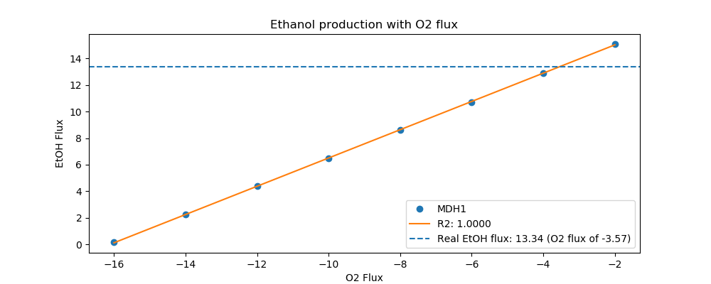
Yeast7_ID | Reaction | MDH1_real_flux | MDH1_sim_flux | MDH1_abs_error | MDH1_rel_error
r_0534 | D-Glucose(ex) <==> D-Glucose-6-phosphate | 10.0000 | 10.0000 | 0.0000 | 0.0000
r_0962 | Pyruvate <==> Phosphoenolpyruvate | -16.8789 | -15.3345 | 1.5444 | 9.1498
r_0961 | Pyruvate-mit + CoA <==> Acetyl-CoA-mit + CO2-mit | 14.4500 | 0.6071 | 13.8429 | 95.7989
r_0718 | (S)-Malate-mit <==> Pyruvate-mit + CO2-mit | 0.0000 | 0.0934 | 0.0934 | inf
r_2131 | Isocitrate <==> 2-Oxoglutarate + CO2-mit | 0.6157 | 0.0000 | 0.6157 | 100.0000
r_0713 | (S)-Malate-mit <==> Oxaloacetate-mit | 0.0000 | 0.0000 | 0.0000
r_0300 | Citrate + CoA <==> Acetyl-CoA-mit + Oxaloacetate-mit | -0.6157 | -0.3586 | 0.2571 | 41.7556
r_1022 | Succinate-mit + CoA <==> Succinyl-CoA | -0.3282 | 0.0000 | 0.3282 | 100.0000
r_0454 | Succinate-mit <==> Fumarate | 0.0000 | 0.0000 | 0.0000
r_0366 | 2-Phospho-D-glycerate <==> Phosphoenolpyruvate | 17.0450 | 15.5205 | 1.5244 | 8.9435
r_1054 | D-Glyceraldehyde-3-phosphate <==> Glycerone-phosphate | -9.1217 | -8.5007 | 0.6210 | 6.8080
r_0486 | D-Glyceraldehyde-3-phosphate <==> 3-Phospho-D-glyceroyl-phosphate | 17.0450 | 17.0276 | 0.0174 | 0.1021
r_0450 | D-Fructose-1,6-bisphosphate <==> Glycerone-phosphate + D-Glyceraldehyde-3-phosphate | 9.1217 | 8.3981 | 0.7237 | 7.9335
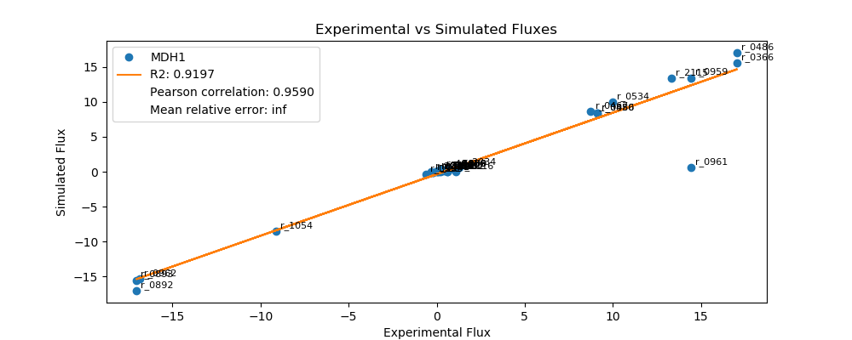
r_0452 | (S)-Malate-mit <==> Fumarate | -0.2079 | -0.1322 | 0.0757 | 36.4049
r_0302 | Citrate <==> Isocitrate | 0.6157 | 0.0000 | 0.6157 | 100.0000
r_0892 | 3-Phospho-D-glycerate <==> 3-Phospho-D-glyceroyl-phosphate | -17.0450 | -17.0276 | 0.0174 | 0.1021
r_0893 | 2-Phospho-D-glycerate <==> 3-Phospho-D-glycerate | -17.0450 | -15.5205 | 1.5244 | 8.9435
r_0889 | 6-Phospho-D-gluconate <==> D-Ribulose-5-phosphate + CO2 | 0.7012 | 0.3325 | 0.3688 | 52.5893
r_1049 | Sedoheptulose-7-phosphate + D-Glyceraldehyde-3-phosphate <==> D-Ribose-5-phosphate + D-Xylulose-5-phosphate | -0.2278 | -0.1059 | 0.1219 | 53.5090
r_1048 | Sedoheptulose-7-phosphate + D-Glyceraldehyde-3-phosphate <==> D-Erythrose-4-phosphate + D-Fructose-6-phosphate | 0.2278 | 0.0000 | 0.2278 | 100.0000
r_1050 | D-Fructose-6-phosphate + D-Glyceraldehyde-3-phosphate <==> D-Erythrose-4-phosphate + D-Xylulose-5-phosphate | 0.1442 | 0.0129 | 0.1314 | 91.0800
r_0466 | D-Glucose-6-phosphate <==> D-Glucono-1,5-lactone-6-phosphate | 0.7012 | 0.3325 | 0.3688 | 52.5893
r_0467 | D-Glucose-6-phosphate <==> D-Fructose-6-phosphate | 8.7498 | 8.6697 | 0.0800 | 0.9146
r_0886 | D-Fructose-6-phosphate <==> D-Fructose-1,6-bisphosphate | 9.1217 | 8.3981 | 0.7237 | 7.9335
r_0959 | Pyruvate <==> Acetaldehyde | 14.4492 | 13.4221 | 1.0271 | 7.1086
r_2115 | Acetaldehyde <==> Ethanol | 13.3430 | 13.3575 | 0.0145 | 0.1090
r_2116 | Acetaldehyde <==> Acetate | 1.1063 | 0.0000 | 1.1063 | 100.0000
r_0112 | Acetate <==> Acetyl-CoA | 0.4100 | 0.0847 | 0.3253 | 79.3342
r_2034 | Pyruvate <==> Pyruvate-mit | 1.2870 | 0.5990 | 0.6879 | 53.4539
r_1239 | Oxaloacetate <==> Oxaloacetate-mit | 0.7515 | 0.3586 | 0.3929 | 52.2848
r_4041 | Biomass | 0.2900 | 0.3520 | 0.0620 | 21.3721

MDH3
 | pFBA Results Case 7 [MDH3]

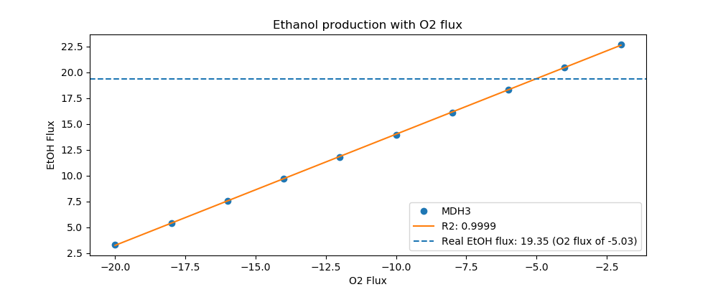
Yeast7_ID | Reaction | MDH3_real_flux | MDH3_sim_flux | MDH3_abs_error | MDH3_rel_error
r_0534 | D-Glucose(ex) <==> D-Glucose-6-phosphate | 14.4000 | 14.4000 | 0.0000 | 0.0000
r_0962 | Pyruvate <==> Phosphoenolpyruvate | -24.3505 | -22.2011 | 2.1494 | 8.8268
r_0961 | Pyruvate-mit + CoA <==> Acetyl-CoA-mit + CO2-mit | 20.6004 | 0.8706 | 19.7298 | 95.7738
r_0718 | (S)-Malate-mit <==> Pyruvate-mit + CO2-mit | 0.1501 | 0.0000 | 0.1501 | 100.0000
r_2131 | Isocitrate <==> 2-Oxoglutarate + CO2-mit | 1.2281 | 0.3803 | 0.8478 | 69.0328
r_0713 | (S)-Malate-mit <==> Oxaloacetate-mit | 0.1923 | 0.5143 | 0.3220 | 167.4910
r_0300 | Citrate + CoA <==> Acetyl-CoA-mit + Oxaloacetate-mit | -1.2281 | -0.5143 | 0.7138 | 58.1244
r_1022 | Succinate-mit + CoA <==> Succinyl-CoA | -0.8338 | 0.0000 | 0.8338 | 100.0000
r_0454 | Succinate-mit <==> Fumarate | 0.3433 | 0.0000 | 0.3433 | 100.0000
r_0366 | 2-Phospho-D-glycerate <==> Phosphoenolpyruvate | 24.5801 | 22.4680 | 2.1121 | 8.5927
r_1054 | D-Glyceraldehyde-3-phosphate <==> Glycerone-phosphate | -13.0002 | -12.1553 | 0.8449 | 6.4992
r_0486 | D-Glyceraldehyde-3-phosphate <==> 3-Phospho-D-glyceroyl-phosphate | 24.5801 | 24.4426 | 0.1375 | 0.5594
r_0450 | D-Fructose-1,6-bisphosphate <==> Glycerone-phosphate + D-Glyceraldehyde-3-phosphate | 13.0002 | 11.9136 | 1.0866 | 8.3586

r_0452 | (S)-Malate-mit <==> Fumarate | -0.2050 | -0.1896 | 0.0154 | 7.5208
r_0302 | Citrate <==> Isocitrate | 1.2281 | 0.3803 | 0.8478 | 69.0328
r_0892 | 3-Phospho-D-glycerate <==> 3-Phospho-D-glyceroyl-phosphate | -24.5801 | -24.4426 | 0.1375 | 0.5594
r_0893 | 2-Phospho-D-glycerate <==> 3-Phospho-D-glycerate | -24.5801 | -22.4680 | 2.1121 | 8.5927
r_0889 | 6-Phospho-D-gluconate <==> D-Ribulose-5-phosphate + CO2 | 1.5401 | 0.7603 | 0.7798 | 50.6320
r_1049 | Sedoheptulose-7-phosphate + D-Glyceraldehyde-3-phosphate <==> D-Ribose-5-phosphate + D-Xylulose-5-phosphate | -0.5052 | -0.2464 | 0.2588 | 51.2311
r_1048 | Sedoheptulose-7-phosphate + D-Glyceraldehyde-3-phosphate <==> D-Erythrose-4-phosphate + D-Fructose-6-phosphate | 0.5052 | 0.0000 | 0.5052 | 100.0000
r_1050 | D-Fructose-6-phosphate + D-Glyceraldehyde-3-phosphate <==> D-Erythrose-4-phosphate + D-Xylulose-5-phosphate | 0.3904 | 0.1130 | 0.2775 | 71.0681
r_0466 | D-Glucose-6-phosphate <==> D-Glucono-1,5-lactone-6-phosphate | 1.5401 | 0.7603 | 0.7798 | 50.6320
r_0467 | D-Glucose-6-phosphate <==> D-Fructose-6-phosphate | 12.1046 | 12.2087 | 0.1040 | 0.8595
r_0886 | D-Fructose-6-phosphate <==> D-Fructose-1,6-bisphosphate | 13.0002 | 11.9136 | 1.0866 | 8.3586
r_0959 | Pyruvate <==> Acetaldehyde | 20.6001 | 19.4585 | 1.1416 | 5.5418
r_2115 | Acetaldehyde <==> Ethanol | 19.3488 | 19.3659 | 0.0171 | 0.0884
r_2116 | Acetaldehyde <==> Acetate | 1.2513 | 0.0000 | 1.2513 | 100.0000
r_0112 | Acetate <==> Acetyl-CoA | 0.5647 | 0.1215 | 0.4431 | 78.4778
r_2034 | Pyruvate <==> Pyruvate-mit | 2.0014 | 1.3734 | 0.6280 | 31.3782
r_1239 | Oxaloacetate <==> Oxaloacetate-mit | 1.1446 | 0.0000 | 1.1446 | 100.0000
r_4041 | Biomass | 0.4050 | 0.5048 | 0.0998 | 24.6401

OAC1
 | pFBA Results Case 7 [OAC1]

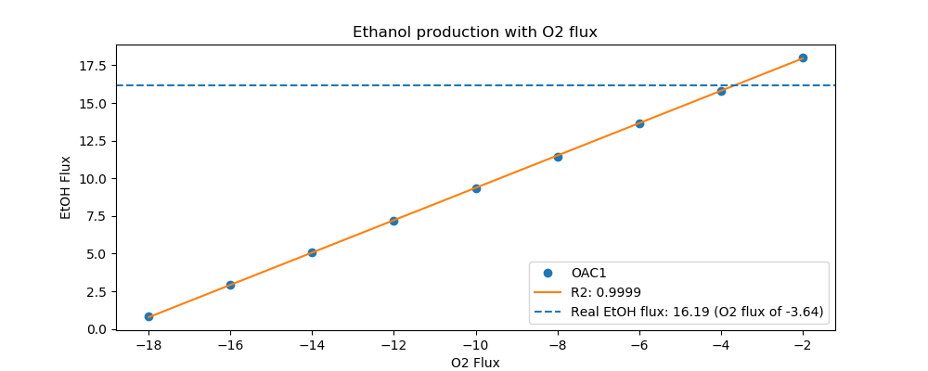
Yeast7_ID | Reaction | OAC1_real_flux | OAC1_sim_flux | OAC1_abs_error | OAC1_rel_error
r_0534 | D-Glucose(ex) <==> D-Glucose-6-phosphate | 11.7000 | 11.7000 | 0.0000 | 0.0000
r_0962 | Pyruvate <==> Phosphoenolpyruvate | -20.0604 | -18.4246 | 1.6358 | 8.1544
r_0961 | Pyruvate-mit + CoA <==> Acetyl-CoA-mit + CO2-mit | 17.5464 | 0.6758 | 16.8706 | 96.1483
r_0718 | (S)-Malate-mit <==> Pyruvate-mit + CO2-mit | 0.0000 | 0.0000 | 0.0000
r_2131 | Isocitrate <==> 2-Oxoglutarate + CO2-mit | 0.6502 | 0.2952 | 0.3549 | 54.5929
r_0713 | (S)-Malate-mit <==> Oxaloacetate-mit | 0.0582 | 0.3992 | 0.3410 | 586.1943
r_0300 | Citrate + CoA <==> Acetyl-CoA-mit + Oxaloacetate-mit | -0.7012 | -0.3992 | 0.3020 | 43.0668
r_1022 | Succinate-mit + CoA <==> Succinyl-CoA | -0.3542 | 0.0000 | 0.3542 | 100.0000
r_0454 | Succinate-mit <==> Fumarate | 0.0582 | 0.0000 | 0.0582 | 100.0000
r_0366 | 2-Phospho-D-glycerate <==> Phosphoenolpyruvate | 19.9695 | 18.6317 | 1.3378 | 6.6993
r_1054 | D-Glyceraldehyde-3-phosphate <==> Glycerone-phosphate | -10.6160 | -9.9281 | 0.6879 | 6.4799
r_0486 | D-Glyceraldehyde-3-phosphate <==> 3-Phospho-D-glyceroyl-phosphate | 19.9695 | 19.9881 | 0.0186 | 0.0930
r_0450 | D-Fructose-1,6-bisphosphate <==> Glycerone-phosphate + D-Glyceraldehyde-3-phosphate | 10.6160 | 9.7111 | 0.9050 | 8.5244
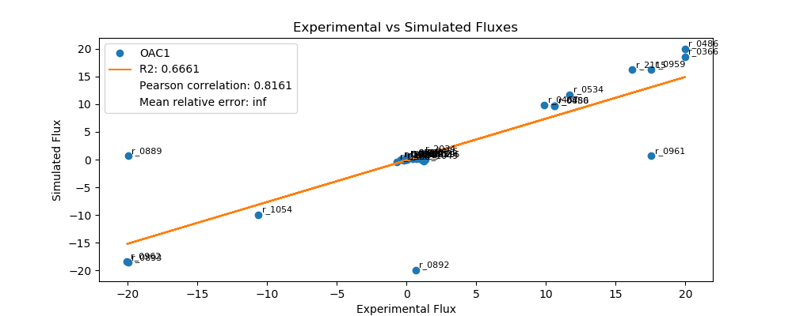
r_0452 | (S)-Malate-mit <==> Fumarate | -0.2133 | -0.1472 | 0.0661 | 31.0077
r_0302 | Citrate <==> Isocitrate | 0.0000 | 0.2952 | 0.2952 | inf
r_0892 | 3-Phospho-D-glycerate <==> 3-Phospho-D-glyceroyl-phosphate | 0.6502 | -19.9881 | 20.6383 | 3,174.2854
r_0893 | 2-Phospho-D-glycerate <==> 3-Phospho-D-glycerate | -19.9695 | -18.6317 | 1.3378 | 6.6993
r_0889 | 6-Phospho-D-gluconate <==> D-Ribulose-5-phosphate + CO2 | -19.9695 | 0.6784 | 20.6479 | 103.3971
r_1049 | Sedoheptulose-7-phosphate + D-Glyceraldehyde-3-phosphate <==> D-Ribose-5-phosphate + D-Xylulose-5-phosphate | 1.2462 | -0.2206 | 1.4669 | 117.7049
r_1048 | Sedoheptulose-7-phosphate + D-Glyceraldehyde-3-phosphate <==> D-Erythrose-4-phosphate + D-Fructose-6-phosphate | -0.4093 | 0.0000 | 0.4093 | 100.0000
r_1050 | D-Fructose-6-phosphate + D-Glyceraldehyde-3-phosphate <==> D-Erythrose-4-phosphate + D-Xylulose-5-phosphate | 0.4093 | 0.1171 | 0.2922 | 71.3944
r_0466 | D-Glucose-6-phosphate <==> D-Glucono-1,5-lactone-6-phosphate | 1.2462 | 0.6784 | 0.5679 | 45.5657
r_0467 | D-Glucose-6-phosphate <==> D-Fructose-6-phosphate | 9.8822 | 9.9108 | 0.0286 | 0.2892
r_0886 | D-Fructose-6-phosphate <==> D-Fructose-1,6-bisphosphate | 10.6160 | 9.7111 | 0.9050 | 8.5244
r_0959 | Pyruvate <==> Acetaldehyde | 17.5474 | 16.2955 | 1.2519 | 7.1342
r_2115 | Acetaldehyde <==> Ethanol | 16.1947 | 16.2237 | 0.0290 | 0.1789
r_2116 | Acetaldehyde <==> Acetate | 1.3527 | 0.0000 | 1.3527 | 100.0000
r_0112 | Acetate <==> Acetyl-CoA | 0.7403 | 0.0943 | 0.6459 | 87.2564
r_2034 | Pyruvate <==> Pyruvate-mit | 1.0768 | 1.0661 | 0.0107 | 0.9910
r_1239 | Oxaloacetate <==> Oxaloacetate-mit | 1.0565 | 0.0000 | 1.0565 | 100.0000
r_4041 | Biomass | 0.2900 | 0.3919 | 0.1019 | 35.1209

PCK1
 | pFBA Results Case 7 [PCK1]

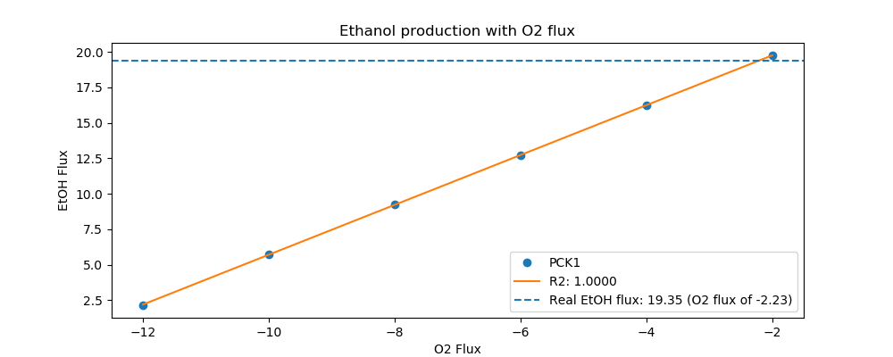
Yeast7_ID | Reaction | PCK1_real_flux | PCK1_sim_flux | PCK1_abs_error | PCK1_rel_error
r_0534 | D-Glucose(ex) <==> D-Glucose-6-phosphate | 13.4000 | 13.4000 | 0.0000 | 0.0000
r_0962 | Pyruvate <==> Phosphoenolpyruvate | -23.1630 | -22.7770 | 0.3860 | 1.6664
r_0961 | Pyruvate-mit + CoA <==> Acetyl-CoA-mit + CO2-mit | 20.4918 | 0.6371 | 19.8546 | 96.8908
r_0718 | (S)-Malate-mit <==> Pyruvate-mit + CO2-mit | 0.0000 | 0.0000 | 0.0000
r_2131 | Isocitrate <==> 2-Oxoglutarate + CO2-mit | 0.7098 | 0.2783 | 0.4315 | 60.7882
r_0713 | (S)-Malate-mit <==> Oxaloacetate-mit | 0.0000 | 0.3764 | 0.3764 | inf
r_0300 | Citrate + CoA <==> Acetyl-CoA-mit + Oxaloacetate-mit | -0.7098 | -0.3764 | 0.3334 | 46.9757
r_1022 | Succinate-mit + CoA <==> Succinyl-CoA | -0.4097 | 0.0000 | 0.4097 | 100.0000
r_0454 | Succinate-mit <==> Fumarate | 0.0000 | 0.0000 | 0.0000
r_0366 | 2-Phospho-D-glycerate <==> Phosphoenolpyruvate | 23.3361 | 22.9722 | 0.3638 | 1.5590
r_1054 | D-Glyceraldehyde-3-phosphate <==> Glycerone-phosphate | -12.4106 | -11.5961 | 0.8145 | 6.5632
r_0486 | D-Glyceraldehyde-3-phosphate <==> 3-Phospho-D-glyceroyl-phosphate | 23.3361 | 23.4499 | 0.1139 | 0.4879
r_0450 | D-Fructose-1,6-bisphosphate <==> Glycerone-phosphate + D-Glyceraldehyde-3-phosphate | 12.4106 | 11.2579 | 1.1527 | 9.2877
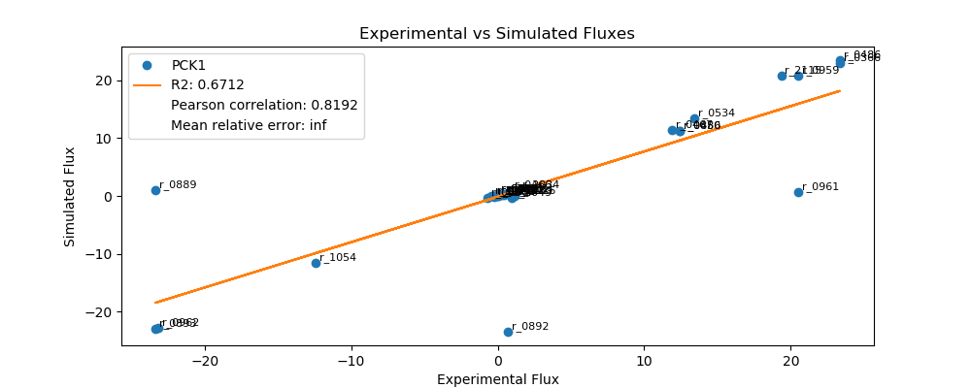
r_0452 | (S)-Malate-mit <==> Fumarate | -0.2141 | -0.1387 | 0.0753 | 35.1833
r_0302 | Citrate <==> Isocitrate | 0.0000 | 0.2783 | 0.2783 | inf
r_0892 | 3-Phospho-D-glycerate <==> 3-Phospho-D-glyceroyl-phosphate | 0.7098 | -23.4499 | 24.1597 | 3,403.7749
r_0893 | 2-Phospho-D-glycerate <==> 3-Phospho-D-glycerate | -23.3361 | -22.9722 | 0.3638 | 1.5590
r_0889 | 6-Phospho-D-gluconate <==> D-Ribulose-5-phosphate + CO2 | -23.3361 | 1.0401 | 24.3761 | 104.4570
r_1049 | Sedoheptulose-7-phosphate + D-Glyceraldehyde-3-phosphate <==> D-Ribose-5-phosphate + D-Xylulose-5-phosphate | 0.9361 | -0.3415 | 1.2777 | 136.4821
r_1048 | Sedoheptulose-7-phosphate + D-Glyceraldehyde-3-phosphate <==> D-Erythrose-4-phosphate + D-Fructose-6-phosphate | -0.3062 | 0.0000 | 0.3062 | 100.0000
r_1050 | D-Fructose-6-phosphate + D-Glyceraldehyde-3-phosphate <==> D-Erythrose-4-phosphate + D-Xylulose-5-phosphate | 0.3062 | 0.2439 | 0.0624 | 20.3614
r_0466 | D-Glucose-6-phosphate <==> D-Glucono-1,5-lactone-6-phosphate | 0.9361 | 1.0401 | 0.1039 | 11.1025
r_0467 | D-Glucose-6-phosphate <==> D-Fructose-6-phosphate | 11.8852 | 11.3127 | 0.5725 | 4.8170
r_0886 | D-Fructose-6-phosphate <==> D-Fructose-1,6-bisphosphate | 12.4106 | 11.2579 | 1.1527 | 9.2877
r_0959 | Pyruvate <==> Acetaldehyde | 20.4919 | 20.7698 | 0.2780 | 1.3565
r_2115 | Acetaldehyde <==> Ethanol | 19.3466 | 20.7021 | 1.3555 | 7.0065
r_2116 | Acetaldehyde <==> Acetate | 1.1453 | 0.0000 | 1.1453 | 100.0000
r_0112 | Acetate <==> Acetyl-CoA | 0.4283 | 0.0889 | 0.3394 | 79.2368
r_2034 | Pyruvate <==> Pyruvate-mit | 1.4126 | 1.0051 | 0.4076 | 28.8516
r_1239 | Oxaloacetate <==> Oxaloacetate-mit | 0.9538 | 0.0000 | 0.9538 | 100.0000
r_4041 | Biomass | 0.4000 | 0.3694 | 0.0306 | 7.6458

PDA1
 | pFBA Results Case 7 [PDA1]

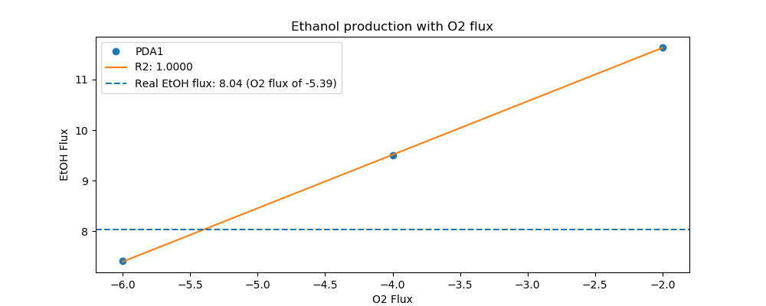
Yeast7_ID | Reaction | PDA1_real_flux | PDA1_sim_flux | PDA1_abs_error | PDA1_rel_error
r_0534 | D-Glucose(ex) <==> D-Glucose-6-phosphate | 8.0000 | 8.0000 | 0.0000 | 0.0000
r_0962 | Pyruvate <==> Phosphoenolpyruvate | -13.4065 | -10.1612 | 3.2453 | 24.2069
r_0961 | Pyruvate-mit + CoA <==> Acetyl-CoA-mit + CO2-mit | 11.0818 | 0.0000 | 11.0818 | 100.0000
r_0718 | (S)-Malate-mit <==> Pyruvate-mit + CO2-mit | 0.0219 | 0.0000 | 0.0219 | 100.0000
r_2131 | Isocitrate <==> 2-Oxoglutarate + CO2-mit | 2.1223 | 0.2840 | 1.8384 | 86.6203
r_0713 | (S)-Malate-mit <==> Oxaloacetate-mit | 0.4627 | 0.3840 | 0.0787 | 17.0034
r_0300 | Citrate + CoA <==> Acetyl-CoA-mit + Oxaloacetate-mit | -2.1223 | -0.3840 | 1.7383 | 81.9072
r_1022 | Succinate-mit + CoA <==> Succinyl-CoA | -1.9637 | 0.0000 | 1.9637 | 100.0000
r_0454 | Succinate-mit <==> Fumarate | 0.7695 | 0.0000 | 0.7695 | 100.0000
r_0366 | 2-Phospho-D-glycerate <==> Phosphoenolpyruvate | 13.4996 | 10.3604 | 3.1392 | 23.2537
r_1054 | D-Glyceraldehyde-3-phosphate <==> Glycerone-phosphate | -7.5430 | -6.5132 | 1.0298 | 13.6524
r_0486 | D-Glyceraldehyde-3-phosphate <==> 3-Phospho-D-glyceroyl-phosphate | 13.4996 | 12.9358 | 0.5638 | 4.1766
r_0450 | D-Fructose-1,6-bisphosphate <==> Glycerone-phosphate + D-Glyceraldehyde-3-phosphate | 7.5430 | 6.5167 | 1.0263 | 13.6065
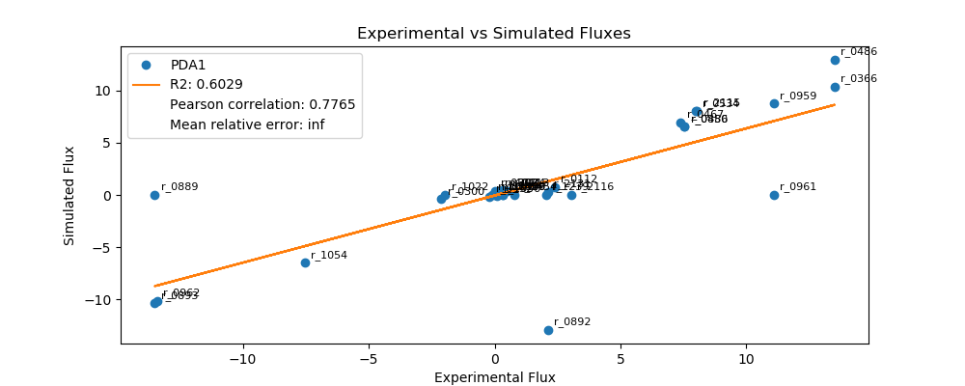
r_0452 | (S)-Malate-mit <==> Fumarate | -0.1986 | -0.1416 | 0.0570 | 28.7035
r_0302 | Citrate <==> Isocitrate | 0.0000 | 0.3840 | 0.3840 | inf
r_0892 | 3-Phospho-D-glycerate <==> 3-Phospho-D-glyceroyl-phosphate | 2.1223 | -12.9358 | 15.0581 | 709.5123
r_0893 | 2-Phospho-D-glycerate <==> 3-Phospho-D-glycerate | -13.4996 | -10.3604 | 3.1392 | 23.2537
r_0889 | 6-Phospho-D-gluconate <==> D-Ribulose-5-phosphate + CO2 | -13.4996 | 0.0000 | 13.4996 | 100.0000
r_1049 | Sedoheptulose-7-phosphate + D-Glyceraldehyde-3-phosphate <==> D-Ribose-5-phosphate + D-Xylulose-5-phosphate | 0.3069 | 0.0053 | 0.3016 | 98.2816
r_1048 | Sedoheptulose-7-phosphate + D-Glyceraldehyde-3-phosphate <==> D-Erythrose-4-phosphate + D-Fructose-6-phosphate | -0.0988 | 0.0053 | 0.1041 | 105.3368
r_1050 | D-Fructose-6-phosphate + D-Glyceraldehyde-3-phosphate <==> D-Erythrose-4-phosphate + D-Xylulose-5-phosphate | 0.0988 | -0.1049 | 0.2037 | 206.1609
r_0466 | D-Glucose-6-phosphate <==> D-Glucono-1,5-lactone-6-phosphate | 0.3069 | 0.0000 | 0.3069 | 100.0000
r_0467 | D-Glucose-6-phosphate <==> D-Fructose-6-phosphate | 7.3920 | 6.9315 | 0.4605 | 6.2293
r_0886 | D-Fructose-6-phosphate <==> D-Fructose-1,6-bisphosphate | 7.5430 | 6.5167 | 1.0263 | 13.6065
r_0959 | Pyruvate <==> Acetaldehyde | 11.0826 | 8.7635 | 2.3191 | 20.9259
r_2115 | Acetaldehyde <==> Ethanol | 8.0414 | 8.0443 | 0.0029 | 0.0361
r_2116 | Acetaldehyde <==> Acetate | 3.0412 | 0.0014 | 3.0398 | 99.9524
r_0112 | Acetate <==> Acetyl-CoA | 2.3762 | 0.7408 | 1.6354 | 68.8247
r_2034 | Pyruvate <==> Pyruvate-mit | 0.3222 | 0.4348 | 0.1126 | 34.9645
r_1239 | Oxaloacetate <==> Oxaloacetate-mit | 2.0429 | 0.0000 | 2.0429 | 100.0000
r_4041 | Biomass | 0.1700 | 0.3769 | 0.2069 | 121.7061

PGM1
 | pFBA Results Case 7 [PGM1]

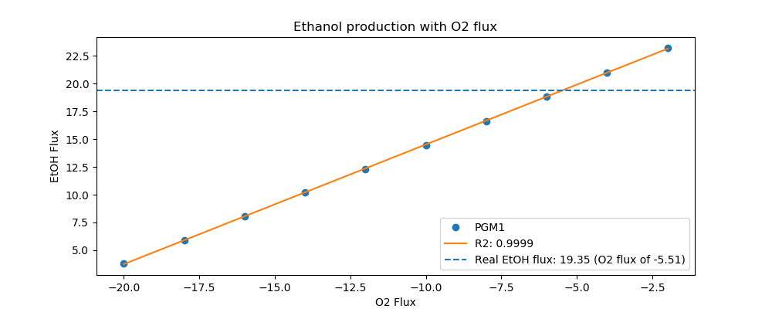
Yeast7_ID | Reaction | PGM1_real_flux | PGM1_sim_flux | PGM1_abs_error | PGM1_rel_error
r_0534 | D-Glucose(ex) <==> D-Glucose-6-phosphate | 14.7000 | 14.7000 | 0.0000 | 0.0000
r_0962 | Pyruvate <==> Phosphoenolpyruvate | -24.4366 | -22.3395 | 2.0971 | 8.5820
r_0961 | Pyruvate-mit + CoA <==> Acetyl-CoA-mit + CO2-mit | 20.5964 | 0.9152 | 19.6812 | 95.5563
r_0718 | (S)-Malate-mit <==> Pyruvate-mit + CO2-mit | 0.3193 | 0.0000 | 0.3193 | 100.0000
r_2131 | Isocitrate <==> 2-Oxoglutarate + CO2-mit | 1.4606 | 0.3998 | 1.0608 | 72.6268
r_0713 | (S)-Malate-mit <==> Oxaloacetate-mit | 0.3414 | 0.5406 | 0.1993 | 58.3743
r_0300 | Citrate + CoA <==> Acetyl-CoA-mit + Oxaloacetate-mit | -1.4606 | -0.5406 | 0.9199 | 62.9845
r_1022 | Succinate-mit + CoA <==> Succinyl-CoA | -1.0712 | 0.0000 | 1.0712 | 100.0000
r_0454 | Succinate-mit <==> Fumarate | 0.6807 | 0.0000 | 0.6807 | 100.0000
r_0366 | 2-Phospho-D-glycerate <==> Phosphoenolpyruvate | 24.6228 | 22.6200 | 2.0028 | 8.1341
r_1054 | D-Glyceraldehyde-3-phosphate <==> Glycerone-phosphate | -13.5558 | -12.3649 | 1.1908 | 8.7846
r_0486 | D-Glyceraldehyde-3-phosphate <==> 3-Phospho-D-glyceroyl-phosphate | 24.6228 | 24.8439 | 0.2211 | 0.8978
r_0450 | D-Fructose-1,6-bisphosphate <==> Glycerone-phosphate + D-Glyceraldehyde-3-phosphate | 13.5558 | 12.1355 | 1.4203 | 10.4771
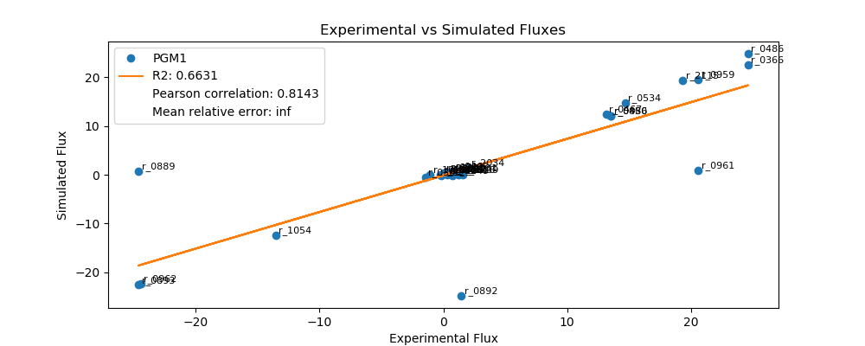
r_0452 | (S)-Malate-mit <==> Fumarate | -0.2092 | -0.1993 | 0.0099 | 4.7384
r_0302 | Citrate <==> Isocitrate | 0.0000 | 0.3998 | 0.3998 | inf
r_0892 | 3-Phospho-D-glycerate <==> 3-Phospho-D-glyceroyl-phosphate | 1.4606 | -24.8439 | 26.3045 | 1,800.9482
r_0893 | 2-Phospho-D-glycerate <==> 3-Phospho-D-glycerate | -24.6228 | -22.6200 | 2.0028 | 8.1341
r_0889 | 6-Phospho-D-gluconate <==> D-Ribulose-5-phosphate + CO2 | -24.6228 | 0.7252 | 25.3480 | 102.9453
r_1049 | Sedoheptulose-7-phosphate + D-Glyceraldehyde-3-phosphate <==> D-Ribose-5-phosphate + D-Xylulose-5-phosphate | 0.7668 | -0.2343 | 1.0011 | 130.5560
r_1048 | Sedoheptulose-7-phosphate + D-Glyceraldehyde-3-phosphate <==> D-Erythrose-4-phosphate + D-Fructose-6-phosphate | -0.2473 | 0.0000 | 0.2473 | 100.0000
r_1050 | D-Fructose-6-phosphate + D-Glyceraldehyde-3-phosphate <==> D-Erythrose-4-phosphate + D-Xylulose-5-phosphate | 0.2473 | 0.0941 | 0.1532 | 61.9613
r_0466 | D-Glucose-6-phosphate <==> D-Glucono-1,5-lactone-6-phosphate | 0.7668 | 0.7252 | 0.0416 | 5.4277
r_0467 | D-Glucose-6-phosphate <==> D-Fructose-6-phosphate | 13.1683 | 12.4704 | 0.6979 | 5.3001
r_0886 | D-Fructose-6-phosphate <==> D-Fructose-1,6-bisphosphate | 13.5558 | 12.1355 | 1.4203 | 10.4771
r_0959 | Pyruvate <==> Acetaldehyde | 20.5965 | 19.4562 | 1.1402 | 5.5361
r_2115 | Acetaldehyde <==> Ethanol | 19.3526 | 19.3589 | 0.0063 | 0.0323
r_2116 | Acetaldehyde <==> Acetate | 1.2438 | 0.0000 | 1.2438 | 100.0000
r_0112 | Acetate <==> Acetyl-CoA | 0.5431 | 0.1278 | 0.4153 | 76.4757
r_2034 | Pyruvate <==> Pyruvate-mit | 2.0500 | 1.4438 | 0.6063 | 29.5731
r_1239 | Oxaloacetate <==> Oxaloacetate-mit | 1.5665 | 0.0000 | 1.5665 | 100.0000
r_4041 | Biomass | 0.3700 | 0.5307 | 0.1607 | 43.4238

PGM2
 | pFBA Results Case 7 [PGM2]


Yeast7_ID | Reaction | PGM2_real_flux | PGM2_sim_flux | PGM2_abs_error | PGM2_rel_error
r_0534 | D-Glucose(ex) <==> D-Glucose-6-phosphate | 16.1000 | 16.1000 | 0.0000 | 0.0000
r_0962 | Pyruvate <==> Phosphoenolpyruvate | -28.1620 | -25.0501 | 3.1119 | 11.0501
r_0961 | Pyruvate-mit + CoA <==> Acetyl-CoA-mit + CO2-mit | 23.4361 | 0.9548 | 22.4813 | 95.9261
r_0718 | (S)-Malate-mit <==> Pyruvate-mit + CO2-mit | 0.4726 | 0.0000 | 0.4726 | 100.0000
r_2131 | Isocitrate <==> 2-Oxoglutarate + CO2-mit | 1.6460 | 0.4171 | 1.2290 | 74.6619
r_0713 | (S)-Malate-mit <==> Oxaloacetate-mit | 0.4476 | 0.5640 | 0.1164 | 26.0163
r_0300 | Citrate + CoA <==> Acetyl-CoA-mit + Oxaloacetate-mit | -1.6460 | -0.5640 | 1.0821 | 65.7364
r_1022 | Succinate-mit + CoA <==> Succinyl-CoA | -1.2105 | 0.0000 | 1.2105 | 100.0000
r_0454 | Succinate-mit <==> Fumarate | 0.9201 | 0.0000 | 0.9201 | 100.0000
r_0366 | 2-Phospho-D-glycerate <==> Phosphoenolpyruvate | 27.7775 | 25.3427 | 2.4348 | 8.7654
r_1054 | D-Glyceraldehyde-3-phosphate <==> Glycerone-phosphate | -14.7673 | -13.6210 | 1.1464 | 7.7628
r_0486 | D-Glyceraldehyde-3-phosphate <==> 3-Phospho-D-glyceroyl-phosphate | 27.7775 | 27.4040 | 0.3735 | 1.3446
r_0450 | D-Fructose-1,6-bisphosphate <==> Glycerone-phosphate + D-Glyceraldehyde-3-phosphate | 14.7673 | 13.3385 | 1.4288 | 9.6755
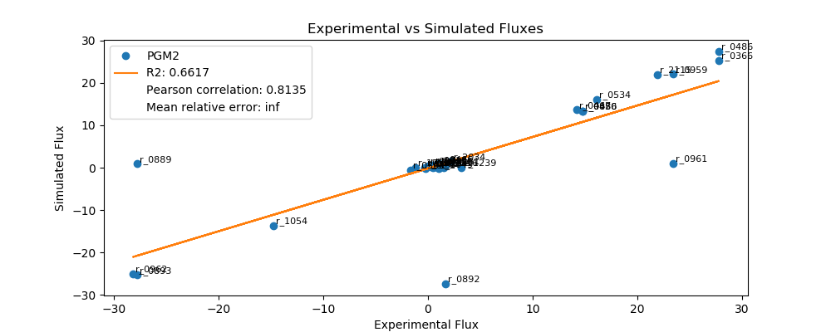
r_0452 | (S)-Malate-mit <==> Fumarate | -0.2093 | -0.2079 | 0.0013 | 0.6396
r_0302 | Citrate <==> Isocitrate | 0.0000 | 0.4171 | 0.4171 | inf
r_0892 | 3-Phospho-D-glycerate <==> 3-Phospho-D-glyceroyl-phosphate | 1.6460 | -27.4040 | 29.0500 | 1,764.8393
r_0893 | 2-Phospho-D-glycerate <==> 3-Phospho-D-glycerate | -27.7775 | -25.3427 | 2.4348 | 8.7654
r_0889 | 6-Phospho-D-gluconate <==> D-Ribulose-5-phosphate + CO2 | -27.7775 | 0.8859 | 28.6634 | 103.1891
r_1049 | Sedoheptulose-7-phosphate + D-Glyceraldehyde-3-phosphate <==> D-Ribose-5-phosphate + D-Xylulose-5-phosphate | 1.0063 | -0.2875 | 1.2938 | 128.5754
r_1048 | Sedoheptulose-7-phosphate + D-Glyceraldehyde-3-phosphate <==> D-Erythrose-4-phosphate + D-Fructose-6-phosphate | -0.3264 | 0.0000 | 0.3264 | 100.0000
r_1050 | D-Fructose-6-phosphate + D-Glyceraldehyde-3-phosphate <==> D-Erythrose-4-phosphate + D-Xylulose-5-phosphate | 0.3264 | 0.1412 | 0.1852 | 56.7326
r_0466 | D-Glucose-6-phosphate <==> D-Glucono-1,5-lactone-6-phosphate | 1.0063 | 0.8859 | 0.1204 | 11.9648
r_0467 | D-Glucose-6-phosphate <==> D-Fructose-6-phosphate | 14.2347 | 13.6448 | 0.5899 | 4.1441
r_0886 | D-Fructose-6-phosphate <==> D-Fructose-1,6-bisphosphate | 14.7673 | 13.3385 | 1.4288 | 9.6755
r_0959 | Pyruvate <==> Acetaldehyde | 23.4369 | 22.0423 | 1.3946 | 5.9505
r_2115 | Acetaldehyde <==> Ethanol | 21.9308 | 21.9408 | 0.0100 | 0.0456
r_2116 | Acetaldehyde <==> Acetate | 1.5062 | 0.0000 | 1.5062 | 100.0000
r_0112 | Acetate <==> Acetyl-CoA | 0.6050 | 0.1333 | 0.4717 | 77.9714
r_2034 | Pyruvate <==> Pyruvate-mit | 2.1935 | 1.5061 | 0.6874 | 31.3379
r_1239 | Oxaloacetate <==> Oxaloacetate-mit | 3.2150 | 0.0000 | 3.2150 | 100.0000
r_4041 | Biomass | 0.4100 | 0.5536 | 0.1436 | 35.0210

RPE1
 | pFBA Results Case 7 [RPE1]

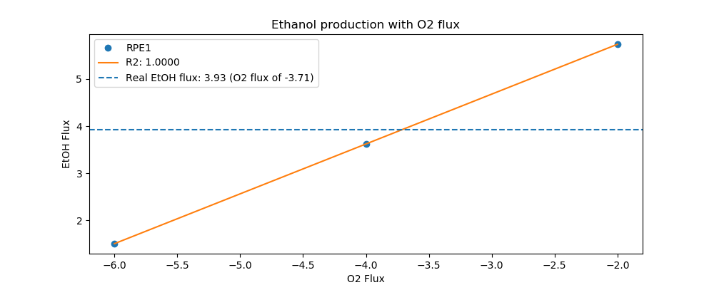
Yeast7_ID | Reaction | RPE1_real_flux | RPE1_sim_flux | RPE1_abs_error | RPE1_rel_error
r_0534 | D-Glucose(ex) <==> D-Glucose-6-phosphate | 4.6000 | 4.6000 | 0.0000 | 0.0000
r_0962 | Pyruvate <==> Phosphoenolpyruvate | -7.7036 | -5.3068 | 2.3968 | 31.1128
r_0961 | Pyruvate-mit + CoA <==> Acetyl-CoA-mit + CO2-mit | 4.5268 | 0.4252 | 4.1017 | 90.6080
r_0718 | (S)-Malate-mit <==> Pyruvate-mit + CO2-mit | 0.3304 | 0.0397 | 0.2907 | 87.9894
r_2131 | Isocitrate <==> 2-Oxoglutarate + CO2-mit | 1.6073 | 0.2254 | 1.3819 | 85.9758
r_0713 | (S)-Malate-mit <==> Oxaloacetate-mit | 0.5983 | 0.2511 | 0.3472 | 58.0237
r_0300 | Citrate + CoA <==> Acetyl-CoA-mit + Oxaloacetate-mit | -1.6073 | -0.2511 | 1.3561 | 84.3745
r_1022 | Succinate-mit + CoA <==> Succinyl-CoA | -1.4138 | 0.0000 | 1.4138 | 100.0000
r_0454 | Succinate-mit <==> Fumarate | 0.9417 | 0.0000 | 0.9417 | 100.0000
r_0366 | 2-Phospho-D-glycerate <==> Phosphoenolpyruvate | 7.6258 | 5.4371 | 2.1886 | 28.7005
r_1054 | D-Glyceraldehyde-3-phosphate <==> Glycerone-phosphate | -4.0194 | -3.5916 | 0.4278 | 10.6442
r_0486 | D-Glyceraldehyde-3-phosphate <==> 3-Phospho-D-glyceroyl-phosphate | 7.6258 | 7.1598 | 0.4659 | 6.1101
r_0450 | D-Fructose-1,6-bisphosphate <==> Glycerone-phosphate + D-Glyceraldehyde-3-phosphate | 4.0194 | 3.5613 | 0.4581 | 11.3983
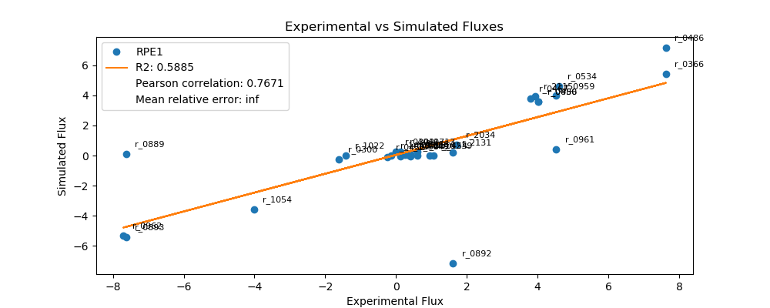
r_0452 | (S)-Malate-mit <==> Fumarate | -0.2466 | -0.0926 | 0.1541 | 62.4606
r_0302 | Citrate <==> Isocitrate | 0.0000 | 0.2511 | 0.2511 | inf
r_0892 | 3-Phospho-D-glycerate <==> 3-Phospho-D-glyceroyl-phosphate | 1.6073 | -7.1598 | 8.7671 | 545.4602
r_0893 | 2-Phospho-D-glycerate <==> 3-Phospho-D-glycerate | -7.6258 | -5.4371 | 2.1886 | 28.7005
r_0889 | 6-Phospho-D-gluconate <==> D-Ribulose-5-phosphate + CO2 | -7.6258 | 0.1081 | 7.7338 | 101.4172
r_1049 | Sedoheptulose-7-phosphate + D-Glyceraldehyde-3-phosphate <==> D-Ribose-5-phosphate + D-Xylulose-5-phosphate | 0.4142 | -0.0326 | 0.4468 | 107.8647
r_1048 | Sedoheptulose-7-phosphate + D-Glyceraldehyde-3-phosphate <==> D-Erythrose-4-phosphate + D-Fructose-6-phosphate | -0.1345 | 0.0000 | 0.1345 | 100.0000
r_1050 | D-Fructose-6-phosphate + D-Glyceraldehyde-3-phosphate <==> D-Erythrose-4-phosphate + D-Xylulose-5-phosphate | 0.1345 | -0.0326 | 0.1671 | 124.2148
r_0466 | D-Glucose-6-phosphate <==> D-Glucono-1,5-lactone-6-phosphate | 0.4142 | 0.1081 | 0.3061 | 73.9083
r_0467 | D-Glucose-6-phosphate <==> D-Fructose-6-phosphate | 3.7975 | 3.7931 | 0.0044 | 0.1170
r_0886 | D-Fructose-6-phosphate <==> D-Fructose-1,6-bisphosphate | 4.0194 | 3.5613 | 0.4581 | 11.3983
r_0959 | Pyruvate <==> Acetaldehyde | 4.5267 | 3.9675 | 0.5592 | 12.3542
r_2115 | Acetaldehyde <==> Ethanol | 3.9261 | 3.9223 | 0.0039 | 0.0992
r_2116 | Acetaldehyde <==> Acetate | 0.6006 | 0.0009 | 0.5996 | 99.8464
r_0112 | Acetate <==> Acetyl-CoA | 0.2465 | 0.0593 | 0.1872 | 75.9272
r_2034 | Pyruvate <==> Pyruvate-mit | 1.7195 | 0.7096 | 1.0099 | 58.7334
r_1239 | Oxaloacetate <==> Oxaloacetate-mit | 1.0624 | 0.0000 | 1.0624 | 100.0000
r_4041 | Biomass | 0.1316 | 0.2465 | 0.1149 | 87.3180

SDH1
 | pFBA Results Case 7 [SDH1]


Yeast7_ID | Reaction | SDH1_real_flux | SDH1_sim_flux | SDH1_abs_error | SDH1_rel_error
r_0534 | D-Glucose(ex) <==> D-Glucose-6-phosphate | 13.4000 | 13.4000 | 0.0000 | 0.0000
r_0962 | Pyruvate <==> Phosphoenolpyruvate | -23.1630 | -21.7401 | 1.4229 | 6.1429
r_0961 | Pyruvate-mit + CoA <==> Acetyl-CoA-mit + CO2-mit | 20.4918 | 0.7219 | 19.7699 | 96.4773
r_0718 | (S)-Malate-mit <==> Pyruvate-mit + CO2-mit | 0.0000 | 0.0000 | 0.0000
r_2131 | Isocitrate <==> 2-Oxoglutarate + CO2-mit | 0.7098 | 0.3153 | 0.3945 | 55.5741
r_0713 | (S)-Malate-mit <==> Oxaloacetate-mit | 0.0000 | 0.4264 | 0.4264 | inf
r_0300 | Citrate + CoA <==> Acetyl-CoA-mit + Oxaloacetate-mit | -0.7098 | -0.4264 | 0.2834 | 39.9249
r_1022 | Succinate-mit + CoA <==> Succinyl-CoA | -0.4097 | 0.0000 | 0.4097 | 100.0000
r_0454 | Succinate-mit <==> Fumarate | 0.0000 | 0.0000 | 0.0000
r_0366 | 2-Phospho-D-glycerate <==> Phosphoenolpyruvate | 23.3361 | 21.9613 | 1.3747 | 5.8910
r_1054 | D-Glyceraldehyde-3-phosphate <==> Glycerone-phosphate | -12.4106 | -11.4566 | 0.9540 | 7.6871
r_0486 | D-Glyceraldehyde-3-phosphate <==> 3-Phospho-D-glyceroyl-phosphate | 23.3361 | 23.1048 | 0.2312 | 0.9909
r_0450 | D-Fructose-1,6-bisphosphate <==> Glycerone-phosphate + D-Glyceraldehyde-3-phosphate | 12.4106 | 11.1739 | 1.2367 | 9.9651
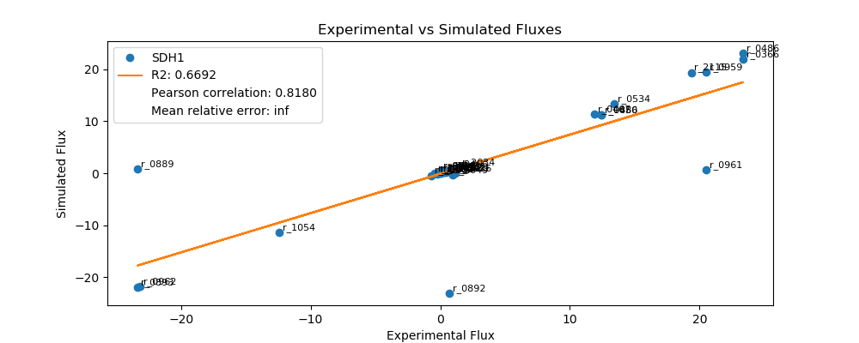
r_0452 | (S)-Malate-mit <==> Fumarate | -0.2141 | -0.1572 | 0.0569 | 26.5644
r_0302 | Citrate <==> Isocitrate | 0.0000 | 0.3153 | 0.3153 | inf
r_0892 | 3-Phospho-D-glycerate <==> 3-Phospho-D-glyceroyl-phosphate | 0.7098 | -23.1048 | 23.8146 | 3,355.1568
r_0893 | 2-Phospho-D-glycerate <==> 3-Phospho-D-glycerate | -23.3361 | -21.9613 | 1.3747 | 5.8910
r_0889 | 6-Phospho-D-gluconate <==> D-Ribulose-5-phosphate + CO2 | -23.3361 | 0.8772 | 24.2133 | 103.7591
r_1049 | Sedoheptulose-7-phosphate + D-Glyceraldehyde-3-phosphate <==> D-Ribose-5-phosphate + D-Xylulose-5-phosphate | 0.9361 | -0.2866 | 1.2227 | 130.6100
r_1048 | Sedoheptulose-7-phosphate + D-Glyceraldehyde-3-phosphate <==> D-Erythrose-4-phosphate + D-Fructose-6-phosphate | -0.3062 | 0.0000 | 0.3062 | 100.0000
r_1050 | D-Fructose-6-phosphate + D-Glyceraldehyde-3-phosphate <==> D-Erythrose-4-phosphate + D-Xylulose-5-phosphate | 0.3062 | 0.1759 | 0.1303 | 42.5511
r_0466 | D-Glucose-6-phosphate <==> D-Glucono-1,5-lactone-6-phosphate | 0.9361 | 0.8772 | 0.0589 | 6.2936
r_0467 | D-Glucose-6-phosphate <==> D-Fructose-6-phosphate | 11.8852 | 11.3363 | 0.5489 | 4.6184
r_0886 | D-Fructose-6-phosphate <==> D-Fructose-1,6-bisphosphate | 12.4106 | 11.1739 | 1.2367 | 9.9651
r_0959 | Pyruvate <==> Acetaldehyde | 20.4919 | 19.4661 | 1.0258 | 5.0059
r_2115 | Acetaldehyde <==> Ethanol | 19.3466 | 19.3893 | 0.0427 | 0.2208
r_2116 | Acetaldehyde <==> Acetate | 1.1453 | 0.0000 | 1.1453 | 100.0000
r_0112 | Acetate <==> Acetyl-CoA | 0.4283 | 0.1008 | 0.3276 | 76.4758
r_2034 | Pyruvate <==> Pyruvate-mit | 1.4126 | 1.1387 | 0.2739 | 19.3907
r_1239 | Oxaloacetate <==> Oxaloacetate-mit | 0.9538 | 0.0000 | 0.9538 | 100.0000
r_4041 | Biomass | 0.2930 | 0.4185 | 0.1255 | 42.8462

SER33
 | pFBA Results Case 7 [SER33]


Yeast7_ID | Reaction | SER33_real_flux | SER33_sim_flux | SER33_abs_error | SER33_rel_error
r_0534 | D-Glucose(ex) <==> D-Glucose-6-phosphate | 14.5000 | 14.5000 | 0.0000 | 0.0000
r_0962 | Pyruvate <==> Phosphoenolpyruvate | -24.2864 | -23.4483 | 0.8381 | 3.4507
r_0961 | Pyruvate-mit + CoA <==> Acetyl-CoA-mit + CO2-mit | 21.6932 | 0.7874 | 20.9059 | 96.3705
r_0718 | (S)-Malate-mit <==> Pyruvate-mit + CO2-mit | 0.0000 | 0.0000 | 0.0000
r_2131 | Isocitrate <==> 2-Oxoglutarate + CO2-mit | 0.5794 | 0.3439 | 0.2354 | 40.6358
r_0713 | (S)-Malate-mit <==> Oxaloacetate-mit | 0.0000 | 0.4651 | 0.4651 | inf
r_0300 | Citrate + CoA <==> Acetyl-CoA-mit + Oxaloacetate-mit | -0.5794 | -0.4651 | 0.1143 | 19.7244
r_1022 | Succinate-mit + CoA <==> Succinyl-CoA | -0.2620 | 0.0000 | 0.2620 | 100.0000
r_0454 | Succinate-mit <==> Fumarate | 0.0000 | 0.0000 | 0.0000
r_0366 | 2-Phospho-D-glycerate <==> Phosphoenolpyruvate | 24.3242 | 23.6896 | 0.6346 | 2.6089
r_1054 | D-Glyceraldehyde-3-phosphate <==> Glycerone-phosphate | -13.3238 | -12.3868 | 0.9370 | 7.0326
r_0486 | D-Glyceraldehyde-3-phosphate <==> 3-Phospho-D-glyceroyl-phosphate | 24.3242 | 24.9761 | 0.6518 | 2.6798
r_0450 | D-Fructose-1,6-bisphosphate <==> Glycerone-phosphate + D-Glyceraldehyde-3-phosphate | 13.3238 | 12.0849 | 1.2388 | 9.2980

r_0452 | (S)-Malate-mit <==> Fumarate | -0.2028 | -0.1715 | 0.0314 | 15.4650
r_0302 | Citrate <==> Isocitrate | 0.0000 | 0.3439 | 0.3439 | inf
r_0892 | 3-Phospho-D-glycerate <==> 3-Phospho-D-glyceroyl-phosphate | 0.5794 | -24.9761 | 25.5554 | 4,410.8326
r_0893 | 2-Phospho-D-glycerate <==> 3-Phospho-D-glycerate | -24.3242 | -23.6896 | 0.6346 | 2.6089
r_0889 | 6-Phospho-D-gluconate <==> D-Ribulose-5-phosphate + CO2 | -24.3242 | 0.9372 | 25.2614 | 103.8531
r_1049 | Sedoheptulose-7-phosphate + D-Glyceraldehyde-3-phosphate <==> D-Ribose-5-phosphate + D-Xylulose-5-phosphate | 1.3917 | -0.3060 | 1.6977 | 121.9898
r_1048 | Sedoheptulose-7-phosphate + D-Glyceraldehyde-3-phosphate <==> D-Erythrose-4-phosphate + D-Fructose-6-phosphate | -0.4571 | 0.0000 | 0.4571 | 100.0000
r_1050 | D-Fructose-6-phosphate + D-Glyceraldehyde-3-phosphate <==> D-Erythrose-4-phosphate + D-Xylulose-5-phosphate | 0.4571 | 0.1854 | 0.2717 | 59.4466
r_0466 | D-Glucose-6-phosphate <==> D-Glucono-1,5-lactone-6-phosphate | 1.3917 | 0.9372 | 0.4544 | 32.6539
r_0467 | D-Glucose-6-phosphate <==> D-Fructose-6-phosphate | 12.5018 | 12.2686 | 0.2332 | 1.8653
r_0886 | D-Fructose-6-phosphate <==> D-Fructose-1,6-bisphosphate | 13.3238 | 12.0849 | 1.2388 | 9.2980
r_0959 | Pyruvate <==> Acetaldehyde | 21.6930 | 20.9679 | 0.7250 | 3.3422
r_2115 | Acetaldehyde <==> Ethanol | 20.8505 | 20.8842 | 0.0337 | 0.1617
r_2116 | Acetaldehyde <==> Acetate | 0.8425 | 0.0000 | 0.8425 | 100.0000
r_0112 | Acetate <==> Acetyl-CoA | 0.4543 | 0.1099 | 0.3444 | 75.8059
r_2034 | Pyruvate <==> Pyruvate-mit | 1.3227 | 1.2420 | 0.0807 | 6.1015
r_1239 | Oxaloacetate <==> Oxaloacetate-mit | 1.0278 | 0.0000 | 1.0278 | 100.0000
r_4041 | Biomass | 0.3300 | 0.4565 | 0.1265 | 38.3385

SFC1
 | pFBA Results Case 7 [SFC1]


Yeast7_ID | Reaction | SFC1_real_flux | SFC1_sim_flux | SFC1_abs_error | SFC1_rel_error
r_0534 | D-Glucose(ex) <==> D-Glucose-6-phosphate | 12.9000 | 12.9000 | 0.0000 | 0.0000
r_0962 | Pyruvate <==> Phosphoenolpyruvate | -22.1661 | -20.3996 | 1.7664 | 7.9691
r_0961 | Pyruvate-mit + CoA <==> Acetyl-CoA-mit + CO2-mit | 19.0397 | 0.7375 | 18.3021 | 96.1263
r_0718 | (S)-Malate-mit <==> Pyruvate-mit + CO2-mit | 0.1081 | 0.0000 | 0.1081 | 100.0000
r_2131 | Isocitrate <==> 2-Oxoglutarate + CO2-mit | 0.9711 | 0.2749 | 0.6962 | 71.6920
r_0713 | (S)-Malate-mit <==> Oxaloacetate-mit | 0.1131 | 0.4357 | 0.3225 | 285.1327
r_0300 | Citrate + CoA <==> Acetyl-CoA-mit + Oxaloacetate-mit | -0.9711 | -0.4357 | 0.5354 | 55.1340
r_1022 | Succinate-mit + CoA <==> Succinyl-CoA | -0.6327 | 0.0000 | 0.6327 | 100.0000
r_0454 | Succinate-mit <==> Fumarate | 0.2222 | 0.0000 | 0.2222 | 100.0000
r_0366 | 2-Phospho-D-glycerate <==> Phosphoenolpyruvate | 22.3623 | 20.6257 | 1.7366 | 7.7658
r_1054 | D-Glyceraldehyde-3-phosphate <==> Glycerone-phosphate | -11.9229 | -10.9699 | 0.9530 | 7.9932
r_0486 | D-Glyceraldehyde-3-phosphate <==> 3-Phospho-D-glyceroyl-phosphate | 22.3623 | 22.0801 | 0.2822 | 1.2618
r_0450 | D-Fructose-1,6-bisphosphate <==> Glycerone-phosphate + D-Glyceraldehyde-3-phosphate | 11.9229 | 10.7366 | 1.1863 | 9.9498

r_0452 | (S)-Malate-mit <==> Fumarate | -0.2092 | -0.1133 | 0.0959 | 45.8395
r_0302 | Citrate <==> Isocitrate | 0.0000 | 0.2749 | 0.2749 | inf
r_0892 | 3-Phospho-D-glycerate <==> 3-Phospho-D-glyceroyl-phosphate | 0.9711 | -22.0801 | 23.0512 | 2,373.8282
r_0893 | 2-Phospho-D-glycerate <==> 3-Phospho-D-glycerate | -22.3623 | -20.6257 | 1.7366 | 7.7658
r_0889 | 6-Phospho-D-gluconate <==> D-Ribulose-5-phosphate + CO2 | -22.3623 | 0.7296 | 23.0919 | 103.2626
r_1049 | Sedoheptulose-7-phosphate + D-Glyceraldehyde-3-phosphate <==> D-Ribose-5-phosphate + D-Xylulose-5-phosphate | 0.6517 | -0.2372 | 0.8889 | 136.3994
r_1048 | Sedoheptulose-7-phosphate + D-Glyceraldehyde-3-phosphate <==> D-Erythrose-4-phosphate + D-Fructose-6-phosphate | -0.2102 | 0.0000 | 0.2102 | 100.0000
r_1050 | D-Fructose-6-phosphate + D-Glyceraldehyde-3-phosphate <==> D-Erythrose-4-phosphate + D-Xylulose-5-phosphate | 0.2102 | 0.1242 | 0.0860 | 40.9242
r_0466 | D-Glucose-6-phosphate <==> D-Glucono-1,5-lactone-6-phosphate | 0.6517 | 0.7296 | 0.0779 | 11.9521
r_0467 | D-Glucose-6-phosphate <==> D-Fructose-6-phosphate | 11.6006 | 10.9581 | 0.6425 | 5.5384
r_0886 | D-Fructose-6-phosphate <==> D-Fructose-1,6-bisphosphate | 11.9229 | 10.7366 | 1.1863 | 9.9498
r_0959 | Pyruvate <==> Acetaldehyde | 19.0391 | 18.0762 | 0.9629 | 5.0575
r_2115 | Acetaldehyde <==> Ethanol | 17.9555 | 17.9977 | 0.0422 | 0.2352
r_2116 | Acetaldehyde <==> Acetate | 1.0836 | 0.0000 | 1.0836 | 100.0000
r_0112 | Acetate <==> Acetyl-CoA | 0.4829 | 0.1030 | 0.3800 | 78.6819
r_2034 | Pyruvate <==> Pyruvate-mit | 1.6534 | 1.1161 | 0.5373 | 32.4958
r_1239 | Oxaloacetate <==> Oxaloacetate-mit | 1.2705 | 0.0000 | 1.2705 | 100.0000
r_4041 | Biomass | 0.3390 | 0.4276 | 0.0886 | 26.1455

SOL3
 | pFBA Results Case 7 [SOL3]


Yeast7_ID | Reaction | SOL3_real_flux | SOL3_sim_flux | SOL3_abs_error | SOL3_rel_error
r_0534 | D-Glucose(ex) <==> D-Glucose-6-phosphate | 12.2000 | 12.2000 | 0.0000 | 0.0000
r_0962 | Pyruvate <==> Phosphoenolpyruvate | -21.9342 | -18.4650 | 3.4692 | 15.8165
r_0961 | Pyruvate-mit + CoA <==> Acetyl-CoA-mit + CO2-mit | 17.1263 | 0.7657 | 16.3606 | 95.5289
r_0718 | (S)-Malate-mit <==> Pyruvate-mit + CO2-mit | 0.5994 | 0.0000 | 0.5994 | 100.0000
r_2131 | Isocitrate <==> 2-Oxoglutarate + CO2-mit | 1.6872 | 0.3345 | 1.3527 | 80.1739
r_0713 | (S)-Malate-mit <==> Oxaloacetate-mit | 0.5124 | 0.4523 | 0.0601 | 11.7298
r_0300 | Citrate + CoA <==> Acetyl-CoA-mit + Oxaloacetate-mit | -1.6872 | -0.4523 | 1.2348 | 73.1900
r_1022 | Succinate-mit + CoA <==> Succinyl-CoA | -1.3110 | 0.0000 | 1.3110 | 100.0000
r_0454 | Succinate-mit <==> Fumarate | 1.1119 | 0.0000 | 1.1119 | 100.0000
r_0366 | 2-Phospho-D-glycerate <==> Phosphoenolpyruvate | 21.1043 | 18.6997 | 2.4046 | 11.3938
r_1054 | D-Glyceraldehyde-3-phosphate <==> Glycerone-phosphate | -11.1416 | -10.2519 | 0.8897 | 7.9850
r_0486 | D-Glyceraldehyde-3-phosphate <==> 3-Phospho-D-glyceroyl-phosphate | 21.1043 | 20.5937 | 0.5106 | 2.4193
r_0450 | D-Fructose-1,6-bisphosphate <==> Glycerone-phosphate + D-Glyceraldehyde-3-phosphate | 11.1416 | 10.0655 | 1.0761 | 9.6580

r_0452 | (S)-Malate-mit <==> Fumarate | -0.2190 | -0.1668 | 0.0523 | 23.8620
r_0302 | Citrate <==> Isocitrate | 0.0000 | 0.3345 | 0.3345 | inf
r_0892 | 3-Phospho-D-glycerate <==> 3-Phospho-D-glyceroyl-phosphate | 1.6872 | -20.5937 | 22.2809 | 1,320.6073
r_0893 | 2-Phospho-D-glycerate <==> 3-Phospho-D-glycerate | -21.1043 | -18.6997 | 2.4046 | 11.3938
r_0889 | 6-Phospho-D-gluconate <==> D-Ribulose-5-phosphate + CO2 | -21.1043 | 0.5901 | 21.6943 | 102.7959
r_1049 | Sedoheptulose-7-phosphate + D-Glyceraldehyde-3-phosphate <==> D-Ribose-5-phosphate + D-Xylulose-5-phosphate | 0.6403 | -0.1905 | 0.8308 | 129.7485
r_1048 | Sedoheptulose-7-phosphate + D-Glyceraldehyde-3-phosphate <==> D-Erythrose-4-phosphate + D-Fructose-6-phosphate | -0.2054 | 0.0000 | 0.2054 | 100.0000
r_1050 | D-Fructose-6-phosphate + D-Glyceraldehyde-3-phosphate <==> D-Erythrose-4-phosphate + D-Xylulose-5-phosphate | 0.2054 | 0.0731 | 0.1323 | 64.3949
r_0466 | D-Glucose-6-phosphate <==> D-Glucono-1,5-lactone-6-phosphate | 0.6403 | 0.5901 | 0.0502 | 7.8441
r_0467 | D-Glucose-6-phosphate <==> D-Fructose-6-phosphate | 10.8377 | 10.3513 | 0.4864 | 4.4880
r_0886 | D-Fructose-6-phosphate <==> D-Fructose-1,6-bisphosphate | 11.1416 | 10.0655 | 1.0761 | 9.6580
r_0959 | Pyruvate <==> Acetaldehyde | 17.1262 | 16.0527 | 1.0734 | 6.2678
r_2115 | Acetaldehyde <==> Ethanol | 15.9643 | 15.9713 | 0.0070 | 0.0437
r_2116 | Acetaldehyde <==> Acetate | 1.1619 | 0.0000 | 1.1619 | 100.0000
r_0112 | Acetate <==> Acetyl-CoA | 0.5331 | 0.1069 | 0.4262 | 79.9495
r_2034 | Pyruvate <==> Pyruvate-mit | 1.9659 | 1.2079 | 0.7580 | 38.5554
r_1239 | Oxaloacetate <==> Oxaloacetate-mit | 1.6772 | 0.0000 | 1.6772 | 100.0000
r_4041 | Biomass | 0.3557 | 0.4440 | 0.0883 | 24.8195

SOL4
 | pFBA Results Case 7 [SOL4]


Yeast7_ID | Reaction | SOL4_real_flux | SOL4_sim_flux | SOL4_abs_error | SOL4_rel_error
r_0534 | D-Glucose(ex) <==> D-Glucose-6-phosphate | 15.9000 | 15.9000 | 0.0000 | 0.0000
r_0962 | Pyruvate <==> Phosphoenolpyruvate | -27.4691 | -25.7182 | 1.7508 | 6.3738
r_0961 | Pyruvate-mit + CoA <==> Acetyl-CoA-mit + CO2-mit | 24.3158 | 0.8629 | 23.4529 | 96.4513
r_0718 | (S)-Malate-mit <==> Pyruvate-mit + CO2-mit | 0.0000 | 0.0000 | 0.0000
r_2131 | Isocitrate <==> 2-Oxoglutarate + CO2-mit | 0.7672 | 0.3769 | 0.3902 | 50.8652
r_0713 | (S)-Malate-mit <==> Oxaloacetate-mit | 0.0468 | 0.5097 | 0.4629 | 988.5313
r_0300 | Citrate + CoA <==> Acetyl-CoA-mit + Oxaloacetate-mit | -0.7672 | -0.5097 | 0.2574 | 33.5572
r_1022 | Succinate-mit + CoA <==> Succinyl-CoA | -0.3856 | 0.0000 | 0.3856 | 100.0000
r_0454 | Succinate-mit <==> Fumarate | 0.0468 | 0.0000 | 0.0468 | 100.0000
r_0366 | 2-Phospho-D-glycerate <==> Phosphoenolpyruvate | 27.5797 | 25.9827 | 1.5970 | 5.7904
r_1054 | D-Glyceraldehyde-3-phosphate <==> Glycerone-phosphate | -14.6795 | -13.5835 | 1.0960 | 7.4662
r_0486 | D-Glyceraldehyde-3-phosphate <==> 3-Phospho-D-glyceroyl-phosphate | 27.5797 | 27.3895 | 0.1901 | 0.6894
r_0450 | D-Fructose-1,6-bisphosphate <==> Glycerone-phosphate + D-Glyceraldehyde-3-phosphate | 14.6795 | 13.2522 | 1.4273 | 9.7230

r_0452 | (S)-Malate-mit <==> Fumarate | -0.2082 | -0.1879 | 0.0203 | 9.7562
r_0302 | Citrate <==> Isocitrate | 0.0000 | 0.3769 | 0.3769 | inf
r_0892 | 3-Phospho-D-glycerate <==> 3-Phospho-D-glyceroyl-phosphate | 0.7672 | -27.3895 | 28.1567 | 3,670.2795
r_0893 | 2-Phospho-D-glycerate <==> 3-Phospho-D-glycerate | -27.5797 | -25.9827 | 1.5970 | 5.7904
r_0889 | 6-Phospho-D-gluconate <==> D-Ribulose-5-phosphate + CO2 | -27.5797 | 1.0287 | 28.6083 | 103.7298
r_1049 | Sedoheptulose-7-phosphate + D-Glyceraldehyde-3-phosphate <==> D-Ribose-5-phosphate + D-Xylulose-5-phosphate | 1.0880 | -0.3359 | 1.4239 | 130.8732
r_1048 | Sedoheptulose-7-phosphate + D-Glyceraldehyde-3-phosphate <==> D-Erythrose-4-phosphate + D-Fructose-6-phosphate | -0.3547 | 0.0000 | 0.3547 | 100.0000
r_1050 | D-Fructose-6-phosphate + D-Glyceraldehyde-3-phosphate <==> D-Erythrose-4-phosphate + D-Xylulose-5-phosphate | 0.3547 | 0.2037 | 0.1510 | 42.5807
r_0466 | D-Glucose-6-phosphate <==> D-Glucono-1,5-lactone-6-phosphate | 1.0880 | 1.0287 | 0.0593 | 5.4502
r_0467 | D-Glucose-6-phosphate <==> D-Fructose-6-phosphate | 14.0808 | 13.4530 | 0.6278 | 4.4582
r_0886 | D-Fructose-6-phosphate <==> D-Fructose-1,6-bisphosphate | 14.6795 | 13.2522 | 1.4273 | 9.7230
r_0959 | Pyruvate <==> Acetaldehyde | 24.3164 | 22.9999 | 1.3165 | 5.4140
r_2115 | Acetaldehyde <==> Ethanol | 22.8750 | 22.9081 | 0.0332 | 0.1450
r_2116 | Acetaldehyde <==> Acetate | 1.4414 | 0.0000 | 1.4414 | 100.0000
r_0112 | Acetate <==> Acetyl-CoA | 0.5447 | 0.1205 | 0.4243 | 77.8877
r_2034 | Pyruvate <==> Pyruvate-mit | 1.6595 | 1.3612 | 0.2983 | 17.9747
r_1239 | Oxaloacetate <==> Oxaloacetate-mit | 0.7476 | 0.0000 | 0.7476 | 100.0000
r_4041 | Biomass | 0.3843 | 0.5003 | 0.1160 | 30.1880

TAL1
 | pFBA Results Case 7 [TAL1]


Yeast7_ID | Reaction | TAL1_real_flux | TAL1_sim_flux | TAL1_abs_error | TAL1_rel_error
r_0534 | D-Glucose(ex) <==> D-Glucose-6-phosphate | 12.2000 | 12.2000 | 0.0000 | 0.0000
r_0962 | Pyruvate <==> Phosphoenolpyruvate | -21.8032 | -18.7329 | 3.0703 | 14.0820
r_0961 | Pyruvate-mit + CoA <==> Acetyl-CoA-mit + CO2-mit | 17.5892 | 0.7439 | 16.8453 | 95.7709
r_0718 | (S)-Malate-mit <==> Pyruvate-mit + CO2-mit | 0.1264 | 0.0000 | 0.1264 | 100.0000
r_2131 | Isocitrate <==> 2-Oxoglutarate + CO2-mit | 0.9340 | 0.3249 | 0.6090 | 65.2086
r_0713 | (S)-Malate-mit <==> Oxaloacetate-mit | 0.1031 | 0.4394 | 0.3363 | 326.3313
r_0300 | Citrate + CoA <==> Acetyl-CoA-mit + Oxaloacetate-mit | -0.9340 | -0.4394 | 0.4946 | 52.9532
r_1022 | Succinate-mit + CoA <==> Succinyl-CoA | -0.5483 | 0.0000 | 0.5483 | 100.0000
r_0454 | Succinate-mit <==> Fumarate | 0.2295 | 0.0000 | 0.2295 | 100.0000
r_0366 | 2-Phospho-D-glycerate <==> Phosphoenolpyruvate | 21.0573 | 18.9608 | 2.0964 | 9.9559
r_1054 | D-Glyceraldehyde-3-phosphate <==> Glycerone-phosphate | -11.1492 | -10.2880 | 0.8612 | 7.7242
r_0486 | D-Glyceraldehyde-3-phosphate <==> 3-Phospho-D-glyceroyl-phosphate | 21.0573 | 20.6828 | 0.3744 | 1.7782
r_0450 | D-Fructose-1,6-bisphosphate <==> Glycerone-phosphate + D-Glyceraldehyde-3-phosphate | 11.1492 | 10.0873 | 1.0619 | 9.5245

r_0452 | (S)-Malate-mit <==> Fumarate | -0.2221 | -0.1620 | 0.0601 | 27.0546
r_0302 | Citrate <==> Isocitrate | 0.0000 | 0.3249 | 0.3249 | inf
r_0892 | 3-Phospho-D-glycerate <==> 3-Phospho-D-glyceroyl-phosphate | 0.9340 | -20.6828 | 21.6168 | 2,314.5162
r_0893 | 2-Phospho-D-glycerate <==> 3-Phospho-D-glycerate | -21.0573 | -18.9608 | 2.0964 | 9.9559
r_0889 | 6-Phospho-D-gluconate <==> D-Ribulose-5-phosphate + CO2 | -21.0573 | 0.6321 | 21.6894 | 103.0020
r_1049 | Sedoheptulose-7-phosphate + D-Glyceraldehyde-3-phosphate <==> D-Ribose-5-phosphate + D-Xylulose-5-phosphate | 0.5323 | -0.2047 | 0.7370 | 138.4493
r_1048 | Sedoheptulose-7-phosphate + D-Glyceraldehyde-3-phosphate <==> D-Erythrose-4-phosphate + D-Fructose-6-phosphate | -0.1700 | 0.0000 | 0.1700 | 100.0000
r_1050 | D-Fructose-6-phosphate + D-Glyceraldehyde-3-phosphate <==> D-Erythrose-4-phosphate + D-Xylulose-5-phosphate | 0.1700 | 0.0907 | 0.0793 | 46.6570
r_0466 | D-Glucose-6-phosphate <==> D-Glucono-1,5-lactone-6-phosphate | 0.5323 | 0.6321 | 0.0998 | 18.7482
r_0467 | D-Glucose-6-phosphate <==> D-Fructose-6-phosphate | 10.9218 | 10.3452 | 0.5766 | 5.2791
r_0886 | D-Fructose-6-phosphate <==> D-Fructose-1,6-bisphosphate | 11.1492 | 10.0873 | 1.0619 | 9.5245
r_0959 | Pyruvate <==> Acetaldehyde | 17.5893 | 16.3895 | 1.1997 | 6.8207
r_2115 | Acetaldehyde <==> Ethanol | 16.2961 | 16.3104 | 0.0143 | 0.0876
r_2116 | Acetaldehyde <==> Acetate | 1.2931 | 0.0000 | 1.2931 | 100.0000
r_0112 | Acetate <==> Acetyl-CoA | 0.5493 | 0.1038 | 0.4455 | 81.0976
r_2034 | Pyruvate <==> Pyruvate-mit | 1.7112 | 1.1734 | 0.5378 | 31.4277
r_1239 | Oxaloacetate <==> Oxaloacetate-mit | 0.8319 | 0.0000 | 0.8319 | 100.0000
r_4041 | Biomass | 0.3610 | 0.4313 | 0.0703 | 19.4717

ZWF1
 | pFBA Results Case 7 [ZWF1]


Yeast7_ID | Reaction | ZWF1_real_flux | ZWF1_sim_flux | ZWF1_abs_error | ZWF1_rel_error
r_0534 | D-Glucose(ex) <==> D-Glucose-6-phosphate | 6.5000 | 6.5000 | 0.0000 | 0.0000
r_0962 | Pyruvate <==> Phosphoenolpyruvate | -11.1937 | -7.5258 | 3.6679 | 32.7678
r_0961 | Pyruvate-mit + CoA <==> Acetyl-CoA-mit + CO2-mit | 6.3310 | 0.5974 | 5.7336 | 90.5637
r_0718 | (S)-Malate-mit <==> Pyruvate-mit + CO2-mit | 1.0602 | 0.0000 | 1.0602 | 100.0000
r_2131 | Isocitrate <==> 2-Oxoglutarate + CO2-mit | 3.7306 | 0.2610 | 3.4696 | 93.0047
r_0713 | (S)-Malate-mit <==> Oxaloacetate-mit | 2.3514 | 0.3529 | 1.9985 | 84.9919
r_0300 | Citrate + CoA <==> Acetyl-CoA-mit + Oxaloacetate-mit | -3.8006 | -0.3529 | 3.4477 | 90.7147
r_1022 | Succinate-mit + CoA <==> Succinyl-CoA | -3.5715 | 0.0000 | 3.5715 | 100.0000
r_0454 | Succinate-mit <==> Fumarate | 3.5215 | 0.0000 | 3.5215 | 100.0000
r_0366 | 2-Phospho-D-glycerate <==> Phosphoenolpyruvate | 11.2637 | 7.7089 | 3.5549 | 31.5602
r_1054 | D-Glyceraldehyde-3-phosphate <==> Glycerone-phosphate | -6.1149 | -5.1336 | 0.9813 | 16.0477
r_0486 | D-Glyceraldehyde-3-phosphate <==> 3-Phospho-D-glyceroyl-phosphate | 11.2637 | 10.1839 | 1.0798 | 9.5868
r_0450 | D-Fructose-1,6-bisphosphate <==> Glycerone-phosphate + D-Glyceraldehyde-3-phosphate | 6.1149 | 5.1368 | 0.9781 | 15.9956

r_0452 | (S)-Malate-mit <==> Fumarate | -0.2090 | -0.1301 | 0.0789 | 37.7624
r_0302 | Citrate <==> Isocitrate | 0.0000 | 0.2817 | 0.2817 | inf
r_0892 | 3-Phospho-D-glycerate <==> 3-Phospho-D-glyceroyl-phosphate | 3.7306 | -10.1839 | 13.9145 | 372.9848
r_0893 | 2-Phospho-D-glycerate <==> 3-Phospho-D-glycerate | -11.2637 | -7.7089 | 3.5549 | 31.5602
r_0889 | 6-Phospho-D-gluconate <==> D-Ribulose-5-phosphate + CO2 | -11.2637 | 0.0000 | 11.2637 | 100.0000
r_1049 | Sedoheptulose-7-phosphate + D-Glyceraldehyde-3-phosphate <==> D-Ribose-5-phosphate + D-Xylulose-5-phosphate | 0.0790 | 0.0048 | 0.0742 | 93.8670
r_1048 | Sedoheptulose-7-phosphate + D-Glyceraldehyde-3-phosphate <==> D-Erythrose-4-phosphate + D-Fructose-6-phosphate | -0.0230 | 0.0048 | 0.0278 | 121.0657
r_1050 | D-Fructose-6-phosphate + D-Glyceraldehyde-3-phosphate <==> D-Erythrose-4-phosphate + D-Xylulose-5-phosphate | 0.0230 | -0.0964 | 0.1194 | 519.0397
r_0466 | D-Glucose-6-phosphate <==> D-Glucono-1,5-lactone-6-phosphate | 0.0790 | 0.0000 | 0.0790 | 100.0000
r_0467 | D-Glucose-6-phosphate <==> D-Fructose-6-phosphate | 6.1149 | 5.5180 | 0.5969 | 9.7612
r_0886 | D-Fructose-6-phosphate <==> D-Fructose-1,6-bisphosphate | 6.1149 | 5.1368 | 0.9781 | 15.9956
r_0959 | Pyruvate <==> Acetaldehyde | 6.3312 | 5.6438 | 0.6874 | 10.8571
r_2115 | Acetaldehyde <==> Ethanol | 5.6026 | 5.5803 | 0.0223 | 0.3980
r_2116 | Acetaldehyde <==> Acetate | 0.7286 | 0.0013 | 0.7273 | 99.8226
r_0112 | Acetate <==> Acetyl-CoA | 0.2285 | 0.0834 | 0.1451 | 63.5080
r_2034 | Pyruvate <==> Pyruvate-mit | 3.1137 | 0.9970 | 2.1167 | 67.9796
r_1239 | Oxaloacetate <==> Oxaloacetate-mit | 1.8628 | 0.0000 | 1.8628 | 100.0000
r_4041 | Biomass | 0.1600 | 0.3464 | 0.1864 | 116.4872

